Back Upglide
 |  |  |  |  |  |  |  |  | tuw | uw | ow/aw | uw, aw |  |  | back | central | front
1950 EA | An | ANAE | AK | Anchorage | 61.13 | 149.53 | 149.88 | 61.22 | c | c | a | ow, aw | Canada | uw, LBM | ow,aw | uw |  | 1 | back
1950 EA | Br | ANAE | AL | Birmingham | 33.31 | 86.48 | 86.8 | 33.52 | c | c |  | uw, ow, aw | >Canada | Cshift, CR | ~ |  |  |  | back(uw)
1950 EA | Mb | ANAE | AL | Mobile | 30.41 | 88.02 | 88.03 | 30.68 | c | c |  | uw, ow | >Atlantic | ahr, CR | ~ |  |  |  | back(ow)
1950 EA | Mt | ANAE | AL | Montgomrey | 32.21 | 86.16 | 86.27 | 32.35 | c | c |  |  | North | (ow) | uw,ow,aw |  |  | 2 | back(aw)
1950 EA | LR | ANAE | AR | Little Rock | 34.44 | 92.19 | 92.32 | 34.73 | c | c |  |  | >InlandN | NCS | ~ |  |  |  | central(uw)
1950 EA | AZ3 | ANAE | AZ | Flagstaff | 35.11 | 111.37 | 111.62 | 35.18 | c | c |  |  | >STL | NCS, uw,ow,aw |  | aw | uw,ow | 3 | front(aw)
1950 EA | Ph | ANAE | AZ | Phoenix | 33.26 | 112.04 | 112.07 | 33.43 | c | c |  |  | >WNE |  | uw,aw | ow |  | 4 | front
1950 EA | Tu | ANAE | AZ | Tuscon | 33.13 | 110.55 | 110.92 | 33.22 | c | c |  |  | ENE | r, nasal | ~
1950 EA | Bk | ANAE | CA | Bakersfield | 35.22 | 119.1 | 119.17 | 35.37 | c | c |  |  | >boston | ah, LBC | ~
1950 EA | Fr | ANAE | CA | Fresno | 36.45 | 119.46 | 119.77 | 36.75 | c | c |  |  | >RI | (uw,ow) | uw,aw,ow
1950 EA | LA | ANAE | CA | Los Angeles | 34.03 | 118.15 | 118.25 | 34.05 | c | c |  |  | NYC | r, bath | uw,ow |  | aw | 5
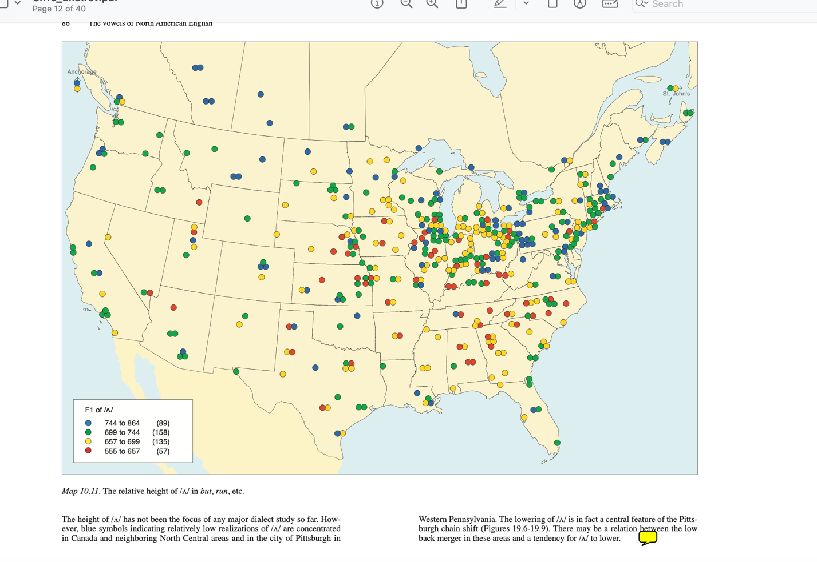
1950 EA | Mo | ANAE | CA | Modesto | 37.39 | 120.59 | 120.98 | 37.65 | c | c |  |  | MidAtlantic | r, bath |  |  | uw,ow,aw | 6
1950 EA | RSB | ANAE | CA | Riverside-SanBrndino | 33.56 | 117.23 | 117.38 | 33.93 | c | c |  |  | West | uw, LBM |  | ow,aw | uw | 7 | uw,ow,aw |  |  | 2 | backed |  | a
1950 EA | Sa | ANAE | CA | Sacramento | 38.34 | 121.29 | 121.48 | 38.57 | c | c |  |  | Midland | ow, tLBM |  | aw | uw,ow |  | ow,aw | uw |  | 1 | centr uw |  | b
1950 EA | SD | ANAE | CA | San Diego | 32.42 | 117.09 | 117.15 | 32.7 | c | c |  |  | Wpa | LBM | ~ |  |  |  | uw,aw | ow |  | 4 | centr ow |  | c
1950 EA | SF | ANAE | CA | San Francisco | 37.49 | 112.24 | 112.4 | 37.82 | c | c |  |  | South | ss1 | ~ |  |  |  | uw,ow |  | aw | 5 | fronted aw |  | d
1950 EA | SJ | ANAE | CA | San Jose | 37.2 | 121.53 | 121.88 | 37.33 | c | c |  |  | >InlandS | ss4 |  |  | uw,ow,aw |  |  |  | uw,ow,aw | 6 | fronted(=3) |  | e
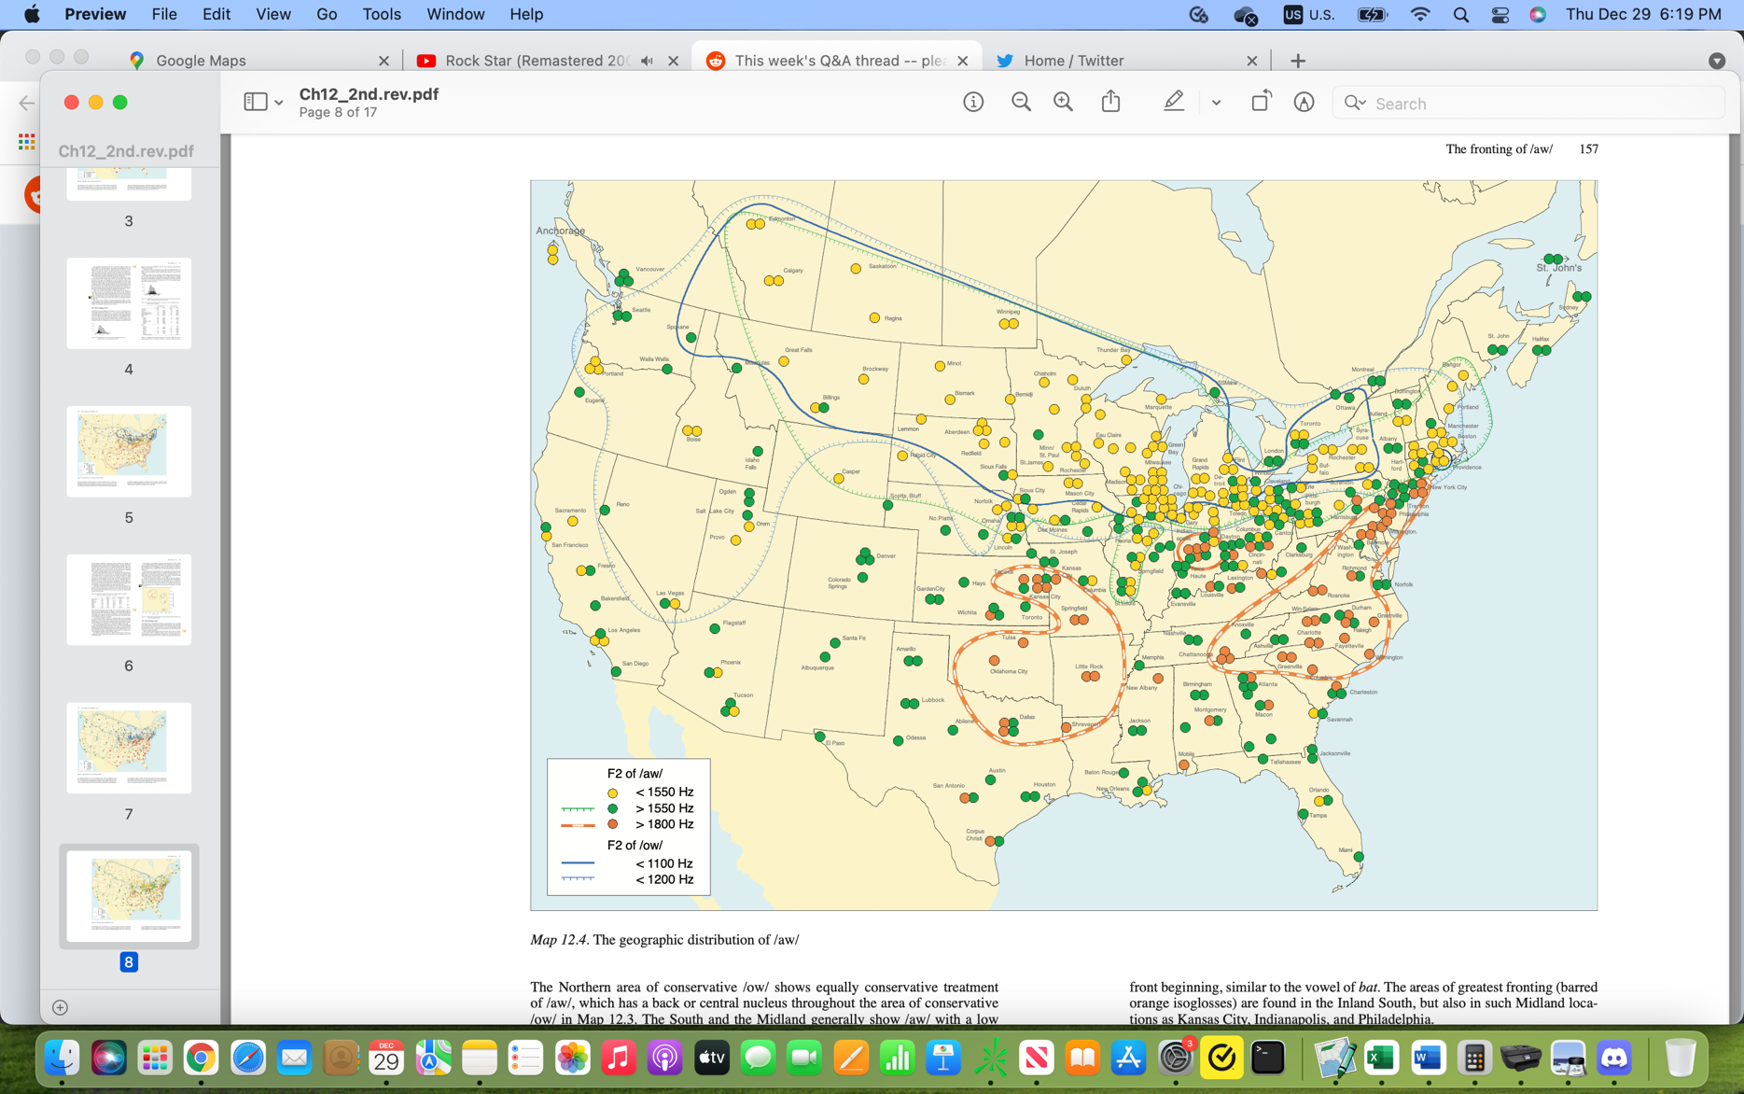
1950 EA | CS | ANAE | CO | Colorado Springs | 38.5 | 104.49 | 104.82 | 38.83 | c | c |  |  |  |  |  |  |  |  |  | aw | uw,ow | 3 | fronted(=6) |  | e
1950 EA | Dn | ANAE | CO | Denver | 39.74 | 104.99 | 105.65 | 40.23 | c | c |  |  |  |  |  |  |  |  |  | ow,aw | uw | 7 | centralized | West | f
1950 EA | Hr | ANAE | CT | Hartford | 41.45 | 72.4 | 72.67 | 41.75 | c | c |  |  | no a
1950 EA | NH | ANAE | CT | New Haven | 41.18 | 72.55 | 72.92 | 41.3 | c | c |  |  | a-o | 3D
1950 EA | Br | ANAE | CT | Bridgeport | 41.11 | 73.11 | 73.18 | 41.18 | c | c |  |  | a-o | 3D cloth
1950 EA | DC | ANAE | DC | WashingtonDC | 38.54 | 77 | 77 | 38.9 | c | c |  |  | a-o | New York
1950 EA | Wl | ANAE | DE | Wilmington | 39.44 | 75.32 | 75.53 | 39.73 | c | c |  |  | a-o | New England
1950 EA | Jc | ANAE | FL | Jacksonville | 30.2 | 81.39 | 81.65 | 30.33 | c | c |  |  | ao vs oh | Unmerged
1950 EA | Mm | ANAE | FL | Miami | 25.78 | 80.2 | 80.33 | 26.3 | c | c |  |  | ao vs oh | transitional
1950 EA | Or | ANAE | FL | Orlando | 28.32 | 81.22 | 81.37 | 28.53 | c | c |  |  | ao vs oh | merged
1950 EA | Pn | ANAE | FL | Pensacola | 30.26 | 87.12 | 87.2 | 30.43 | c | c |  |  |  |  | Map
1950 EA | Tm | ANAE | FL | Tampa | 27.56 | 82.27 | 82.45 | 27.93 | c | c |  |  |  | dog | 24 | no pattern
1950 EA | WPB | ANAE | FL | West Palm Beach | 26.42 | 80.03 | 80.05 | 26.7 | c | c |  |  |  | fog | 136
1950 EA | FL | ANAE | FL | Ft.Lauderdale | 26.8 | 80.9 | 81.5 | 27.33 | c | c |  |  |  | 'on' | ANAE | on line
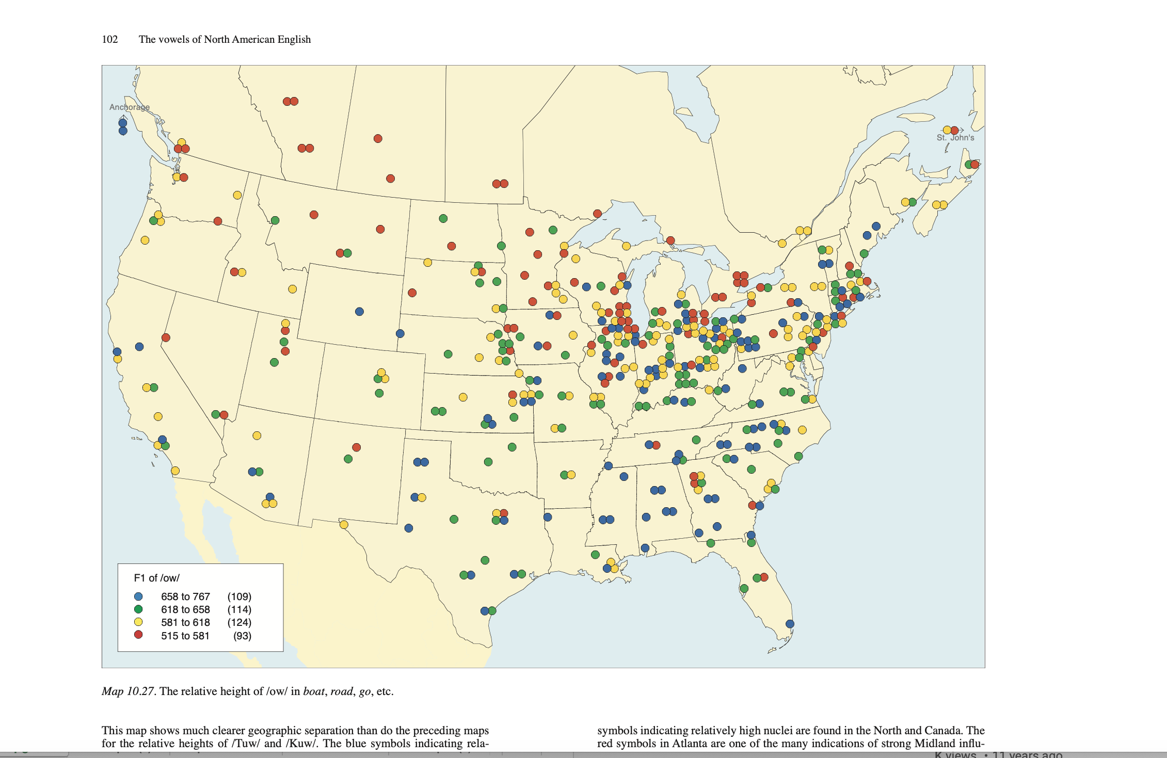
1950 EA | Tl | ANAE | FL | Tallahassee | 30.27 | 84.15 | 84.25 | 30.45 | c | c |  |  |  | gong/tongs | wells | NE/SW
1950 EA | At | ANAE | GA | Atlanta | 33.44 | 84.23 | 84.38 | 33.73 | c | c |  |  |  | long/strong | 137 | NC/GA
1950 EA | Ag | ANAE | GA | Augusta | 33.28 | 81.58 | 81.97 | 33.47 | c | c |  |  |  | 'water' | 134 | WV vs rest
1950 EA | GA1 | ANAE | GA | Macon | 32.5 | 83.39 | 83.65 | 32.83 | c | c |  |  |  | 'wash' | 135 | WV vs rest
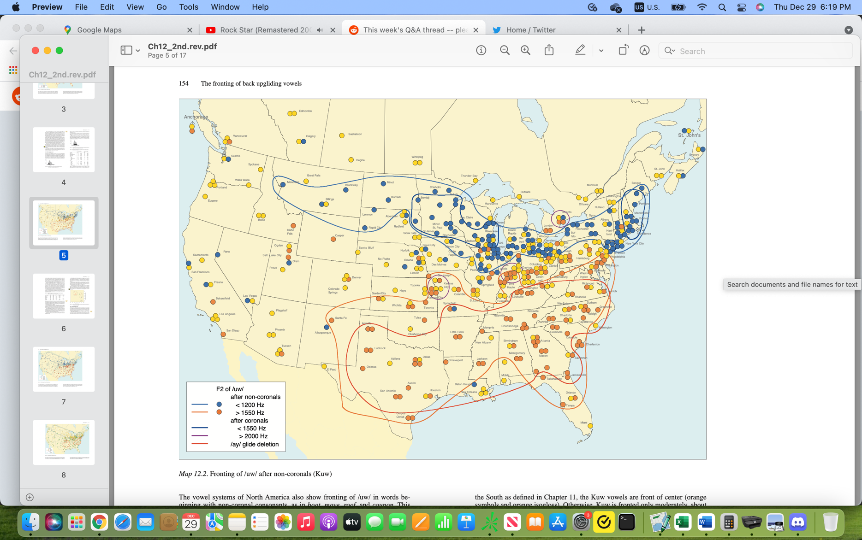
1950 EA | CGA | ANAE | GA | ColumbusGA | 32.29 | 84.56 | 84.93 | 32.48 | c | c
1950 EA | Sv | ANAE | GA | Savannah | 32.04 | 81.05 | 81.08 | 32.07 | c | c
1950 EA | DM | ANAE | IA | Quad Cities | 41.32 | 90.35 | 90.58 | 41.53 | c | b
1950 EA | DM | ANAE | IA | Des Moines | 41.35 | 93.37 | 93.62 | 41.58 | c | c
1950 EA | IA1 | ANAE | IA | Mason City | 43.8 | 93.12 | 93.2 | 44.33 | c | c
1950 EA | IA2 | ANAE | IA | Sioux City | 42.29 | 96.23 | 96.38 | 42.48 | c | c
1950 EA | Bs | ANAE | ID | Boise | 43.36 | 116.12 | 116.2 | 43.6 | c | c
1950 EA | ID2 | ANAE | ID | Idaho Falls | 43.3 | 112.2 | 112.33 | 43.5 | c | c
1950 EA | Ch | ANAE | IL | Chicago | 41.52 | 87.37 | 87.62 | 41.87 | c | b
1950 EA | Ro | ANAE | IL | Rockford | 42.16 | 89.05 | 89.08 | 42.27 | c | b
1950 EA | Pe | ANAE | IL | Peoria | 40.41 | 89.35 | 89.58 | 40.68 | c | b
1950 EA | IL1 | ANAE | IL | Springfield | 39.47 | 89.39 | 89.65 | 39.78 | c | c
1950 EA | Ev | ANAE | IN | Fort Wayne | 41.04 | 85.08 | 85.13 | 41.07 | c | c
1950 EA | In | ANAE | IN | Indianapolis | 39.46 | 86.09 | 86.15 | 39.77 | f | c
1950 EA | SB | ANAE | IN | South Bend | 41.4 | 86.15 | 86.25 | 41.67 | c | c
1950 EA | Ev | ANAE | IN | Evansville | 37.58 | 87.33 | 87.55 | 37.97 | c | c
1950 EA | IN1 | ANAE | IN | Gary | 41.35 | 87.2 | 87.33 | 41.58 | c | b
1950 EA | IN2 | ANAE | IN | Terre Haute | 39.28 | 87.23 | 87.38 | 39.47 | c | c
1950 EA | Wi | ANAE | KA | Wichita | 37 | 97.2 | 97.33 | 37.68 | c | c
1950 EA | Lx | ANAE | KY | Lexington | 38.01 | 84.29 | 84.48 | 38.02 | c | c
1950 EA | Lx | ANAE | KY | Louisville | 38.15 | 85.45 | 85.75 | 38.25 | c | c
1950 EA | BR | ANAE | LA | Baton Rouge | 30.29 | 91.1 | 91.17 | 30.48 | c | c
1950 EA | NO | ANAE | LA | New Orleans | 29.95 | 90.08 | 90.13 | 30.58 | c | c
1950 EA | Sh | ANAE | LA | Shreveport | 32.3 | 93.44 | 93.73 | 32.5 | c | c
1950 EA | Sp | ANAE | MA | Springfield | 42.06 | 72.35 | 72.58 | 42.1 | c | b
1950 EA | Bo | ANAE | MA | Boston | 42.21 | 71.03 | 71.05 | 42.35 | b | b
1950 EA | Wr | ANAE | MA | Worcester | 42.16 | 71.47 | 72 | 42.27 | b | b
1950 EA | Ba | ANAE | MD | Baltimore | 39.17 | 76.36 | 76.6 | 39.28 | c | c
1950 EA | Bn | ANAE | ME | Bangor | 44.48 | 68.46 | 68.77 | 44.8 | c | b
1950 EA | PME | ANAE | ME | PortlandME | 43.39 | 70.15 | 70.25 | 43.65 | b | b
1950 EA | AA | ANAE | MI | Ann Arbor | 42.16 | 83.44 | 83.73 | 42.27 | c | b
1950 EA | Dt | ANAE | MI | Detroit | 42.19 | 83.02 | 83.03 | 42.32 | c | b
1950 EA | Fl | ANAE | MI | Flint | 43.01 | 83.41 | 83.68 | 43.02 | c | b
1950 EA | GR | ANAE | MI | Grand Rapids | 42.57 | 85.39 | 85.65 | 42.95 | c | b
1950 EA | Ln | ANAE | MI | Lansing | 42.44 | 84.32 | 84.53 | 42.73 | c | b
1950 EA | Mn | ANAE | MN | Minneapolis | 44.58 | 93.16 | 93.27 | 44.97 | b | b
1950 EA | Du | ANAE | MN | Duluth | 46.47 | 92.05 | 92.08 | 46.78 | b | b
1950 EA | MN1 | ANAE | MN | St. James | 43.58 | 94.37 | 94.62 | 43.97 | b | b
1950 EA | MN2 | ANAE | MN | Chisholm | 47.29 | 92.52 | 92.87 | 47.48 | c | b
1950 EA | KC | ANAE | MO | Kansas City | 39.05 | 94.34 | 94.57 | 39.08 | f | c
1950 EA | SMO | ANAE | MO | SpringfieldMO | 37.12 | 93.17 | 93.28 | 37.2 | c | c
1950 EA | SL | ANAE | MO | St. Louis | 38.37 | 90.11 | 90.18 | 38.62 | c | c
1950 EA | MO1 | ANAE | MO | St. Joseph | 39.45 | 94.5 | 94.83 | 39.75 | f | c
1950 EA | Bl | ANAE | MT | Billings | 45.47 | 108.3 | 108.5 | 45.78 | c | b
1950 EA | GF | ANAE | MT | Missoula | 46.51 | 114 | 114 | 46.85 | c | b
1950 EA | Ms | ANAE | MT | Great Falls | 47.3 | 111.17 | 111.28 | 47.5 | c | b
1950 EA | MT | ANAE | MT | Brockway | 47.1 | 105.45 | 105.75 | 47.17 | c | b
1950 EA | As | ANAE | NC | Asheville | 35.35 | 82.33 | 82.55 | 35.58 | c | c
1950 EA | Ct | ANAE | NC | Charlotte | 35.13 | 80.5 | 80.83 | 35.22 | c | c
1950 EA | Fy | ANAE | NC | Fayetteville | 35.3 | 78.52 | 78.87 | 35.5 | c | c
1950 EA | Rl | ANAE | NC | Raleigh | 35.46 | 78.38 | 78.38 | 35.77 | c | c
1950 EA | Dr | ANAE | NC | Durham | 35.59 | 78.54 | 78.9 | 35.98 | c | c
1950 EA | Gr | ANAE | NC | Greensboro-/WS | 36.4 | 79.49 | 79.82 | 36.67 | c | c
1950 EA | Bk | ANAE | ND | Bismarck | 46.48 | 100.47 | 100.78 | 46.8 | c | b
1950 EA | Fr | ANAE | ND | Fargo | 46.52 | 96.47 | 96.78 | 46.87 | c | b
1950 EA | Mi | ANAE | ND | Minot | 48.13 | 101.17 | 101.28 | 48.22 | c | b
1950 EA | Ln | ANAE | NE | Lincoln | 40.48 | 96.4 | 96.67 | 40.8 | c | c
1950 EA | Om | ANAE | NE | Omaha | 41.15 | 95.56 | 95.93 | 41.25 | c | c
1950 EA | NE1 | ANAE | NE | Norfolk | 42.01 | 97.26 | 97.43 | 42.02 | c | c
1950 EA | NE2 | ANAE | NE | North Platte | 41.14 | 100.76 | 101.27 | 41.23 | c | c
1950 EA | NE3 | ANAE | NE | Scotts Bluff | 41.52 | 103.39 | 103.65 | 41.87 | c | c
1950 EA | Mn | ANAE | NH | Manchester | 42.59 | 71.27 | 71.45 | 42.98 | c | c
1950 EA | Tr | ANAE | NJ | Trenton | 40.22 | 74.76 | 79.38 | 40.37 | b | b
1950 EA | Aq | ANAE | NM | Albuquerque | 35.06 | 106.36 | 106.6 | 35.1 | c | c
1951 EA | NM1 | ANAE | NM | Santa Fe | 35.4 | 105.57 | 105.95 | 35.67 | c | c
1952 EA | Jk | ANAE | NS | Jackson | 32.17 | 90.11 | 90.18 | 32.28 | c | c
1950 EA | LV | ANAE | NV | Las Vegas | 36.1 | 115.08 | 115.13 | 36.17 | c | c
1950 EA | Rn | ANAE | NV | Reno | 39.31 | 119.49 | 119.82 | 39.52 | c | c
1950 EA | Al | ANAE | NY | Albany | 42.39 | 73.45 | 73.75 | 42.65 | c | b
1950 EA | Bn | ANAE | NY | Buffalo | 42.53 | 78.52 | 78.87 | 42.88 | c | b
1950 EA | Rc | ANAE | NY | Rochester | 43.09 | 77.36 | 77.6 | 43.15 | c | b
1950 EA | Sy | ANAE | NY | Syracuse | 43.02 | 76.08 | 76.13 | 43.03 | c | b
1950 EA | Bn | ANAE | NY | Binghamton | 42.06 | 75.54 | 80.38 | 42.1 | c | b
1950 EA | Ak | ANAE | OH | Akron | 41.04 | 81.31 | 81.52 | 41.07 | c | c
1950 EA | Cn | ANAE | OH | Canton | 40.48 | 81.22 | 81.37 | 40.8 | c | c
1950 EA | Ci | ANAE | OH | Cincinnati | 39.06 | 84.3 | 84.5 | 39.1 | c | c
1950 EA | Cl | ANAE | OH | Cleveland | 41.28 | 81.4 | 81.67 | 41.47 | c | b
1950 EA | COH | ANAE | OH | Columbus | 39.57 | 83 | 83 | 39.95 | c | c
1950 EA | Dy | ANAE | OH | Dayton | 39.45 | 84.11 | 84.18 | 39.75 | c | c
1950 EA | Tl | ANAE | OH | Toledo | 41.39 | 83.34 | 83.57 | 41.65 | c | b
1950 EA | YW | ANAE | OH | Youngstown-Warren | 41.06 | 80.39 | 80.65 | 41.1 | c | c
1950 EA | LE | ANAE | OH | Lorain-Elyria | 41.26 | 82.1 | 81.38 | 41.43 | c | c
1950 EA | Tu | ANAE | OK | Tulsa | 36.07 | 95.56 | 95.93 | 36.12 | c | c
1950 EA | OC | ANAE | OK | Oklahoma City | 35.28 | 97.31 | 97.52 | 35.47 | c | c
1950 EA | PV | ANAE | OR | Portland-Vancouver | 45.31 | 122.4 | 122.67 | 45.52 | c | c
1951 EA | OR1 | ANAE | OR | Eugene | 44.03 | 123.05 | 123.08 | 44.05 | c | c
1950 EA | ABE | ANAE | PA | Aʼtown-Bthlm-Easton | 40.36 | 75.28 | 75.47 | 40.6 | c | c
1950 EA | Er | ANAE | PA | Erie | 42.07 | 80.05 | 80.08 | 42.12 | c | c
1950 EA | Hr | ANAE | PA | Pittsburgh | 40.26 | 79.58 | 79.97 | 40.43 | c | c
1950 EA | SWB | ANAE | PA | Scrant/Wilkes-Barre | 41.24 | 75.4 | 75.67 | 41.4 | c | c
1950 EA | Hr | ANAE | PA | Harrisburg | 40.16 | 76.52 | 76.87 | 40.27 | c | c
1950 EA | SCW | ANAE | PA | SCollege-Williamsprt | 40.47 | 77.51 | 82.38 | 40.78 | c | c
1950 EA | Pr | ANAE | RI | Providence | 41.49 | 71.25 | 71.42 | 41.82 | b | c
1950 EA | CSC | ANAE | SC | Charleston | 32.47 | 79.55 | 79.92 | 32.78 | c | c
1950 EA | Gv | ANAE | SC | Greenville | 34.5 | 82.23 | 82.38 | 34.83 | c | c
1950 EA | Cl | ANAE | SC | Columbia | 34 | 81.2 | 81.33 | 34 | c | c
1950 EA | Ab | ANAE | SD | Aberdeen | 45.27 | 98.29 | 98.48 | 45.45 | c | c
1950 EA | SF | ANAE | SD | Sioux Falls | 43.42 | 96.43 | 96.72 | 43.7 | c | c
1950 EA | RC | ANAE | SD | Rapid City | 44.08 | 103.23 | 103.38 | 44.13 | c | b
1950 EA | SD1 | ANAE | SD | Lemmon | 45.56 | 102.9 | 103.5 | 45.93 | c | b
1950 EA | SD2 | ANAE | SD | Redfield | 44.52 | 98.31 | 98.52 | 44.87 | c | c
1950 EA | Cg | ANAE | TN | Chattanooga | 35.2 | 85.16 | 85.27 | 35.33 | c | c
1950 EA | Kn | ANAE | TN | Knoxville | 35.96 | 83.92 | 83.38 | 36.6 | c | c
1950 EA | Me | ANAE | TN | Memphis | 35.07 | 89.58 | 89.97 | 35.12 | c | c
1950 EA | Nv | ANAE | TN | Nashville | 36.09 | 86.46 | 86.77 | 36.15 | c | c
1950 EA | SA | ANAE | TX | San Antonio | 29.25 | 98.29 | 98.48 | 29.42 | c | c
1950 EA | EP | ANAE | TX | El Paso | 31.45 | 106.29 | 106.48 | 31.75 | c | c
1950 EA | Au | ANAE | TX | Austin | 30.16 | 97.44 | 97.73 | 30.27 | c | c
1950 EA | CC | ANAE | TX | Corpus Christi | 27.44 | 97.24 | 97.4 | 27.73 | c | c
1950 EA | DFW | ANAE | TX | Dallas-Ft. Worth | 32.46 | 96.48 | 96.8 | 32.77 | c | c
1950 EA | Ho | ANAE | TX | Houston | 29.45 | 95.22 | 84.38 | 29.75 | c | c
1950 EA | TX1 | ANAE | TX | Amarillo-Lubbock | 35.11 | 101.5 | 101.83 | 35.18 | c | c
1950 EA | TX2 | ANAE | TX | Lubbock | 33.34 | 101.53 | 101.88 | 33.57 | c | c
1950 EA | TX3 | ANAE | TX | Odessa | 31.51 | 102.21 | 102.35 | 31.85 | c | c
1950 EA | SL | ANAE | UT | Salt Lake City | 40.45 | 111.53 | 111.88 | 40.75 | c | c
1950 EA | Og | ANAE | UT | Ogden | 41.13 | 111.57 | 111.95 | 41.22 | c | c
1950 EA | PO | ANAE | UT | Provo-Orem | 40.14 | 111.39 | 111.65 | 40.23 | c | c
1950 EA | Nr | ANAE | VA | Norfolk | 36.5 | 76.17 | 76.28 | 36.83 | c | c
1950 EA | Rc | ANAE | VA | Richmond | 37.322 | 77.26 | 77.43 | 37.54 | c | c
1950 EA | Rn | ANAE | VA | Roanoke | 37.16 | 79.56 | 79.93 | 37.27 | c | c
1950 EA | Bl | ANAE | VT | Burlington | 44.28 | 73.12 | 73.2 | 44.47 | c | c
1950 EA | Ru | ANAE | VT | Rutland | 43.36 | 72.58 | 72.97 | 43.6 | c | c
1950 EA | Se | ANAE | WA | Seattle | 47.36 | 122.19 | 85.38 | 47.6 | c | c
1950 EA | Sk | ANAE | WA | Spokane | 47.39 | 117.25 | 117.42 | 47.65 | c | c
1950 EA | WA1 | ANAE | WA | Walla Walla | 46.3 | 118.19 | 118.32 | 46.5 | c | c
1950 EA | Md | ANAE | WI | Madison | 43.02 | 89.24 | 89.4 | 43.03 | b | c
1950 EA | Ml | ANAE | WI | Milwaukee | 43.05 | 87.95 | 88.58 | 43.08 | b | b
1950 EA | CWV | ANAE | WV | CharlestonWV | 38.2 | 81.38 | 81.63 | 38.33 | c | c
1950 EA | HA | ANAE | WV | Huntington-Ashland | 38.25 | 82.225 | 82.38 | 38.42 | c | c

Data pts (2)
 | Name | Source | State | Location | Lat | Lon | X | Y | φ (Rad) | λ (Rad) | ρ | θ | x | y |  |  | φ (Rad) | λ (Rad) | ρ | θ | x | y | x | y | front allo | front qual | pre-R | inter-r | LBV | ai | BUV | oi | pre-L | ^ | fric | unstress
LAGS |  |  |  |  |  |  |  |  |  |  |  |  |  |  |  |  |  |  |  |  |  |  |  |  | list | ? |  |  | ?
ANAE |  |  |  |  |  |  |  |  |  |  |  |  |  |  |  |  |  |  |  |  |  |  |  |  | Ch 10 | Ch 10-11
PEAS |  |  |  |  |  |  |  |  |  |  |  |  |  |  |  |  |  |  |  |  |  |  |  |  | "12-14"
LANCS |  |  |  |  |  |  |  |  |  |  |  |  |  |  |  |  |  |  |  |  |  |  |  |  | List | ?
other
 |  |  |  |  |  |  |  |  |  |  |  |  |  |  |  |  |  |  |  |  |  |  |  |  | lax | lax | old.b | n/a | n/a | Bmid | back1 | oi | fill | fr | th
 |  |  |  |  |  |  |  |  |  |  |  |  |  |  |  |  |  |  |  |  |  |  |  |  | latino | OP | new.b | marry | father.2D | Blow | back2 | Ci | fell | shut.fr | t-d
 |  |  |  |  |  |  |  |  |  |  |  |  |  |  |  |  |  |  |  |  |  |  |  |  | pa | /æ/up | cord.b | hurry | NYC | BCR | front | oe | pull | roof.fr | f-v
 |  |  |  |  |  |  |  |  |  |  |  |  |  |  |  |  |  |  |  |  |  |  |  |  | NY2 | /E/up | chair.b | mirror | alm.m.o | Ba:1 | west | curl | goal | bck
 |  |  |  |  |  |  |  |  |  |  |  |  |  |  |  |  |  |  |  |  |  |  |  |  | NY3 | /I/up | thur.b | murray | alm.m.)o | Ba:2 | central | ai-oi | salary | shut.bck
 |  |  |  |  |  |  |  |  |  |  |  |  |  |  |  |  |  |  |  |  |  |  |  |  | OH | /æ/down | poor.b |  | aunt.m | Ba:3 | low.B |  |  | roof.bck
 |  |  |  |  |  |  |  |  |  |  |  |  |  |  |  |  |  |  |  |  |  |  |  |  | South.pn | /E/down |  |  | bath1 | Fmid | CR.B |  |  | rather?
 |  |  |  |  |  |  |  |  |  |  |  |  |  |  |  |  |  |  |  |  |  |  |  |  | cont.pn | /I/down |  |  | bath2 | Flow | low.F
 |  |  |  |  |  |  |  |  |  |  |  |  |  |  |  |  |  |  |  |  |  |  |  |  | South | back /æ/ |  |  | Canada | FCR | CR.F
 |  |  |  |  |  |  |  |  |  |  |  |  |  |  |  |  |  |  |  |  |  |  |  |  | cont | /ei/ down |  |  | US.3Ma | Fa:1 | 1/2mon
 |  |  |  |  |  |  |  |  |  |  |  |  |  |  |  |  |  |  |  |  |  |  |  |  | cont.g | /ii/ down |  |  | US.3Mo | Fa:2 | mono
 |  |  |  |  |  |  |  |  |  |  |  |  |  |  |  |  |  |  |  |  |  |  |  |  | nas |  |  |  | US.3a | Fa:3
 |  |  |  |  |  |  |  |  |  |  |  |  |  |  |  |  |  |  |  |  |  |  |  |  | radish
 |  |  |  |  |  |  |  |  |  |  |  |  |  |  |  |  |  |  |  |  |  |  |  |  | afraid
 |  |  |  |  |  |  |  |  |  |  |  |  |  |  |  |  |  |  |  |  |  |  |  |  | bleat
 |  |  |  |  |  |  |  |  |  |  |  |  |  |  |  |  |  |  |  |  |  |  |  |  | creak
 |  |  |  |  |  |  |  |  |  |  |  |  |  |  |  |  |  |  |  |  |  |  |  |  | catch
 |  |  |  |  |  |  |  |  |  |  |  |  |  |  |  |  |  |  |  |  |  |  |  |  | deaf

1850 EA | NYC | Babbit | NY | New York City
1850 EA | Ithica | Emerson | NY | Ithica
1850 EA | PA | Grandgent | PA
1850 EA | MD | Grandgent | MD |  |  |  |  |  |  |  |  |  |  |  |  |  |  |  |  |  |  |  |  |  |  |  |  |  |  |  |  |  |  |  |  | 80,90 | 80,70
1850 EA | VA | Grandgent | VA |  |  |  |  |  |  |  |  |  |  |  |  |  |  |  |  |  |  |  |  |  |  |  |  |  |  |  |  |  |  |  |  | 90,90 | 90,80
1850 EA | TN | Grandgent | TN

1870 EA | 703 | DASS | AR | White Oak | 33.53 | 92.1 | 92.17 | 33.88
1870 EA | 117 | DASS | GA | Newnan | 33.22 | 84.47 | 84.78 | 33.37
1870 EA | 166 | DASS | GA | Americus | 33.4 | 84.13 | 84.22 | 33.67
1870 EA | 794 | DASS | LA | Winnfield | 31.55 | 92.38 | 92.63 | 31.92
1870 EA | 657x | DASS | LA | New Orleans | 29.95 | 90.08 | 90.13 | 30.58
1870 EA | 556 | DASS | MS | Macon | 32.5 | 83.39 | 83.65 | 32.83
1870 EA | 625 | DASS | MS | Kiln | 30.24 | 89.26 | 89.43 | 30.40
1870 EA | Phil | Labov 89 | PA | Philadelphia

1870 EA | 1 | nonDASS | TN
1870 EA | 10 | nonDASS | TN
1870 EA | 23 | nonDASS | TN
 | Map |  | Coordinates
0.5014 | 1.4173 | -1.4644 | 0.3203
0.4961 | 1.4151 | -1.3309 | 0.1717
0.5146 | 1.4019 | -1.1825 | 0.0382
0.5249 | 1.3963 | -1.0207 | -0.0788
0.5182 | 1.3807 | -0.8474 | -0.1781
0.5161 | 1.3575 | -0.6646 | -0.2584
0.5255 | 1.3865 | -0.4743 | -0.3189
0.8212 | 1.4289 | -0.2787 | -0.3589
0.7869 | 1.4269 | -0.0799 | -0.3780
0.8802 | 1.4116 | 0.1198 | -0.3758
0.8859 | 1.4292 | 0.3181 | -0.3526
0.7004 | 1.4205 | 0.5128 | -0.3084
0.5020 | 1.3973 | 0.7018 | -0.2439
0.5086 | 1.4021 | 0.8829 | -0.1597
0.5054 | 1.3863 | 1.0540 | -0.0568
0.5120 | 1.3801 | 1.2133 | 0.0636
0.5379 | 1.3704 | 1.3589 | 0.2003
0.5125 | 1.3674 | 1.4892 | 0.3516
0.5280 | 1.3669 | 1.6027 | 0.5159
0.5279 | 1.3621 | 1.6982 | 0.6912
0.5223 | 1.3569 | 1.7746 | 0.8757
0.5103 | 1.3574 | 1.8310 | 1.0673
0.8104 | 1.4480 | 1.8668 | 1.2637
0.6129 | 1.4285 | 1.8815 | 1.4629
0.5134 | 1.4129 | 1.8751 | 1.6625
0.5106 | 1.4126 | 1.8476 | 1.8602
0.4988 | 1.4186 | 1.7993 | 2.0540
0.4968 | 1.4186 | 1.7307 | 2.2415
0.5070 | 1.4127 | 1.6426 | 2.4207
0.4961 | 1.4159 | 1.5361 | 2.5896
0.4969 | 1.4019 | 1.4122 | 2.7462
0.5058 | 1.4060 | 1.2725 | 2.8889
0.5007 | 1.4096 | 1.1184 | 3.0159
0.5003 | 1.4053 | 0.9517 | 3.1259
0.4992 | 1.3943 | 0.7743 | 3.2176
0.4974 | 1.3919 | 0.5882 | 3.2899
0.4990 | 1.4057 | 0.3955 | 3.3422
0.4932 | 1.3905 | -1.3412 | 0.4197
0.4942 | 1.4058 | -1.2189 | 0.2837
0.4925 | 1.3953 | -1.0829 | 0.1614
0.4963 | 1.3907 | -0.9348 | 0.0542
0.5147 | 1.3937 | -0.7761 | -0.0367
0.4980 | 1.3844 | -0.6087 | -0.1102
0.5017 | 1.4022 | -0.4344 | -0.1656
0.5060 | 1.3953 | -0.2552 | -0.2023
0.5226 | 1.3747 | -0.0732 | -0.2197
0.5262 | 1.3608 | 0.1097 | -0.2178
0.5279 | 1.3621 | 0.2913 | -0.1965
0.5280 | 1.3669 | 0.4697 | -0.1561
0.5103 | 1.3574 | 0.6428 | -0.0970
...
1870 EA | 36 | nonDASS | TN
1870 EA | 42 | nonDASS | TN |  |  |  |  |  |  |  |  |  |  |  |  |  |  | 21.20
 |  |  |  |  |  |  |  |  |  |  |  |  |  |  |  |  |  | 58.30
1870 EA | 48 | nonDASS | TN | Dayton
1870 EA | 55 | nonDASS | TN | Chatanooga
1870 EA | 301 | nonDASS | TN | Gainesboro
1870 EA | 304 | nonDASS | TN | Statesville
1870 EA | 326 | nonDASS | TN | Shelbyville
1870 EA | 296 | nonDASS | TN | Springfield
1870 EA | 315 | nonDASS | TN | Waverly
1870 EA | 336 | nonDASS | TN | Colinwood
1870 EA | 492 | nonDASS | TN | Dyersburg
1870 EA | 491 | nonDASS | TN | Dyer
1870 EA | 507A | nonDASS | TN | Arp
1870 EA | 509A | nonDASS | TN | Bolivar
1870 EA | 515A | nonDASS | TN | Memphis
1870 EA | 312 | DASS | TN | Nashville | 36.09 | 86.46 | 86.77 | 36.15 | 1.514 | 0.631 | 0.63700243803 | 79.66490955 | 0.6267 | 1.4419 | 86.77 | 36.15 | 1.514 | 0.631 | 0.50858175632 | 80.375834877 | 0.5014 | 1.4173 | 1.6094 | 0.5454
1870 EA | 503 | DASS | TN | Brownsville | 35.35 | 89.15 | 89.25 | 35.58 | 1.558 | 0.621 | 0.63307655249 | 79.32129246 | 0.6221 | 1.4389 | 89.25 | 35.58 | 1.558 | 0.621 | 0.50369963369 | 80.029151367 | 0.4961 | 1.4151 | 1.6094 | 0.5453
1870 EA | 838 | nonDASS | TX | Denison | 33.49 | 96.33 | 96.55 | 33.82 | 1.685 | 0.590 | 0.6497361007 | 78.26029934 | 0.6361 | 1.4240 | 96.55 | 33.82 | 1.685 | 0.590 | 0.52430465642 | 78.958690002 | 0.5146 | 1.4019 | 1.6091 | 0.5452
1870 EA | 840 | nonDASS | TX | Denton | 33.12 | 97.7 | 98.17 | 33.20 | 1.713 | 0.579 | 0.65891822586 | 77.8865404 | 0.6442 | 1.4180 | 98.17 | 33.20 | 1.713 | 0.579 | 0.53554207758 | 78.581595657 | 0.5249 | 1.3963 | 1.6089 | 0.5451
1870 EA | 883 | nonDASS | TX | Austin | 30.16 | 97.44 | 97.73 | 30.27 | 1.706 | 0.528 | 0.65623886323 | 76.12022799 | 0.6371 | 1.3988 | 97.73 | 30.27 | 1.706 | 0.528 | 0.53227126732 | 76.799520771 | 0.5182 | 1.3807 | 1.6088 | 0.5448
1870 EA | 907 | nonDASS | TX | McAllenn | 26.12 | 98.14 | 98.23 | 26.20 | 1.714 | 0.457 | 0.65929413332 | 73.6666814 | 0.6327 | 1.3708 | 98.23 | 26.20 | 1.714 | 0.457 | 0.53600042891 | 74.324078865 | 0.5161 | 1.3575 | 1.6086 | 0.5442
1870 EA | 853 | DASS | TX | Waco | 31.33 | 97.9 | 98.50 | 31.55 | 1.719 | 0.551 | 0.66101677121 | 76.89185935 | 0.6438 | 1.4063 | 98.50 | 31.55 | 1.719 | 0.551 | 0.5380992103 | 77.578038128 | 0.5255 | 1.3865 | 1.6088 | 0.5449
1870 EA | OR013 | DARE | OR | Burns | 43.35 | 119.3 | 119.50 | 43.58 | 2.086 | 0.761 | 0.91138117631 | 84.14398846 | 0.9066 | 1.4632 | 119.50 | 43.58 | 2.086 | 0.761 | 0.82446418877 | 84.894884844 | 0.8212 | 1.4289 | 1.6059 | 0.5480
1870 EA | OR011 | DARE | OR | Jordan Valley | 42.58 | 117.3 | 117.50 | 42.97 | 2.051 | 0.750 | 0.88054516779 | 83.77625789 | 0.8754 | 1.4608 | 117.50 | 42.97 | 2.051 | 0.750 | 0.79055302246 | 84.523872666 | 0.7869 | 1.4269 | 1.6063 | 0.5477
1870 EA | OR002 | DARE | OR | Jacksonville | 42.18 | 122.58 | 122.97 | 42.30 | 2.146 | 0.738 | 0.96684537528 | 83.3723571 | 0.9604 | 1.4446 | 122.97 | 42.30 | 2.146 | 0.738 | 0.88486954201 | 84.116367488 | 0.8802 | 1.4116 | 1.6050 | 0.5481
1870 EA | OR006 | DARE | OR | Junction City | 44.13 | 123.12 | 123.20 | 44.22 | 2.150 | 0.772 | 0.97059774239 | 84.52980414 | 0.9662 | 1.4637 | 123.20 | 44.22 | 2.150 | 0.772 | 0.88893183146 | 85.284143522 | 0.8859 | 1.4292 | 1.6051 | 0.5484
1870 EA | Utahan | Bowie 12 | UT | North Region | 41.01 | 112.12 | 112.20 | 41.02 | 1.958 | 0.716 | 0.80401298347 | 82.60072574 | 0.7973 | 1.4527 | 112.20 | 41.02 | 1.958 | 0.716 | 0.70511806904 | 83.337850131 | 0.7004 | 1.4205 | 1.6073 | 0.5469
1900 EA | 831 | nonDASS | TX | Marshall | 32.33 | 94.22 | 94.37 | 32.55 | 1.647 | 0.568 | 0.64042704508 | 77.49469635 | 0.6252 | 1.4176 | 94.37 | 32.55 | 1.647 | 0.568 | 0.51282687395 | 78.186254812 | 0.5020 | 1.3973 | 1.6092 | 0.5450
1900 EA | 836 | nonDASS | TX | Belk | 33.39 | 95.32 | 95.53 | 33.65 | 1.667 | 0.587 | 0.64493598459 | 78.15781705 | 0.6312 | 1.4239 | 95.53 | 33.65 | 1.667 | 0.587 | 0.51839730364 | 78.855293165 | 0.5086 | 1.4021 | 1.6091 | 0.5451
1900 EA | 856C | nonDASS | TX | Huntsville | 30.43 | 95.33 | 95.55 | 30.72 | 1.668 | 0.536 | 0.6450226552 | 76.39150464 | 0.6269 | 1.4045 | 95.55 | 30.72 | 1.668 | 0.536 | 0.51850417263 | 77.073218279 | 0.5054 | 1.3863 | 1.6090 | 0.5448
1900 EA | 881 | nonDASS | TX | Warrenton | 29.54 | 96.52 | 96.87 | 29.90 | 1.691 | 0.522 | 0.65140005285 | 75.8971783 | 0.6318 | 1.3975 | 96.87 | 29.90 | 1.691 | 0.522 | 0.52634708258 | 76.574480598 | 0.5120 | 1.3801 | 1.6089 | 0.5447
1900 EA | 892 | nonDASS | TX | Hondo | 29.2 | 99.8 | 100.33 | 29.33 | 1.751 | 0.512 | 0.67400035894 | 75.55356121 | 0.6527 | 1.3881 | 100.33 | 29.33 | 1.751 | 0.512 | 0.55383278956 | 76.227797088 | 0.5379 | 1.3704 | 1.6085 | 0.5447
1900 EA | 906 | nonDASS | TX | Corpus Christi | 27.44 | 97.24 | 97.40 | 27.73 | 1.700 | 0.484 | 0.65431936285 | 74.58902201 | 0.6308 | 1.3823 | 97.40 | 27.73 | 1.700 | 0.484 | 0.5299238961 | 75.254650392 | 0.5125 | 1.3674 | 1.6087 | 0.5444
1900 EA | 894 | nonDASS | TX | Encinal | 28.2 | 99.21 | 99.35 | 28.33 | 1.734 | 0.494 | 0.66676749799 | 74.95072421 | 0.6439 | 1.3831 | 99.35 | 28.33 | 1.734 | 0.494 | 0.54508618273 | 75.619580403 | 0.5280 | 1.3669 | 1.6086 | 0.5445
1900 EA | 895 | nonDASS | TX | Laredo | 27.31 | 99.29 | 99.48 | 27.52 | 1.736 | 0.480 | 0.66769025501 | 74.46242624 | 0.6433 | 1.3774 | 99.48 | 27.52 | 1.736 | 0.480 | 0.54620457274 | 75.126924888 | 0.5279 | 1.3621 | 1.6085 | 0.5444
1900 EA | 899 | nonDASS | TX | Roma-Los Saenz | 26.24 | 99 | 99.00 | 26.40 | 1.728 | 0.461 | 0.66433983995 | 73.7872488 | 0.6379 | 1.3707 | 99.00 | 26.40 | 1.728 | 0.461 | 0.54214025454 | 74.445722202 | 0.5223 | 1.3569 | 1.6085 | 0.5443
1900 EA | 911 | nonDASS | TX | Brownsville | 25.55 | 97.29 | 97.48 | 25.92 | 1.701 | 0.452 | 0.65477756248 | 73.49788704 | 0.6278 | 1.3702 | 97.48 | 25.92 | 1.701 | 0.452 | 0.53048455012 | 74.153778193 | 0.5103 | 1.3574 | 1.6086 | 0.5442
1900 EA | OR015 | DARE | OR | Pendleton | 45.4 | 118.47 | 118.78 | 45.67 | 2.073 | 0.797 | 0.90017479237 | 85.40391779 | 0.8973 | 1.4841 | 118.78 | 45.67 | 2.073 | 0.797 | 0.81216979099 | 86.166057715 | 0.8104 | 1.4480 | 1.6062 | 0.5483
1900 EA | NY | Labov 66 | NY | NYC | 40.41 | 73.59 | 73.98 | 40.68 | 1.291 | 0.710 | 0.72755830619 | 82.39576116 | 0.7212 | 1.4599 | 73.98 | 40.68 | 1.291 | 0.710 | 0.61735841812 | 83.131056458 | 0.6129 | 1.4285 | 1.6083 | 0.5465
1900 EA | 27 | DASS | TN | Maryville | 35.44 | 83.58 | 83.97 | 35.73 | 1.466 | 0.624 | 0.64719250218 | 79.41171801 | 0.6362 | 1.4373 | 83.97 | 35.73 | 1.466 | 0.624 | 0.5211772113 | 80.120383869 | 0.5134 | 1.4129 | 1.6092 | 0.5454
1900 EA | 40 | DASS | TN | Sweetwater | 35.36 | 84.28 | 84.47 | 35.60 | 1.474 | 0.621 | 0.64493598459 | 79.3333492 | 0.6338 | 1.4369 | 84.47 | 35.60 | 1.474 | 0.621 | 0.51839730364 | 80.0413157 | 0.5106 | 1.4126 | 1.6092 | 0.5454
1900 EA | 299 | DASS | TN | Stewart | 36.19 | 87.5 | 87.83 | 36.32 | 1.533 | 0.634 | 0.63472895286 | 79.76739184 | 0.6246 | 1.4435 | 87.83 | 36.32 | 1.533 | 0.634 | 0.50575657549 | 80.479231713 | 0.4988 | 1.4186 | 1.6094 | 0.5454
1900 EA | 494 | DASS | TN | Elbridge | 36.15 | 89.11 | 89.18 | 36.25 | 1.556 | 0.633 | 0.63312040936 | 79.72519325 | 0.6230 | 1.4433 | 89.18 | 36.25 | 1.556 | 0.633 | 0.50375426673 | 80.436656545 | 0.4968 | 1.4186 | 1.6095 | 0.5454
1900 EA | 52 | DASS | TN | Dayton | 35.3 | 85.1 | 85.17 | 35.50 | 1.486 | 0.620 | 0.64209263711 | 79.2730655 | 0.6309 | 1.4367 | 85.17 | 35.50 | 1.486 | 0.620 | 0.51488703896 | 79.980494032 | 0.5070 | 1.4127 | 1.6093 | 0.5454
1900 EA | 678 | DASS | AR | Bay | 35.44 | 90.33 | 90.55 | 35.73 | 1.580 | 0.624 | 0.6329727834 | 79.41171801 | 0.6222 | 1.4399 | 90.55 | 35.73 | 1.580 | 0.624 | 0.50357035876 | 80.120383869 | 0.4961 | 1.4159 | 1.6094 | 0.5453
1900 EA | 741 | DASS | AR | El Dorado | 33.12 | 92.39 | 92.65 | 33.20 | 1.617 | 0.579 | 0.63564893806 | 77.8865404 | 0.6215 | 1.4228 | 92.65 | 33.20 | 1.617 | 0.579 | 0.50690048835 | 78.581595657 | 0.4969 | 1.4019 | 1.6093 | 0.5450
1900 EA | 79 | DASS | GA | Rome | 34.15 | 85.11 | 85.18 | 34.25 | 1.487 | 0.598 | 0.64205470964 | 78.51951925 | 0.6292 | 1.4284 | 85.18 | 34.25 | 1.487 | 0.598 | 0.5148401589 | 79.220223176 | 0.5058 | 1.4060 | 1.6092 | 0.5452
1900 EA | 342 | DASS | AL | Huntsville | 34.43 | 86.35 | 86.58 | 34.72 | 1.511 | 0.606 | 0.63750309972 | 78.80285264 | 0.6254 | 1.4324 | 86.58 | 34.72 | 1.511 | 0.606 | 0.50920315689 | 79.506085018 | 0.5007 | 1.4096 | 1.6093 | 0.5452
1900 EA | 356 | DASS | AL | Oneonta | 33.56 | 86.28 | 86.47 | 33.93 | 1.509 | 0.592 | 0.63780582632 | 78.32661141 | 0.6246 | 1.4272 | 86.47 | 33.93 | 1.509 | 0.592 | 0.50957875752 | 79.025593837 | 0.5003 | 1.4053 | 1.6093 | 0.5451
1900 EA | 434 | DASS | AL | Shady Grove | 31.54 | 86.09 | 86.15 | 31.90 | 1.504 | 0.557 | 0.63873999207 | 77.1028523 | 0.6226 | 1.4137 | 86.15 | 31.90 | 1.504 | 0.557 | 0.51073718073 | 77.790913967 | 0.4992 | 1.3943 | 1.6092 | 0.5449
1900 EA | 444 | DASS | AL | Gantt | 31.24 | 86.29 | 86.48 | 31.40 | 1.509 | 0.548 | 0.63777791624 | 76.8014338 | 0.6209 | 1.4106 | 86.48 | 31.40 | 1.509 | 0.548 | 0.50954413291 | 77.486805625 | 0.4974 | 1.3919 | 1.6091 | 0.5448
1900 EA | 446 | DASS | AL | Damascus | 33.58 | 86.52 | 86.87 | 33.97 | 1.516 | 0.593 | 0.63675026201 | 78.35072489 | 0.6236 | 1.4277 | 86.87 | 33.97 | 1.516 | 0.593 | 0.50826866328 | 79.049922504 | 0.4990 | 1.4057 | 1.6093 | 0.5451
1900 EA | 472 | DASS | AL | Stockton | 30.59 | 87.51 | 87.85 | 30.98 | 1.533 | 0.541 | 0.63469456864 | 76.54824226 | 0.6173 | 1.4086 | 87.85 | 30.98 | 1.533 | 0.541 | 0.50571380402 | 77.231354617 | 0.4932 | 1.3905 | 1.6092 | 0.5448
1900 EA | 548 | DASS | MS | Drew | 33.48 | 90.31 | 90.52 | 33.80 | 1.580 | 0.590 | 0.63295997063 | 78.2482426 | 0.6197 | 1.4273 | 90.52 | 33.80 | 1.580 | 0.590 | 0.50355439586 | 78.946525668 | 0.4942 | 1.4058 | 1.6093 | 0.5451
1900 EA | 595 | DASS | MS | Lorman | 31.49 | 91.03 | 91.05 | 31.82 | 1.589 | 0.555 | 0.63329201421 | 77.05462534 | 0.6172 | 1.4144 | 91.05 | 31.82 | 1.589 | 0.555 | 0.50396801638 | 77.742256632 | 0.4925 | 1.3953 | 1.6092 | 0.5449
1900 EA | 791 | DASS | LA | Hawthorne | 31.08 | 93.16 | 93.27 | 31.13 | 1.628 | 0.543 | 0.63710549777 | 76.63866781 | 0.6199 | 1.4090 | 93.27 | 31.13 | 1.628 | 0.543 | 0.50870969192 | 77.32258712 | 0.4963 | 1.3907 | 1.6091 | 0.5448
1900 EA | 850 | DASS | TX | Waxahachie | 32.23 | 96.5 | 96.83 | 32.38 | 1.690 | 0.565 | 0.65118797602 | 77.39221406 | 0.6355 | 1.4141 | 96.83 | 32.38 | 1.690 | 0.565 | 0.5260869187 | 78.082857976 | 0.5147 | 1.3937 | 1.6090 | 0.5450
1900 EA | 863 | DASS | TX | Beaumont | 30.04 | 94.07 | 94.12 | 30.07 | 1.643 | 0.525 | 0.63958992248 | 75.99966059 | 0.6206 | 1.4015 | 94.12 | 30.07 | 1.643 | 0.525 | 0.51179033717 | 76.677877434 | 0.4980 | 1.3844 | 1.6091 | 0.5447
1950 EA | 833 | nonDASS | TX | Texarkana | 33.26 | 94.04 | 94.07 | 33.43 | 1.642 | 0.583 | 0.63942827751 | 78.02519291 | 0.6255 | 1.4236 | 94.07 | 33.43 | 1.642 | 0.583 | 0.5115901006 | 78.721485495 | 0.5017 | 1.4022 | 1.6092 | 0.5451
1950 EA | 827 | nonDASS | TX | Tyler | 32.21 | 95.18 | 95.30 | 32.35 | 1.663 | 0.565 | 0.64396089179 | 77.37412895 | 0.6284 | 1.4155 | 95.30 | 32.35 | 1.663 | 0.565 | 0.51719443802 | 78.064611475 | 0.5060 | 1.3953 | 1.6091 | 0.5450
1950 EA | 891 | nonDASS | TX | San Antonio | 29.25 | 98.29 | 98.48 | 29.42 | 1.719 | 0.513 | 0.66088743144 | 75.60781654 | 0.6401 | 1.3920 | 98.48 | 29.42 | 1.719 | 0.513 | 0.53794172326 | 76.282536589 | 0.5226 | 1.3747 | 1.6087 | 0.5447
1950 EA | 901 | nonDASS | TX | Falfurrias | 27.13 | 98.8 | 99.33 | 27.22 | 1.734 | 0.475 | 0.66662654379 | 74.28157514 | 0.6417 | 1.3756 | 99.33 | 27.22 | 1.734 | 0.475 | 0.5449152792 | 74.944459883 | 0.5262 | 1.3608 | 1.6085 | 0.5444
1900 EA | 893 | DASS | TX | Laredo | 27.31 | 99.29 | 99.48 | 27.52 | 1.736 | 0.480 | 0.66769025501 | 74.46242624 | 0.6433 | 1.3774 | 99.48 | 27.52 | 1.736 | 0.480 | 0.54620457274 | 75.126924888 | 0.5279 | 1.3621 | 1.6085 | 0.5444
1900 EA | 894 | DASS | TX | Encinal | 28.2 | 99.21 | 99.35 | 28.33 | 1.734 | 0.494 | 0.66676749799 | 74.95072421 | 0.6439 | 1.3831 | 99.35 | 28.33 | 1.734 | 0.494 | 0.54508618273 | 75.619580403 | 0.5280 | 1.3669 | 1.6086 | 0.5445
1900 EA | 911 | DASS | TX | Brownsville | 25.55 | 97.29 | 97.48 | 25.92 | 1.701 | 0.452 | 0.65477756248 | 73.49788704 | 0.6278 | 1.3702 | 97.48 | 25.92 | 1.701 | 0.452 | 0.53048455012 | 74.153778193 | 0.5103 | 1.3574 | 1.6086 | 0.5442
1900 EA | 252 | DASS | FL | Cedar Keys | 29.88 | 83.2 | 83.33 | 30.47 | 1.454 | 0.532 | 0.65035132164 | 76.24079539 | 0.6317 | 1.4015 | 83.33 | 30.47 | 1.454 | 0.532 | 0.52506012908 | 76.921164108 | 0.5114 | 1.3835 | 1.6089 | 0.5448
1900 EA | 263 | DASS | FL | Lake Wales | 27.54 | 81.35 | 81.58 | 27.90 | 1.424 | 0.487 | 0.66050107625 | 74.6915043 | 0.6371 | 1.3818 | 81.58 | 27.90 | 1.424 | 0.487 | 0.53747119729 | 75.358047229 | 0.5200 | 1.3664 | 1.6086 | 0.5445
1950 EA | An | ANAE | AK | Anchorage | 61.13 | 149.53 | 149.88 | 61.22 | 2.616 | 1.068 | 1.4329378862 | 94.77803314 | 1.4280 | 1.6756 | 149.88 | 61.22 | 2.616 | 1.068 | 1.3753624175 | 95.623827161 | 1.3687 | 1.6371 | 1.6012 | 0.5557 | cont
1950 EA | Br | ANAE | AL | Birmingham | 33.31 | 86.48 | 86.8 | 33.52 | 1.515 | 0.585 | 0.63692596398 | 78.07944824 | 0.6232 | 1.4247 | 86.80 | 33.52 | 1.515 | 0.585 | 0.50848681605 | 78.776224996 | 0.4988 | 1.4033 | 1.6093 | 0.5451
1950 EA | Mb | ANAE | AL | Mobile | 30.41 | 88.02 | 88.03 | 30.68 | 1.536 | 0.535 | 0.63439935457 | 76.36739116 | 0.6165 | 1.4067 | 88.03 | 30.68 | 1.536 | 0.535 | 0.50534652569 | 77.048889612 | 0.4925 | 1.3890 | 1.6092 | 0.5447
1950 EA | Mt | ANAE | AL | Montgomrey | 32.21 | 86.16 | 86.27 | 32.35 | 1.506 | 0.565 | 0.63838036148 | 77.37412895 | 0.6229 | 1.4167 | 86.27 | 32.35 | 1.506 | 0.565 | 0.51029132726 | 78.064611475 | 0.4993 | 1.3968 | 1.6092 | 0.5449
1950 EA | LR | ANAE | AR | Little Rock | 34.44 | 92.19 | 92.32 | 34.73 | 1.611 | 0.606 | 0.63499691362 | 78.80888101 | 0.6229 | 1.4330 | 92.32 | 34.73 | 1.611 | 0.606 | 0.50608985464 | 79.512167185 | 0.4976 | 1.4102 | 1.6093 | 0.5452
1950 EA | AZ3 | ANAE | AZ | Flagstaff | 35.11 | 111.37 | 111.62 | 35.18 | 1.948 | 0.614 | 0.79618150159 | 79.08015766 | 0.7818 | 1.4054 | 111.62 | 35.18 | 1.948 | 0.614 | 0.69625458127 | 79.785864693 | 0.6852 | 1.3788 | 1.6070 | 0.5460 | cont
1950 EA | Ph | ANAE | AZ | Phoenix | 33.26 | 112.04 | 112.07 | 33.43 | 1.956 | 0.583 | 0.8022472124 | 78.02519291 | 0.7848 | 1.3898 | 112.07 | 33.43 | 1.956 | 0.583 | 0.70312181769 | 78.721485495 | 0.6895 | 1.3648 | 1.6068 | 0.5458 | cont
1950 EA | Tu | ANAE | AZ | Tuscon | 33.13 | 110.55 | 110.92 | 33.22 | 1.936 | 0.580 | 0.78689344768 | 77.89859714 | 0.7694 | 1.3913 | 110.92 | 33.22 | 1.936 | 0.580 | 0.68570898402 | 78.593759991 | 0.6722 | 1.3667 | 1.6070 | 0.5457 | cont
1950 EA | Bk | ANAE | CA | Bakersfield | 35.22 | 119.1 | 119.17 | 35.37 | 2.080 | 0.617 | 0.90623078251 | 79.19469669 | 0.8902 | 1.3863 | 119.17 | 35.37 | 2.080 | 0.617 | 0.818817796 | 79.901425863 | 0.8061 | 1.3587 | 1.6054 | 0.5465 | nas
1950 EA | Fr | ANAE | CA | Fresno | 36.45 | 119.46 | 119.77 | 36.75 | 2.090 | 0.641 | 0.91561250042 | 80.02661175 | 0.9018 | 1.3977 | 119.77 | 36.75 | 2.090 | 0.641 | 0.82909795782 | 80.740764888 | 0.8183 | 1.3689 | 1.6053 | 0.5468 | cont
1950 EA | LA | ANAE | CA | Los Angeles | 34.03 | 118.15 | 118.25 | 34.05 | 2.064 | 0.594 | 0.89200005804 | 78.39895185 | 0.8738 | 1.3768 | 118.25 | 34.05 | 2.064 | 0.594 | 0.80318042832 | 79.098579839 | 0.7887 | 1.3504 | 1.6055 | 0.5462 | cont
1950 EA | Mo | ANAE | CA | Modesto | 37.39 | 120.59 | 120.98 | 37.65 | 2.111 | 0.657 | 0.9347586854 | 80.56916505 | 0.9221 | 1.4031 | 120.98 | 37.65 | 2.111 | 0.657 | 0.85001036202 | 81.288159904 | 0.8402 | 1.3735 | 1.6051 | 0.5471 | cont
1950 EA | RSB | ANAE | CA | Riverside-SanBrndino | 33.56 | 117.23 | 117.38 | 33.93 | 2.049 | 0.592 | 0.87872510278 | 78.32661141 | 0.8606 | 1.3784 | 117.38 | 33.93 | 2.049 | 0.592 | 0.78854322435 | 79.025593837 | 0.7741 | 1.3522 | 1.6057 | 0.5462 | cont
1950 EA | Sa | ANAE | CA | Sacramento | 38.34 | 121.29 | 121.48 | 38.57 | 2.120 | 0.673 | 0.94275373072 | 81.12377509 | 0.9315 | 1.4108 | 121.48 | 38.57 | 2.120 | 0.673 | 0.85871743996 | 81.847719254 | 0.8500 | 1.3805 | 1.6051 | 0.5473 | cont
1950 EA | SD | ANAE | CA | San Diego | 32.42 | 117.09 | 117.15 | 32.7 | 2.045 | 0.571 | 0.87524670705 | 77.5851219 | 0.8548 | 1.3681 | 117.15 | 32.70 | 2.045 | 0.571 | 0.78469954258 | 78.277487315 | 0.7683 | 1.3429 | 1.6056 | 0.5459 | cont
1950 EA | SF | ANAE | CA | San Francisco | 37.49 | 112.24 | 112.4 | 37.82 | 1.962 | 0.660 | 0.80674114194 | 80.67164734 | 0.7961 | 1.4255 | 112.40 | 37.82 | 1.962 | 0.660 | 0.70819984138 | 81.39155674 | 0.7002 | 1.3963 | 1.6070 | 0.5465 | cont
1950 EA | SJ | ANAE | CA | San Jose | 37.2 | 121.53 | 121.88 | 37.33 | 2.127 | 0.652 | 0.94918303078 | 80.37625721 | 0.9358 | 1.3975 | 121.88 | 37.33 | 2.127 | 0.652 | 0.86570888963 | 81.093530565 | 0.8553 | 1.3683 | 1.6049 | 0.5471 | cont
1950 EA | CS | ANAE | CO | Colorado Springs | 38.5 | 104.49 | 104.82 | 38.83 | 1.829 | 0.678 | 0.71474889086 | 81.28051271 | 0.7065 | 1.4479 | 104.82 | 38.83 | 1.829 | 0.678 | 0.60234518102 | 82.005855592 | 0.5965 | 1.4185 | 1.6084 | 0.5461 | cont
1950 EA | Dn | ANAE | CO | Denver | 39.74 | 104.99 | 105.65 | 40.23 | 1.844 | 0.702 | 0.72352958426 | 82.12448451 | 0.7167 | 1.4571 | 105.65 | 40.23 | 1.844 | 0.702 | 0.61264761079 | 82.85735895 | 0.6079 | 1.4261 | 1.6084 | 0.5464 | cont
1950 EA | Hr | ANAE | CT | Hartford | 41.45 | 72.4 | 72.67 | 41.75 | 1.268 | 0.729 | 0.74236538824 | 83.04079675 | 0.7369 | 1.4663 | 72.67 | 41.75 | 1.268 | 0.729 | 0.63458977534 | 83.781848311 | 0.6309 | 1.4336 | 1.6082 | 0.5467 | nas
1950 EA | NH | ANAE | CT | New Haven | 41.18 | 72.55 | 72.92 | 41.3 | 1.273 | 0.721 | 0.7394758329 | 82.7695201 | 0.7336 | 1.4632 | 72.92 | 41.30 | 1.273 | 0.721 | 0.63123703462 | 83.508150803 | 0.6272 | 1.4309 | 1.6082 | 0.5466 | nas
1950 EA | Br | ANAE | CT | Bridgeport | 41.11 | 73.11 | 73.18 | 41.18 | 1.277 | 0.719 | 0.73650215223 | 82.69717966 | 0.7305 | 1.4626 | 73.18 | 41.18 | 1.277 | 0.719 | 0.62778175206 | 83.435164801 | 0.6237 | 1.4305 | 1.6082 | 0.5466 | nas
1950 EA | DC | ANAE | DC | WashingtonDC | 38.54 | 77 | 77 | 38.9 | 1.344 | 0.679 | 0.69680180301 | 81.3227113 | 0.6888 | 1.4511 | 77.00 | 38.90 | 1.344 | 0.679 | 0.5811286996 | 82.04843076 | 0.5755 | 1.4219 | 1.6087 | 0.5461
1950 EA | Wl | ANAE | DE | Wilmington | 39.44 | 75.32 | 75.53 | 39.73 | 1.318 | 0.693 | 0.71115543862 | 81.82306601 | 0.7039 | 1.4551 | 75.53 | 39.73 | 1.318 | 0.693 | 0.59811463711 | 82.553250608 | 0.5931 | 1.4248 | 1.6085 | 0.5462 | pa
1950 EA | Jc | ANAE | FL | Jacksonville | 30.2 | 81.39 | 81.65 | 30.33 | 1.425 | 0.529 | 0.66005348846 | 76.15639821 | 0.6409 | 1.3983 | 81.65 | 30.33 | 1.425 | 0.529 | 0.53692592765 | 76.836013772 | 0.5228 | 1.3800 | 1.6088 | 0.5448
 |  |  | Coordinates
-1.4644 | 0.3203 | -1.4644 | 0.3203
-1.3309 | 0.1717 | -1.3309 | 0.1717
-1.1825 | 0.0382 | -1.1825 | 0.0382
-1.0207 | -0.0788 | -1.0207 | -0.0788
-0.8474 | -0.1781 | -0.8474 | -0.1781
-0.6646 | -0.2584 | -0.6646 | -0.2584
-0.4743 | -0.3189 | -0.4743 | -0.3189
-0.2787 | -0.3589 | -0.2787 | -0.3589
-0.0799 | -0.3780 | -0.0799 | -0.3780
0.1198 | -0.3758 | 0.1198 | -0.3758
0.3181 | -0.3526 | 0.3181 | -0.3526
0.5128 | -0.3084 | 0.5128 | -0.3084
0.7018 | -0.2439 | 0.7018 | -0.2439
0.8829 | -0.1597 | 0.8829 | -0.1597
1.0540 | -0.0568 | 1.0540 | -0.0568
1.2133 | 0.0636 | 1.2133 | 0.0636
1.3589 | 0.2003 | 1.3589 | 0.2003
1.4892 | 0.3516 | 1.4892 | 0.3516
1.6027 | 0.5159 | 1.6027 | 0.5159
1.6982 | 0.6912 | 1.6982 | 0.6912
1.7746 | 0.8757 | 1.7746 | 0.8757
1.8310 | 1.0673 | 1.8310 | 1.0673
1.8668 | 1.2637 | 1.8668 | 1.2637
1.8815 | 1.4629 | 1.8815 | 1.4629
1.8751 | 1.6625 | 1.8751 | 1.6625
1.8476 | 1.8602 | 1.8476 | 1.8602
1.7993 | 2.0540 | 1.7993 | 2.0540
1.7307 | 2.2415 | 1.7307 | 2.2415
1.6426 | 2.4207 | 1.6426 | 2.4207
1.5361 | 2.5896 | 1.5361 | 2.5896
1.4122 | 2.7462 | 1.4122 | 2.7462
1.2725 | 2.8889 | 1.2725 | 2.8889
1.1184 | 3.0159 | 1.1184 | 3.0159
0.9517 | 3.1259 | 0.9517 | 3.1259
0.7743 | 3.2176 | 0.7743 | 3.2176
0.5882 | 3.2899 | 0.5882 | 3.2899
0.3955 | 3.3422 | 0.3955 | 3.3422
-1.3412 | 0.4197 | -1.3412 | 0.4197
-1.2189 | 0.2837 | -1.2189 | 0.2837
-1.0829 | 0.1614 | -1.0829 | 0.1614
-0.9348 | 0.0542 | -0.9348 | 0.0542
-0.7761 | -0.0367 | -0.7761 | -0.0367
-0.6087 | -0.1102 | -0.6087 | -0.1102
-0.4344 | -0.1656 | -0.4344 | -0.1656
-0.2552 | -0.2023 | -0.2552 | -0.2023
-0.0732 | -0.2197 | -0.0732 | -0.2197
0.1097 | -0.2178 | 0.1097 | -0.2178
0.2913 | -0.1965 | 0.2913 | -0.1965
0.4697 | -0.1561 | 0.4697 | -0.1561
0.6428 | -0.0970 | 0.6428 | -0.0970
...
1950 EA | Mm | ANAE | FL | Miami | 25.78 | 80.2 | 80.33 | 26.3 | 1.402 | 0.459 | 0.6690592556 | 73.7269651 | 0.6423 | 1.3687 | 80.33 | 26.30 | 1.402 | 0.459 | 0.54786244595 | 74.384900533 | 0.5276 | 1.3548 | 1.6084 | 0.5443
1950 EA | Or | ANAE | FL | Orlando | 28.32 | 81.22 | 81.37 | 28.53 | 1.420 | 0.498 | 0.66186422491 | 75.07129161 | 0.6395 | 1.3857 | 81.37 | 28.53 | 1.420 | 0.498 | 0.53913071194 | 75.74122374 | 0.5225 | 1.3695 | 1.6087 | 0.5446
1950 EA | Pn | ANAE | FL | Pensacola | 30.26 | 87.12 | 87.2 | 30.43 | 1.522 | 0.531 | 0.63597366663 | 76.21668191 | 0.6177 | 1.4047 | 87.20 | 30.43 | 1.522 | 0.531 | 0.50730403594 | 76.896835441 | 0.4941 | 1.3873 | 1.6091 | 0.5447
1950 EA | Tm | ANAE | FL | Tampa | 27.56 | 82.27 | 82.45 | 27.93 | 1.439 | 0.487 | 0.65518223893 | 74.70958941 | 0.6320 | 1.3834 | 82.45 | 27.93 | 1.439 | 0.487 | 0.53097954665 | 75.376293729 | 0.5138 | 1.3682 | 1.6087 | 0.5445
1950 EA | WPB | ANAE | FL | West Palm Beach | 26.42 | 80.03 | 80.05 | 26.7 | 1.397 | 0.466 | 0.67112047589 | 73.9680999 | 0.6450 | 1.3709 | 80.05 | 26.70 | 1.397 | 0.466 | 0.55035555037 | 74.628187207 | 0.5307 | 1.3564 | 1.6084 | 0.5443
1950 EA | FL | ANAE | FL | Ft.Lauderdale | 26.8 | 80.9 | 81.5 | 27.33 | 1.422 | 0.477 | 0.66101677121 | 74.34788721 | 0.6365 | 1.3779 | 81.50 | 27.33 | 1.422 | 0.477 | 0.5380992103 | 75.011363718 | 0.5198 | 1.3631 | 1.6086 | 0.5444
1950 EA | Tl | ANAE | FL | Tallahassee | 30.27 | 84.15 | 84.25 | 30.45 | 1.470 | 0.531 | 0.64590585056 | 76.22873865 | 0.6273 | 1.4025 | 84.25 | 30.45 | 1.470 | 0.531 | 0.51959275835 | 76.908999774 | 0.5061 | 1.3846 | 1.6090 | 0.5447
1950 EA | At | ANAE | GA | Atlanta | 33.44 | 84.23 | 84.38 | 33.73 | 1.473 | 0.589 | 0.64532836558 | 78.20604401 | 0.6317 | 1.4243 | 84.38 | 33.73 | 1.473 | 0.589 | 0.51888106692 | 78.9039505 | 0.5092 | 1.4024 | 1.6091 | 0.5451
1950 EA | Ag | ANAE | GA | Augusta | 33.28 | 81.58 | 81.97 | 33.47 | 1.431 | 0.584 | 0.6580509154 | 78.04930639 | 0.6438 | 1.4200 | 81.97 | 33.47 | 1.431 | 0.584 | 0.53448404908 | 78.745814162 | 0.5242 | 1.3980 | 1.6089 | 0.5452
1950 EA | GA1 | ANAE | GA | Macon | 32.5 | 83.39 | 83.65 | 32.83 | 1.460 | 0.573 | 0.64873420014 | 77.66349071 | 0.6338 | 1.4176 | 83.65 | 32.83 | 1.460 | 0.573 | 0.52307355261 | 78.356555484 | 0.5123 | 1.3967 | 1.6091 | 0.5450
1950 EA | CGA | ANAE | GA | ColumbusGA | 32.29 | 84.56 | 84.93 | 32.48 | 1.482 | 0.567 | 0.64302571401 | 77.45249776 | 0.6277 | 1.4165 | 84.93 | 32.48 | 1.482 | 0.567 | 0.5160398928 | 78.143679644 | 0.5050 | 1.3963 | 1.6091 | 0.5450
1950 EA | Sv | ANAE | GA | Savannah | 32.04 | 81.05 | 81.08 | 32.07 | 1.415 | 0.560 | 0.66379662899 | 77.20533459 | 0.6473 | 1.4092 | 81.08 | 32.07 | 1.415 | 0.560 | 0.54148035848 | 77.894310804 | 0.5294 | 1.3887 | 1.6088 | 0.5450
1950 EA | DM | ANAE | IA | Quad Cities | 41.32 | 90.35 | 90.58 | 41.53 | 1.581 | 0.725 | 0.63298631433 | 82.90817261 | 0.6281 | 1.4781 | 90.58 | 41.53 | 1.581 | 0.725 | 0.5035872162 | 83.64804064 | 0.5005 | 1.4466 | 1.6097 | 0.5460
1950 EA | DM | ANAE | IA | Des Moines | 41.35 | 93.37 | 93.62 | 41.58 | 1.634 | 0.726 | 0.63806051891 | 82.93831446 | 0.6332 | 1.4778 | 93.62 | 41.58 | 1.634 | 0.726 | 0.50989468483 | 83.678451475 | 0.5068 | 1.4462 | 1.6097 | 0.5461
1950 EA | IA1 | ANAE | IA | Mason City | 43.8 | 93.12 | 93.2 | 44.33 | 1.627 | 0.774 | 0.63692596398 | 84.59611621 | 0.6341 | 1.4962 | 93.20 | 44.33 | 1.627 | 0.774 | 0.50848681605 | 85.351047357 | 0.5068 | 1.4611 | 1.6098 | 0.5464
1950 EA | IA2 | ANAE | IA | Sioux City | 42.29 | 96.23 | 96.38 | 42.48 | 1.682 | 0.741 | 0.64888261056 | 83.48086776 | 0.6447 | 1.4826 | 96.38 | 42.48 | 1.682 | 0.741 | 0.52325597743 | 84.225846491 | 0.5206 | 1.4497 | 1.6096 | 0.5462
1950 EA | Bs | ANAE | ID | Boise | 43.36 | 116.12 | 116.2 | 43.6 | 2.028 | 0.761 | 0.86102386146 | 84.1560452 | 0.8565 | 1.4686 | 116.20 | 43.60 | 2.028 | 0.761 | 0.7689454395 | 84.907049178 | 0.7659 | 1.4340 | 1.6066 | 0.5477 | Cont
1950 EA | ID2 | ANAE | ID | Idaho Falls | 43.3 | 112.2 | 112.33 | 43.5 | 1.961 | 0.759 | 0.80578469745 | 84.0957615 | 0.8015 | 1.4733 | 112.33 | 43.50 | 1.961 | 0.759 | 0.70711976742 | 84.846227509 | 0.7043 | 1.4388 | 1.6074 | 0.5473
1950 EA | Ch | ANAE | IL | Chicago | 41.52 | 87.37 | 87.62 | 41.87 | 1.529 | 0.731 | 0.6351090747 | 83.11313719 | 0.6305 | 1.4801 | 87.62 | 41.87 | 1.529 | 0.731 | 0.50622933281 | 83.854834313 | 0.5033 | 1.4481 | 1.6097 | 0.5461
1950 EA | Ro | ANAE | IL | Rockford | 42.16 | 89.05 | 89.08 | 42.27 | 1.555 | 0.738 | 0.63318983937 | 83.35427199 | 0.6289 | 1.4829 | 89.08 | 42.27 | 1.555 | 0.738 | 0.50384075215 | 84.098120987 | 0.5012 | 1.4505 | 1.6098 | 0.5461
1950 EA | Pe | ANAE | IL | Peoria | 40.41 | 89.35 | 89.58 | 40.68 | 1.563 | 0.710 | 0.63292244877 | 82.39576116 | 0.6274 | 1.4725 | 89.58 | 40.68 | 1.563 | 0.710 | 0.50350764785 | 83.131056458 | 0.4999 | 1.4421 | 1.6097 | 0.5459
1950 EA | IL1 | ANAE | IL | Springfield | 39.47 | 89.39 | 89.65 | 39.78 | 1.565 | 0.694 | 0.63290093249 | 81.85320786 | 0.6265 | 1.4665 | 89.65 | 39.78 | 1.565 | 0.694 | 0.50348084029 | 82.583661442 | 0.4993 | 1.4373 | 1.6096 | 0.5458
1950 EA | Ev | ANAE | IN | Fort Wayne | 41.04 | 85.08 | 85.13 | 41.07 | 1.486 | 0.717 | 0.64224510856 | 82.63086759 | 0.6369 | 1.4739 | 85.13 | 41.07 | 1.486 | 0.717 | 0.51507548539 | 83.368260965 | 0.5116 | 1.4428 | 1.6096 | 0.5460
1950 EA | In | ANAE | IN | Indianapolis | 39.46 | 86.09 | 86.15 | 39.77 | 1.504 | 0.694 | 0.63873999207 | 81.84717949 | 0.6323 | 1.4656 | 86.15 | 39.77 | 1.504 | 0.694 | 0.51073718073 | 82.577579275 | 0.5065 | 1.4363 | 1.6096 | 0.5459
1950 EA | SB | ANAE | IN | South Bend | 41.4 | 86.15 | 86.25 | 41.67 | 1.505 | 0.727 | 0.63843952423 | 82.99256979 | 0.6337 | 1.4783 | 86.25 | 41.67 | 1.505 | 0.727 | 0.51036468402 | 83.733190976 | 0.5073 | 1.4466 | 1.6097 | 0.5461
1950 EA | Ev | ANAE | IN | Evansville | 37.58 | 87.33 | 87.55 | 37.97 | 1.528 | 0.663 | 0.63524352046 | 80.76207289 | 0.6270 | 1.4542 | 87.55 | 37.97 | 1.528 | 0.663 | 0.50639650497 | 81.482789243 | 0.5008 | 1.4273 | 1.6095 | 0.5456
1950 EA | IN1 | ANAE | IN | Gary | 41.35 | 87.2 | 87.33 | 41.58 | 1.524 | 0.726 | 0.63569121258 | 82.93831446 | 0.6309 | 1.4781 | 87.33 | 41.58 | 1.524 | 0.726 | 0.50695303038 | 83.678451475 | 0.5039 | 1.4465 | 1.6097 | 0.5461
1950 EA | IN2 | ANAE | IN | Terre Haute | 39.28 | 87.23 | 87.38 | 39.47 | 1.525 | 0.689 | 0.63558611664 | 81.66632839 | 0.6289 | 1.4641 | 87.38 | 39.47 | 1.525 | 0.689 | 0.50682240546 | 82.39511427 | 0.5024 | 1.4352 | 1.6096 | 0.5458
1950 EA | Wi | ANAE | KA | Wichita | 37 | 97.2 | 97.33 | 37.68 | 1.699 | 0.658 | 0.65392219783 | 80.58725016 | 0.6451 | 1.4493 | 97.33 | 37.68 | 1.699 | 0.658 | 0.52943776182 | 81.306406404 | 0.5234 | 1.4223 | 1.6092 | 0.5457
1950 EA | Lx | ANAE | KY | Lexington | 38.01 | 84.29 | 84.48 | 38.02 | 1.474 | 0.664 | 0.6448927619 | 80.79221474 | 0.6366 | 1.4530 | 84.48 | 38.02 | 1.474 | 0.664 | 0.51834400513 | 81.513200077 | 0.5127 | 1.4258 | 1.6094 | 0.5457
1950 EA | Lx | ANAE | KY | Louisville | 38.15 | 85.45 | 85.75 | 38.25 | 1.497 | 0.668 | 0.64001922158 | 80.93086725 | 0.6320 | 1.4553 | 85.75 | 38.25 | 1.497 | 0.668 | 0.51232199386 | 81.653089915 | 0.5069 | 1.4279 | 1.6095 | 0.5457
1950 EA | BR | ANAE | LA | Baton Rouge | 30.29 | 91.1 | 91.17 | 30.48 | 1.591 | 0.532 | 0.63339827948 | 76.24682376 | 0.6152 | 1.4056 | 91.17 | 30.48 | 1.591 | 0.532 | 0.50410036316 | 76.927246275 | 0.4910 | 1.3883 | 1.6092 | 0.5447
1950 EA | NO | ANAE | LA | New Orleans | 29.95 | 90.08 | 90.13 | 30.58 | 1.573 | 0.534 | 0.63285877585 | 76.30710746 | 0.6149 | 1.4064 | 90.13 | 30.58 | 1.573 | 0.534 | 0.50342831499 | 76.988067943 | 0.4905 | 1.3889 | 1.6092 | 0.5447
1950 EA | Sh | ANAE | LA | Shreveport | 32.3 | 93.44 | 93.73 | 32.5 | 1.636 | 0.567 | 0.63838036148 | 77.4645545 | 0.6232 | 1.4177 | 93.73 | 32.50 | 1.636 | 0.567 | 0.51029132726 | 78.155843978 | 0.4994 | 1.3976 | 1.6092 | 0.5450
1950 EA | Sp | ANAE | MA | Springfield | 42.06 | 72.35 | 72.58 | 42.1 | 1.267 | 0.735 | 0.74341280914 | 83.2517897 | 0.7383 | 1.4689 | 72.58 | 42.10 | 1.267 | 0.735 | 0.63580394241 | 83.994724151 | 0.6323 | 1.4358 | 1.6082 | 0.5467
1950 EA | Bo | ANAE | MA | Boston | 42.21 | 71.03 | 71.05 | 42.35 | 1.240 | 0.739 | 0.76178107341 | 83.40249895 | 0.7567 | 1.4687 | 71.05 | 42.35 | 1.240 | 0.739 | 0.65700069029 | 84.146778322 | 0.6536 | 1.4353 | 1.6079 | 0.5469
1950 EA | Wr | ANAE | MA | Worcester | 42.16 | 71.47 | 72 | 42.27 | 1.253 | 0.738 | 0.75288686622 | 83.35427199 | 0.7478 | 1.4691 | 71.78 | 42.27 | 1.253 | 0.738 | 0.64675906994 | 84.098120987 | 0.6433 | 1.4358 | 1.6081 | 0.5468
1950 EA | Ba | ANAE | MD | Baltimore | 39.17 | 76.36 | 76.6 | 39.28 | 1.337 | 0.686 | 0.70058668273 | 81.55178936 | 0.6930 | 1.4533 | 76.60 | 39.28 | 1.337 | 0.686 | 0.58562166288 | 82.2795531 | 0.5803 | 1.4236 | 1.6086 | 0.5461
1950 EA | Bn | ANAE | ME | Bangor | 44.48 | 68.46 | 68.77 | 44.8 | 1.200 | 0.782 | 0.79098419396 | 84.8794496 | 0.7878 | 1.4856 | 68.77 | 44.80 | 1.200 | 0.782 | 0.69035817948 | 85.636909199 | 0.6884 | 1.4498 | 1.6077 | 0.5474
1950 EA | PME | ANAE | ME | PortlandME | 43.39 | 70.15 | 70.25 | 43.65 | 1.226 | 0.762 | 0.77178939578 | 84.18618705 | 0.7678 | 1.4780 | 70.25 | 43.65 | 1.226 | 0.762 | 0.66847783604 | 84.937460012 | 0.6659 | 1.4433 | 1.6079 | 0.5471
1950 EA | AA | ANAE | MI | Ann Arbor | 42.16 | 83.44 | 83.73 | 42.27 | 1.461 | 0.738 | 0.64834168131 | 83.35427199 | 0.6440 | 1.4812 | 83.73 | 42.27 | 1.461 | 0.738 | 0.5225909662 | 84.098120987 | 0.5198 | 1.4486 | 1.6096 | 0.5462
1950 EA | Dt | ANAE | MI | Detroit | 42.19 | 83.02 | 83.03 | 42.32 | 1.449 | 0.739 | 0.65193532953 | 83.38441384 | 0.6476 | 1.4811 | 83.03 | 42.32 | 1.449 | 0.739 | 0.52700353481 | 84.128531821 | 0.5242 | 1.4484 | 1.6095 | 0.5462
1950 EA | Fl | ANAE | MI | Flint | 43.01 | 83.41 | 83.68 | 43.02 | 1.460 | 0.751 | 0.64858645264 | 83.80639974 | 0.6448 | 1.4863 | 83.68 | 43.02 | 1.460 | 0.751 | 0.52289192089 | 84.554283501 | 0.5205 | 1.4527 | 1.6096 | 0.5463
1950 EA | GR | ANAE | MI | Grand Rapids | 42.57 | 85.39 | 85.65 | 42.95 | 1.495 | 0.750 | 0.64035830568 | 83.76420115 | 0.6366 | 1.4867 | 85.65 | 42.95 | 1.495 | 0.750 | 0.51274178779 | 84.511708333 | 0.5104 | 1.4533 | 1.6097 | 0.5463
1950 EA | Ln | ANAE | MI | Lansing | 42.44 | 84.32 | 84.53 | 42.73 | 1.475 | 0.746 | 0.64467777527 | 83.63157701 | 0.6407 | 1.4847 | 84.53 | 42.73 | 1.475 | 0.746 | 0.51807887376 | 84.377900662 | 0.5156 | 1.4515 | 1.6096 | 0.5463
1950 EA | Mn | ANAE | MN | Minneapolis | 44.58 | 93.16 | 93.27 | 44.97 | 1.628 | 0.785 | 0.63710549777 | 84.98193189 | 0.6347 | 1.5005 | 93.27 | 44.97 | 1.628 | 0.785 | 0.50870969192 | 85.740306036 | 0.5073 | 1.4645 | 1.6099 | 0.5465
1950 EA | Du | ANAE | MN | Duluth | 46.47 | 92.05 | 92.08 | 46.78 | 1.607 | 0.816 | 0.63457671578 | 86.07306686 | 0.6331 | 1.5128 | 92.08 | 46.78 | 1.607 | 0.816 | 0.50556719378 | 86.841178235 | 0.5048 | 1.4744 | 1.6100 | 0.5467
1950 EA | MN1 | ANAE | MN | St. James | 43.58 | 94.37 | 94.62 | 43.97 | 1.651 | 0.767 | 0.64131217888 | 84.37909489 | 0.6382 | 1.4934 | 94.62 | 43.97 | 1.651 | 0.767 | 0.51392205498 | 85.132089351 | 0.5121 | 1.4587 | 1.6098 | 0.5464
1950 EA | MN2 | ANAE | MN | Chisholm | 47.29 | 92.52 | 92.87 | 47.48 | 1.621 | 0.829 | 0.6361312592 | 86.49505276 | 0.6349 | 1.5173 | 92.87 | 47.48 | 1.621 | 0.829 | 0.5074998384 | 87.266929914 | 0.5069 | 1.4781 | 1.6100 | 0.5468
1950 EA | KC | ANAE | MO | Kansas City | 39.05 | 94.34 | 94.57 | 39.08 | 1.651 | 0.682 | 0.64113132141 | 81.43122196 | 0.6340 | 1.4607 | 94.57 | 39.08 | 1.651 | 0.682 | 0.51369834593 | 82.157909763 | 0.5089 | 1.4322 | 1.6095 | 0.5458
1950 EA | SMO | ANAE | MO | SpringfieldMO | 37.12 | 93.17 | 93.28 | 37.2 | 1.628 | 0.649 | 0.63713145805 | 80.2978884 | 0.6280 | 1.4489 | 93.28 | 37.20 | 1.628 | 0.649 | 0.50874191652 | 81.014462396 | 0.5025 | 1.4228 | 1.6094 | 0.5455
1950 EA | SL | ANAE | MO | St. Louis | 38.37 | 90.11 | 90.18 | 38.62 | 1.574 | 0.674 | 0.63286496381 | 81.15391694 | 0.6253 | 1.4589 | 90.18 | 38.62 | 1.574 | 0.674 | 0.50343602503 | 81.878130088 | 0.4984 | 1.4312 | 1.6096 | 0.5457
1950 EA | MO1 | ANAE | MO | St. Joseph | 39.45 | 94.5 | 94.83 | 39.75 | 1.655 | 0.694 | 0.64209263711 | 81.83512275 | 0.6356 | 1.4650 | 94.83 | 39.75 | 1.655 | 0.694 | 0.51488703896 | 82.565414942 | 0.5106 | 1.4357 | 1.6095 | 0.5459
1950 EA | Bl | ANAE | MT | Billings | 45.47 | 108.3 | 108.5 | 45.78 | 1.894 | 0.799 | 0.75627080436 | 85.47022986 | 0.7539 | 1.4965 | 108.50 | 45.78 | 1.894 | 0.799 | 0.65066044923 | 86.23296155 | 0.6493 | 1.4595 | 1.6083 | 0.5473
1950 EA | GF | ANAE | MT | Missoula | 46.51 | 114 | 114 | 46.85 | 1.990 | 0.818 | 0.82905204379 | 86.11526545 | 0.8271 | 1.5001 | 114.00 | 46.85 | 1.990 | 0.818 | 0.73329409431 | 86.883753403 | 0.7322 | 1.4624 | 1.6073 | 0.5480
1950 EA | Ms | ANAE | MT | Great Falls | 47.3 | 111.17 | 111.28 | 47.5 | 1.942 | 0.829 | 0.79164737003 | 86.5071095 | 0.7902 | 1.5080 | 111.28 | 47.50 | 1.942 | 0.829 | 0.69111120375 | 87.279094248 | 0.6903 | 1.4695 | 1.6079 | 0.5478
1950 EA | MT | ANAE | MT | Brockway | 47.1 | 105.45 | 105.75 | 47.17 | 1.846 | 0.823 | 0.72461157867 | 86.30817329 | 0.7231 | 1.5096 | 105.75 | 47.17 | 1.846 | 0.823 | 0.61391376966 | 87.078382742 | 0.6131 | 1.4710 | 1.6088 | 0.5473
1950 EA | As | ANAE | NC | Asheville | 35.35 | 82.33 | 82.55 | 35.58 | 1.441 | 0.621 | 0.65460520114 | 79.32129246 | 0.6433 | 1.4349 | 82.55 | 35.58 | 1.441 | 0.621 | 0.53027367193 | 80.029151367 | 0.5223 | 1.4105 | 1.6091 | 0.5454
1950 EA | Ct | ANAE | NC | Charlotte | 35.13 | 80.5 | 80.83 | 35.22 | 1.411 | 0.615 | 0.6655086259 | 79.10427114 | 0.6535 | 1.4304 | 80.83 | 35.22 | 1.411 | 0.615 | 0.54355921105 | 79.81019336 | 0.5350 | 1.4061 | 1.6089 | 0.5454
1950 EA | Fy | ANAE | NC | Fayetteville | 35.3 | 78.52 | 78.87 | 35.5 | 1.377 | 0.620 | 0.68036820585 | 79.2730655 | 0.6685 | 1.4296 | 78.87 | 35.50 | 1.377 | 0.620 | 0.56149700572 | 79.980494032 | 0.5529 | 1.4046 | 1.6087 | 0.5455
1950 EA | Rl | ANAE | NC | Raleigh | 35.46 | 78.38 | 78.38 | 35.77 | 1.368 | 0.624 | 0.68446829858 | 79.43583149 | 0.6729 | 1.4307 | 78.38 | 35.77 | 1.368 | 0.624 | 0.56641446605 | 80.144712537 | 0.5581 | 1.4053 | 1.6087 | 0.5456
1950 EA | Dr | ANAE | NC | Durham | 35.59 | 78.54 | 78.9 | 35.98 | 1.377 | 0.628 | 0.68012205991 | 79.56242726 | 0.6689 | 1.4330 | 78.90 | 35.98 | 1.377 | 0.628 | 0.5612013634 | 80.272438041 | 0.5531 | 1.4075 | 1.6087 | 0.5456
1950 EA | Gr | ANAE | NC | Greensboro-/WS | 36.4 | 79.49 | 79.82 | 36.67 | 1.393 | 0.640 | 0.67285228387 | 79.97838479 | 0.6626 | 1.4391 | 79.82 | 36.67 | 1.393 | 0.640 | 0.5524474163 | 80.692107553 | 0.5452 | 1.4129 | 1.6089 | 0.5456
1950 EA | Bk | ANAE | ND | Bismarck | 46.48 | 100.47 | 100.78 | 46.8 | 1.759 | 0.817 | 0.67753193712 | 86.0851236 | 0.6760 | 1.5100 | 100.78 | 46.80 | 1.759 | 0.817 | 0.55808743323 | 86.853342569 | 0.5572 | 1.4717 | 1.6094 | 0.5470
1950 EA | Fr | ANAE | ND | Fargo | 46.52 | 96.47 | 96.78 | 46.87 | 1.689 | 0.818 | 0.65092451709 | 86.12732219 | 0.6494 | 1.5123 | 96.78 | 46.87 | 1.689 | 0.818 | 0.52576366095 | 86.895917736 | 0.5250 | 1.4738 | 1.6098 | 0.5468
1950 EA | Mi | ANAE | ND | Minot | 48.13 | 101.17 | 101.28 | 48.22 | 1.768 | 0.842 | 0.68160742086 | 86.94115214 | 0.6806 | 1.5199 | 101.28 | 48.22 | 1.768 | 0.842 | 0.56298467086 | 87.717010261 | 0.5625 | 1.4799 | 1.6095 | 0.5472
1950 EA | Ln | ANAE | NE | Lincoln | 40.48 | 96.4 | 96.67 | 40.8 | 1.687 | 0.712 | 0.65035132164 | 82.4681016 | 0.6447 | 1.4710 | 96.67 | 40.80 | 1.687 | 0.712 | 0.52506012908 | 83.204042461 | 0.5214 | 1.4402 | 1.6094 | 0.5460
1950 EA | Om | ANAE | NE | Omaha | 41.15 | 95.56 | 95.93 | 41.25 | 1.674 | 0.720 | 0.64672628296 | 82.73937825 | 0.6415 | 1.4745 | 95.93 | 41.25 | 1.674 | 0.720 | 0.52060327652 | 83.477739969 | 0.5172 | 1.4432 | 1.6095 | 0.5461
1950 EA | NE1 | ANAE | NE | Norfolk | 42.01 | 97.26 | 97.43 | 42.02 | 1.700 | 0.733 | 0.65449065113 | 83.20356274 | 0.6499 | 1.4788 | 97.43 | 42.02 | 1.700 | 0.733 | 0.53013350825 | 83.946066816 | 0.5272 | 1.4464 | 1.6095 | 0.5462
1950 EA | NE2 | ANAE | NE | North Platte | 41.14 | 100.76 | 101.27 | 41.23 | 1.767 | 0.720 | 0.68152436755 | 82.72732151 | 0.6760 | 1.4700 | 101.27 | 41.23 | 1.767 | 0.720 | 0.56288500459 | 83.465575635 | 0.5592 | 1.4382 | 1.6090 | 0.5463
1950 EA | NE3 | ANAE | NE | Scotts Bluff | 41.52 | 103.39 | 103.65 | 41.87 | 1.809 | 0.731 | 0.70299870934 | 83.11313719 | 0.6979 | 1.4719 | 103.65 | 41.87 | 1.809 | 0.731 | 0.58847962809 | 83.854834313 | 0.5851 | 1.4393 | 1.6088 | 0.5465
1950 EA | Mn | ANAE | NH | Manchester | 42.59 | 71.27 | 71.45 | 42.98 | 1.247 | 0.750 | 0.75687871254 | 83.78228626 | 0.7524 | 1.4743 | 71.45 | 42.98 | 1.247 | 0.750 | 0.65136068351 | 84.529954833 | 0.6484 | 1.4402 | 1.6081 | 0.5469
1950 EA | Tr | ANAE | NJ | Trenton | 40.22 | 74.76 | 79.38 | 40.37 | 1.385 | 0.705 | 0.67626133735 | 82.20888169 | 0.6700 | 1.4646 | 79.38 | 40.37 | 1.385 | 0.705 | 0.55655787504 | 82.942509286 | 0.5523 | 1.4339 | 1.6090 | 0.5461
1950 EA | Aq | ANAE | NM | Albuquerque | 35.06 | 106.36 | 106.6 | 35.1 | 1.861 | 0.613 | 0.73401134262 | 79.0319307 | 0.7206 | 1.4166 | 106.60 | 35.10 | 1.861 | 0.613 | 0.62488363421 | 79.737207358 | 0.6149 | 1.3910 | 1.6079 | 0.5457
1951 EA | NM1 | ANAE | NM | Santa Fe | 35.4 | 105.57 | 105.95 | 35.67 | 1.849 | 0.623 | 0.72679080657 | 79.37554779 | 0.7143 | 1.4222 | 105.95 | 35.67 | 1.849 | 0.623 | 0.61646174004 | 80.083890868 | 0.6073 | 1.3961 | 1.6080 | 0.5458
1952 EA | Jk | ANAE | NS | Jackson | 32.17 | 90.11 | 90.18 | 32.28 | 1.574 | 0.563 | 0.63286496381 | 77.33193036 | 0.6175 | 1.4174 | 90.18 | 32.28 | 1.574 | 0.563 | 0.50343602503 | 78.022036307 | 0.4925 | 1.3978 | 1.6093 | 0.5449
1950 EA | LV | ANAE | NV | Las Vegas | 36.1 | 115.08 | 115.13 | 36.17 | 2.009 | 0.631 | 0.8452977696 | 79.67696629 | 0.8316 | 1.4048 | 115.13 | 36.17 | 2.009 | 0.631 | 0.75145236927 | 80.387999211 | 0.7409 | 1.3768 | 1.6063 | 0.5464
1950 EA | Rn | ANAE | NV | Reno | 39.31 | 119.49 | 119.82 | 39.52 | 2.091 | 0.690 | 0.9163977668 | 81.69647024 | 0.9068 | 1.4239 | 119.82 | 39.52 | 2.091 | 0.690 | 0.82995741768 | 82.425525104 | 0.8227 | 1.3929 | 1.6055 | 0.5473
1950 EA | Al | ANAE | NY | Albany | 42.39 | 73.45 | 73.75 | 42.65 | 1.287 | 0.744 | 0.73009735453 | 83.58335005 | 0.7255 | 1.4746 | 73.75 | 42.65 | 1.287 | 0.744 | 0.62032228614 | 84.329243327 | 0.6173 | 1.4410 | 1.6084 | 0.5467
1950 EA | Bn | ANAE | NY | Buffalo | 42.53 | 78.52 | 78.87 | 42.88 | 1.377 | 0.748 | 0.68036820585 | 83.72200256 | 0.6763 | 1.4818 | 78.87 | 42.88 | 1.377 | 0.748 | 0.56149700572 | 84.469133165 | 0.5589 | 1.4482 | 1.6091 | 0.5465
1950 EA | Rc | ANAE | NY | Rochester | 43.09 | 77.36 | 77.6 | 43.15 | 1.354 | 0.753 | 0.69129937234 | 83.88476855 | 0.6874 | 1.4826 | 77.60 | 43.15 | 1.354 | 0.753 | 0.5745782737 | 84.63335167 | 0.5721 | 1.4486 | 1.6090 | 0.5466
1950 EA | Sy | ANAE | NY | Syracuse | 43.02 | 76.08 | 76.13 | 43.03 | 1.329 | 0.751 | 0.70515047148 | 83.81242811 | 0.7010 | 1.4802 | 76.13 | 43.03 | 1.329 | 0.751 | 0.59102578148 | 84.560365667 | 0.5884 | 1.4463 | 1.6088 | 0.5466
1950 EA | Bn | ANAE | NY | Binghamton | 42.06 | 75.54 | 80.38 | 42.1 | 1.403 | 0.735 | 0.66869665617 | 83.2517897 | 0.6641 | 1.4777 | 80.38 | 42.10 | 1.403 | 0.735 | 0.54742349292 | 83.994724151 | 0.5444 | 1.4450 | 1.6093 | 0.5463
1950 EA | Ak | ANAE | OH | Akron | 41.04 | 81.31 | 81.52 | 41.07 | 1.423 | 0.717 | 0.66088743144 | 82.63086759 | 0.6554 | 1.4715 | 81.52 | 41.07 | 1.423 | 0.717 | 0.53794172326 | 83.368260965 | 0.5343 | 1.4402 | 1.6093 | 0.5461
1950 EA | Cn | ANAE | OH | Canton | 40.48 | 81.22 | 81.37 | 40.8 | 1.420 | 0.712 | 0.66186422491 | 82.4681016 | 0.6562 | 1.4695 | 81.37 | 40.80 | 1.420 | 0.712 | 0.53913071194 | 83.204042461 | 0.5353 | 1.4385 | 1.6093 | 0.5461
1950 EA | Ci | ANAE | OH | Cincinnati | 39.06 | 84.3 | 84.5 | 39.1 | 1.475 | 0.682 | 0.64480654183 | 81.4432787 | 0.6376 | 1.4603 | 84.50 | 39.10 | 1.475 | 0.682 | 0.51823768026 | 82.170074097 | 0.5134 | 1.4317 | 1.6094 | 0.5458
1950 EA | Cl | ANAE | OH | Cleveland | 41.28 | 81.4 | 81.67 | 41.47 | 1.425 | 0.724 | 0.65992623228 | 82.87200239 | 0.6548 | 1.4743 | 81.67 | 41.47 | 1.425 | 0.724 | 0.53677086541 | 83.611547639 | 0.5334 | 1.4426 | 1.6093 | 0.5462
1950 EA | COH | ANAE | OH | Columbus | 39.57 | 83 | 83 | 39.95 | 1.449 | 0.697 | 0.65209732681 | 81.95569015 | 0.6457 | 1.4650 | 83.00 | 39.95 | 1.449 | 0.697 | 0.52720214997 | 82.687058279 | 0.5229 | 1.4352 | 1.6094 | 0.5460
1950 EA | Dy | ANAE | OH | Dayton | 39.45 | 84.11 | 84.18 | 39.75 | 1.469 | 0.694 | 0.6462220365 | 81.83512275 | 0.6397 | 1.4644 | 84.18 | 39.75 | 1.469 | 0.694 | 0.51998228196 | 82.565414942 | 0.5156 | 1.4350 | 1.6094 | 0.5459
1950 EA | Tl | ANAE | OH | Toledo | 41.39 | 83.34 | 83.57 | 41.65 | 1.459 | 0.727 | 0.64913143306 | 82.98051305 | 0.6443 | 1.4769 | 83.57 | 41.65 | 1.459 | 0.727 | 0.52356177887 | 83.721026643 | 0.5204 | 1.4450 | 1.6095 | 0.5461
1950 EA | YW | ANAE | OH | Youngstown-Warren | 41.06 | 80.39 | 80.65 | 41.1 | 1.408 | 0.717 | 0.66676749799 | 82.6489527 | 0.6613 | 1.4709 | 80.65 | 41.10 | 1.408 | 0.717 | 0.54508618273 | 83.386507466 | 0.5415 | 1.4395 | 1.6092 | 0.5462
1950 EA | LE | ANAE | OH | Lorain-Elyria | 41.26 | 82.1 | 81.38 | 41.43 | 1.420 | 0.723 | 0.6617986217 | 82.84788891 | 0.6566 | 1.4738 | 81.38 | 41.43 | 1.420 | 0.723 | 0.53905088451 | 83.587218972 | 0.5357 | 1.4421 | 1.6093 | 0.5462
1950 EA | Tu | ANAE | OK | Tulsa | 36.07 | 95.56 | 95.93 | 36.12 | 1.674 | 0.630 | 0.64672628296 | 79.64682444 | 0.6362 | 1.4400 | 95.93 | 36.12 | 1.674 | 0.630 | 0.52060327652 | 80.357588376 | 0.5132 | 1.4151 | 1.6092 | 0.5455
1950 EA | OC | ANAE | OK | Oklahoma City | 35.28 | 97.31 | 97.52 | 35.47 | 1.702 | 0.619 | 0.65500837789 | 79.25498039 | 0.6435 | 1.4341 | 97.52 | 35.47 | 1.702 | 0.619 | 0.5307669005 | 79.962247531 | 0.5226 | 1.4098 | 1.6091 | 0.5454
1950 EA | PV | ANAE | OR | Portland-Vancouver | 45.31 | 122.4 | 122.67 | 45.52 | 2.141 | 0.794 | 0.96196403068 | 85.31349224 | 0.9587 | 1.4776 | 122.67 | 45.52 | 2.141 | 0.794 | 0.8795806958 | 86.074825212 | 0.8775 | 1.4421 | 1.6054 | 0.5486
1951 EA | OR1 | ANAE | OR | Eugene | 44.03 | 123.05 | 123.08 | 44.05 | 2.148 | 0.769 | 0.96863891441 | 84.42732185 | 0.9641 | 1.4622 | 123.08 | 44.05 | 2.148 | 0.769 | 0.88681157463 | 85.180746686 | 0.8837 | 1.4278 | 1.6051 | 0.5484
1950 EA | ABE | ANAE | PA | Aʼtown-Bthlm-Easton | 40.36 | 75.28 | 75.47 | 40.6 | 1.317 | 0.709 | 0.71176677069 | 82.3475342 | 0.7054 | 1.4614 | 75.47 | 40.60 | 1.317 | 0.709 | 0.59883495474 | 83.082399124 | 0.5945 | 1.4302 | 1.6086 | 0.5464
1950 EA | Er | ANAE | PA | Erie | 42.07 | 80.05 | 80.08 | 42.12 | 1.398 | 0.735 | 0.67089715096 | 83.26384644 | 0.6663 | 1.4775 | 80.08 | 42.12 | 1.398 | 0.735 | 0.55008560854 | 84.006888484 | 0.5471 | 1.4449 | 1.6092 | 0.5463
1950 EA | Hr | ANAE | PA | Pittsburgh | 40.26 | 79.58 | 79.97 | 40.43 | 1.396 | 0.706 | 0.67171890606 | 82.24505191 | 0.6656 | 1.4656 | 79.97 | 40.43 | 1.396 | 0.706 | 0.55107868732 | 82.979002287 | 0.5469 | 1.4349 | 1.6091 | 0.5461
1950 EA | SWB | ANAE | PA | Scrant/Wilkes-Barre | 41.24 | 75.4 | 75.67 | 41.4 | 1.321 | 0.723 | 0.70973660185 | 82.8298038 | 0.7042 | 1.4676 | 75.67 | 41.40 | 1.321 | 0.723 | 0.59644189736 | 83.568972471 | 0.5927 | 1.4355 | 1.6086 | 0.5465
1950 EA | Hr | ANAE | PA | Harrisburg | 40.16 | 76.52 | 76.87 | 40.27 | 1.342 | 0.703 | 0.69802176992 | 82.14859799 | 0.6915 | 1.4609 | 76.87 | 40.27 | 1.342 | 0.703 | 0.58257802318 | 82.881687618 | 0.5781 | 1.4301 | 1.6087 | 0.5462
1950 EA | SCW | ANAE | PA | SCollege-Williamsprt | 40.47 | 77.51 | 82.38 | 40.78 | 1.438 | 0.712 | 0.65559040959 | 82.45604486 | 0.6499 | 1.4702 | 82.38 | 40.78 | 1.438 | 0.712 | 0.53147865964 | 83.191878127 | 0.5277 | 1.4393 | 1.6094 | 0.5461
1950 EA | Pr | ANAE | RI | Providence | 41.49 | 71.25 | 71.42 | 41.82 | 1.247 | 0.730 | 0.75724398239 | 83.08299534 | 0.7517 | 1.4650 | 71.42 | 41.82 | 1.247 | 0.730 | 0.65178133721 | 83.824423479 | 0.6480 | 1.4322 | 1.6080 | 0.5468
1950 EA | CSC | ANAE | SC | Charleston | 32.47 | 79.55 | 79.92 | 32.78 | 1.395 | 0.572 | 0.67209506054 | 77.63334886 | 0.6565 | 1.4123 | 79.92 | 32.78 | 1.395 | 0.572 | 0.55153307268 | 78.32614465 | 0.5401 | 1.3907 | 1.6087 | 0.5451
1950 EA | Gv | ANAE | SC | Greenville | 34.5 | 82.23 | 82.38 | 34.83 | 1.438 | 0.608 | 0.65559040959 | 78.86916471 | 0.6433 | 1.4297 | 82.38 | 34.83 | 1.438 | 0.608 | 0.53147865964 | 79.572988853 | 0.5227 | 1.4061 | 1.6090 | 0.5453
1950 EA | Cl | ANAE | SC | Columbia | 34 | 81.2 | 81.33 | 34 | 1.419 | 0.593 | 0.66212732724 | 78.36881 | 0.6485 | 1.4227 | 81.33 | 34.00 | 1.419 | 0.593 | 0.53945082139 | 79.068169005 | 0.5297 | 1.4000 | 1.6089 | 0.5453
1950 EA | Ab | ANAE | SD | Aberdeen | 45.27 | 98.29 | 98.48 | 45.45 | 1.719 | 0.793 | 0.66088743144 | 85.27129365 | 0.6586 | 1.5017 | 98.48 | 45.45 | 1.719 | 0.793 | 0.53794172326 | 86.032250044 | 0.5367 | 1.4651 | 1.6096 | 0.5467
1950 EA | SF | ANAE | SD | Sioux Falls | 43.42 | 96.43 | 96.72 | 43.7 | 1.688 | 0.763 | 0.65061077065 | 84.2163289 | 0.6473 | 1.4907 | 96.72 | 43.70 | 1.688 | 0.763 | 0.52537861299 | 84.967870846 | 0.5234 | 1.4562 | 1.6096 | 0.5464
1950 EA | RC | ANAE | SD | Rapid City | 44.08 | 103.23 | 103.38 | 44.13 | 1.804 | 0.770 | 0.70039525606 | 84.47554881 | 0.6971 | 1.4888 | 103.38 | 44.13 | 1.804 | 0.770 | 0.58539466929 | 85.229404021 | 0.5834 | 1.4536 | 1.6089 | 0.5468
1950 EA | SD1 | ANAE | SD | Lemmon | 45.56 | 102.9 | 103.5 | 45.93 | 1.806 | 0.802 | 0.70154723611 | 85.56065541 | 0.6994 | 1.5019 | 103.50 | 45.93 | 1.806 | 0.802 | 0.58676029503 | 86.324194053 | 0.5856 | 1.4647 | 1.6090 | 0.5470
1950 EA | SD2 | ANAE | SD | Redfield | 44.52 | 98.31 | 98.52 | 44.87 | 1.719 | 0.783 | 0.66114638803 | 84.92164819 | 0.6586 | 1.4977 | 98.52 | 44.87 | 1.719 | 0.783 | 0.53825701938 | 85.679484367 | 0.5367 | 1.4617 | 1.6095 | 0.5466
1950 EA | Cg | ANAE | TN | Chattanooga | 35.2 | 85.16 | 85.27 | 35.33 | 1.488 | 0.617 | 0.6417167926 | 79.17058321 | 0.6303 | 1.4357 | 85.27 | 35.33 | 1.488 | 0.617 | 0.51442241202 | 79.877097196 | 0.5064 | 1.4119 | 1.6093 | 0.5453
1950 EA | Kn | ANAE | TN | Knoxville | 35.96 | 83.92 | 83.38 | 36.6 | 1.455 | 0.639 | 0.65009369915 | 79.9361862 | 0.6401 | 1.4426 | 83.38 | 36.60 | 1.455 | 0.639 | 0.52474382183 | 80.649532385 | 0.5178 | 1.4170 | 1.6092 | 0.5455
1950 EA | Me | ANAE | TN | Memphis | 35.07 | 89.58 | 89.97 | 35.12 | 1.570 | 0.613 | 0.63285238822 | 79.04398744 | 0.6213 | 1.4359 | 89.97 | 35.12 | 1.570 | 0.613 | 0.50342035611 | 79.749371692 | 0.4954 | 1.4127 | 1.6094 | 0.5453
1950 EA | Nv | ANAE | TN | Nashville | 36.09 | 86.46 | 86.77 | 36.15 | 1.514 | 0.631 | 0.63700243803 | 79.66490955 | 0.6267 | 1.4419 | 86.77 | 36.15 | 1.514 | 0.631 | 0.50858175632 | 80.375834877 | 0.5014 | 1.4173 | 1.6094 | 0.5454
1950 EA | SA | ANAE | TX | San Antonio | 29.25 | 98.29 | 98.48 | 29.42 | 1.719 | 0.513 | 0.66088743144 | 75.60781654 | 0.6401 | 1.3920 | 98.48 | 29.42 | 1.719 | 0.513 | 0.53794172326 | 76.282536589 | 0.5226 | 1.3747 | 1.6087 | 0.5447
1950 EA | EP | ANAE | TX | El Paso | 31.45 | 106.29 | 106.48 | 31.75 | 1.858 | 0.554 | 0.73266263097 | 77.01242675 | 0.7139 | 1.3916 | 106.48 | 31.75 | 1.858 | 0.554 | 0.6233128689 | 77.699681465 | 0.6090 | 1.3695 | 1.6077 | 0.5452
1950 EA | Au | ANAE | TX | Austin | 30.16 | 97.44 | 97.73 | 30.27 | 1.706 | 0.528 | 0.65623886323 | 76.12022799 | 0.6371 | 1.3988 | 97.73 | 30.27 | 1.706 | 0.528 | 0.53227126732 | 76.799520771 | 0.5182 | 1.3807 | 1.6088 | 0.5448
1950 EA | CC | ANAE | TX | Corpus Christi | 27.44 | 97.24 | 97.4 | 27.73 | 1.700 | 0.484 | 0.65431936285 | 74.58902201 | 0.6308 | 1.3823 | 97.40 | 27.73 | 1.700 | 0.484 | 0.5299238961 | 75.254650392 | 0.5125 | 1.3674 | 1.6087 | 0.5444
1950 EA | DFW | ANAE | TX | Dallas-Ft. Worth | 32.46 | 96.48 | 96.8 | 32.77 | 1.689 | 0.572 | 0.65102968225 | 77.62732049 | 0.6359 | 1.4167 | 96.80 | 32.77 | 1.689 | 0.572 | 0.5258927042 | 78.320062483 | 0.5150 | 1.3958 | 1.6090 | 0.5451
1950 EA | Ho | ANAE | TX | Houston | 29.45 | 95.22 | 84.38 | 29.75 | 1.473 | 0.519 | 0.64532836558 | 75.80675275 | 0.6256 | 1.3980 | 84.38 | 29.75 | 1.473 | 0.519 | 0.51888106692 | 76.483248095 | 0.5045 | 1.3810 | 1.6090 | 0.5447
1950 EA | TX1 | ANAE | TX | Amarillo-Lubbock | 35.11 | 101.5 | 101.83 | 35.18 | 1.777 | 0.614 | 0.68627101092 | 79.08015766 | 0.6738 | 1.4262 | 101.83 | 35.18 | 1.777 | 0.614 | 0.56857236967 | 79.785864693 | 0.5596 | 1.4015 | 1.6086 | 0.5455
1950 EA | TX2 | ANAE | TX | Lubbock | 33.34 | 101.53 | 101.88 | 33.57 | 1.778 | 0.586 | 0.68670421293 | 78.10959009 | 0.6720 | 1.4147 | 101.88 | 33.57 | 1.778 | 0.586 | 0.56909055025 | 78.806635831 | 0.5583 | 1.3918 | 1.6085 | 0.5453
1950 EA | TX3 | ANAE | TX | Odessa | 31.51 | 102.21 | 102.35 | 31.85 | 1.786 | 0.556 | 0.69085045844 | 77.07271045 | 0.6733 | 1.4017 | 102.35 | 31.85 | 1.786 | 0.556 | 0.57404286807 | 77.760503133 | 0.5610 | 1.3806 | 1.6084 | 0.5451
1950 EA | SL | ANAE | UT | Salt Lake City | 40.45 | 111.53 | 111.88 | 40.75 | 1.953 | 0.711 | 0.79967726088 | 82.43795975 | 0.7927 | 1.4510 | 111.88 | 40.75 | 1.953 | 0.711 | 0.70021413584 | 83.173631626 | 0.6953 | 1.4191 | 1.6073 | 0.5469
1950 EA | Og | ANAE | UT | Ogden | 41.13 | 111.57 | 111.95 | 41.22 | 1.954 | 0.719 | 0.80062258654 | 82.72129314 | 0.7942 | 1.4548 | 111.95 | 41.22 | 1.954 | 0.719 | 0.70128400791 | 83.459493468 | 0.6967 | 1.4224 | 1.6073 | 0.5469 | Cont
1950 EA | PO | ANAE | UT | Provo-Orem | 40.14 | 111.39 | 111.65 | 40.23 | 1.949 | 0.702 | 0.79658360821 | 82.12448451 | 0.7891 | 1.4471 | 111.65 | 40.23 | 1.949 | 0.702 | 0.69671029737 | 82.85735895 | 0.6913 | 1.4157 | 1.6073 | 0.5468 | Cont
1950 EA | Nr | ANAE | VA | Norfolk | 36.5 | 76.17 | 76.28 | 36.83 | 1.331 | 0.643 | 0.70368041267 | 80.07483871 | 0.6931 | 1.4349 | 76.28 | 36.83 | 1.331 | 0.643 | 0.58928662695 | 80.789422223 | 0.5817 | 1.4080 | 1.6084 | 0.5458
1950 EA | Rc | ANAE | VA | Richmond | 37.322 | 77.26 | 77.43 | 37.54 | 1.351 | 0.655 | 0.69283682224 | 80.50285298 | 0.6833 | 1.4419 | 77.43 | 37.54 | 1.351 | 0.655 | 0.5764107998 | 81.221256069 | 0.5697 | 1.4143 | 1.6086 | 0.5459
1950 EA | Rn | ANAE | VA | Roanoke | 37.16 | 79.56 | 79.93 | 37.27 | 1.395 | 0.650 | 0.67201969842 | 80.34008699 | 0.6625 | 1.4435 | 79.93 | 37.27 | 1.395 | 0.650 | 0.55144204671 | 81.057037564 | 0.5447 | 1.4166 | 1.6089 | 0.5457
1950 EA | Bl | ANAE | VT | Burlington | 44.28 | 73.12 | 73.2 | 44.47 | 1.278 | 0.776 | 0.73627474876 | 84.68051339 | 0.7331 | 1.4880 | 73.20 | 44.47 | 1.278 | 0.776 | 0.62751731128 | 85.436197693 | 0.6255 | 1.4524 | 1.6085 | 0.5470
1950 EA | Ru | ANAE | VT | Rutland | 43.36 | 72.58 | 72.97 | 43.6 | 1.274 | 0.761 | 0.73890146684 | 84.1560452 | 0.7351 | 1.4810 | 72.97 | 43.60 | 1.274 | 0.761 | 0.63057003949 | 84.907049178 | 0.6281 | 1.4463 | 1.6084 | 0.5469
1950 EA | Se | ANAE | WA | Seattle | 47.36 | 122.19 | 85.38 | 47.6 | 1.490 | 0.831 | 0.64131217888 | 86.5673932 | 0.6402 | 1.5178 | 85.38 | 47.60 | 1.490 | 0.831 | 0.51392205498 | 87.339915916 | 0.5134 | 1.4784 | 1.6100 | 0.5468 | Cont
1950 EA | Sk | ANAE | WA | Spokane | 47.39 | 117.25 | 117.42 | 47.65 | 2.049 | 0.832 | 0.87933139365 | 86.59753505 | 0.8778 | 1.5040 | 117.42 | 47.65 | 2.049 | 0.832 | 0.78921282455 | 87.37032675 | 0.7884 | 1.4661 | 1.6067 | 0.5484 | Cont
1950 EA | WA1 | ANAE | WA | Walla Walla | 46.3 | 118.19 | 118.32 | 46.5 | 2.065 | 0.812 | 0.89307601939 | 85.9042725 | 0.8908 | 1.4924 | 118.32 | 46.50 | 2.065 | 0.812 | 0.80436464675 | 86.670877563 | 0.8030 | 1.4556 | 1.6064 | 0.5483
1950 EA | Md | ANAE | WI | Madison | 43.02 | 89.24 | 89.4 | 43.03 | 1.560 | 0.751 | 0.63299573392 | 83.81242811 | 0.6293 | 1.4880 | 89.40 | 43.03 | 1.560 | 0.751 | 0.50359895141 | 84.560365667 | 0.5013 | 1.4546 | 1.6098 | 0.5462
1950 EA | Ml | ANAE | WI | Milwaukee | 43.05 | 87.95 | 88.58 | 43.08 | 1.546 | 0.752 | 0.63365648285 | 83.84256996 | 0.6300 | 1.4883 | 88.58 | 43.08 | 1.546 | 0.752 | 0.50442188714 | 84.590776502 | 0.5022 | 1.4547 | 1.6098 | 0.5462
1950 EA | CWV | ANAE | WV | CharlestonWV | 38.2 | 81.38 | 81.63 | 38.33 | 1.425 | 0.669 | 0.66018102304 | 80.97909421 | 0.6520 | 1.4527 | 81.63 | 38.33 | 1.425 | 0.669 | 0.53708131419 | 81.70174725 | 0.5315 | 1.4248 | 1.6092 | 0.5458
1950 EA | HA | ANAE | WV | Huntington-Ashland | 38.25 | 82.225 | 82.38 | 38.42 | 1.438 | 0.671 | 0.65559040959 | 81.03334954 | 0.6476 | 1.4540 | 82.38 | 38.42 | 1.438 | 0.671 | 0.53147865964 | 81.756486751 | 0.5260 | 1.4261 | 1.6092 | 0.5458
 |  |  |  | Sapporo | 43.04 | 218.79 | 219.32 | 43.07 | 3.828 | 0.752 | 2.412545936 | 83.83654159 | 2.3986 | 1.2972 | 219.32 | 43.07 | 3.828 | 0.752 | 2.3717860211 | 84.584694335 | 2.3612 | 1.2785 | 1.5844 | 0.5569
 |  |  |  | Osaka | 34.31 | 224.7 | 225.17 | 34.52 | 3.930 | 0.602 | 2.4639457235 | 78.68228524 | 2.4160 | 1.0727 | 225.17 | 34.52 | 3.930 | 0.602 | 2.4235929025 | 79.384441681 | 2.3821 | 1.0558 | 1.5819 | 0.5533
 |  |  |  | Seoul | 37.33 | 233.41 | 233.68 | 37.55 | 4.078 | 0.655 | 2.5280916491 | 80.50888135 | 2.4935 | 1.1394 | 233.68 | 37.55 | 4.078 | 0.655 | 2.4882100142 | 81.227338235 | 2.4591 | 1.1228 | 1.5816 | 0.5551
 |  |  |  | Shanghai | 31.13 | 238.72 | 239.2 | 31.22 | 4.175 | 0.545 | 2.562786236 | 76.69292314 | 2.4940 | 0.9663 | 239.20 | 31.22 | 4.175 | 0.545 | 2.5231434207 | 77.377326622 | 2.4622 | 0.9509 | 1.5798 | 0.5522
 |  |  |  | Manila | 14.35 | 239.42 | 239.7 | 14.58 | 4.184 | 0.254 | 2.5656557099 | 66.66171546 | 2.3557 | 0.5398 | 239.70 | 14.58 | 4.184 | 0.254 | 2.5260321632 | 67.256600989 | 2.3296 | 0.5257 | 1.5774 | 0.5439
 |  |  |  | Ulan Bataar | 47.55 | 253.45 | 253.75 | 47.92 | 4.429 | 0.836 | 2.6274044273 | 86.76030104 | 2.6232 | 1.4077 | 253.75 | 47.92 | 4.429 | 0.836 | 2.5881783183 | 87.534545255 | 2.5858 | 1.3910 | 1.5825 | 0.5606
 |  |  |  | Mumbai | 19.04 | 287.48 | 287.8 | 19.07 | 5.023 | 0.333 | 2.6223990416 | 69.36845359 | 2.4542 | 0.6322 | 287.80 | 19.07 | 5.023 | 0.333 | 2.5831419124 | 69.987493903 | 2.4272 | 0.6183 | 1.5770 | 0.5462
 |  |  |  | Ryadh | 24.38 | 313.57 | 313.95 | 24.63 | 5.479 | 0.430 | 2.4711684366 | 72.72022731 | 2.3596 | 0.8222 | 313.95 | 24.63 | 5.479 | 0.430 | 2.4308706652 | 73.36917867 | 2.3292 | 0.8066 | 1.5802 | 0.5487
 |  |  |  | Istanbul | 41 | 331.43 | 331.72 | 41 | 5.790 | 0.716 | 2.2999968189 | 82.588669 | 2.2808 | 1.2595 | 331.72 | 41.00 | 5.790 | 0.716 | 2.2582443917 | 83.325685798 | 2.2429 | 1.2398 | 1.5856 | 0.5554
 |  |  |  |  | -180 | 0 | 0 | -180 | 0.000 | -3.142 | 1.928250006 | -50.638308 | -1.4908 | 0.3333 | 0.00 | -180.00 | 0.000 | -3.142 | 1.8819493545 | -51.090201511 | -1.4644 | 0.3203 | 1.5868 | 0.5379
 |  |  |  |  | -170 | 0 | 0 | -170 | 0.000 | -2.967 | 1.928250006 | -44.609938 | -1.3542 | 0.1835 | 0.00 | -170.00 | 0.000 | -2.967 | 1.8819493545 | -45.008034664 | -1.3309 | 0.1717 | 1.5873 | 0.5417
 |  |  |  |  | -160 | 0 | 0 | -160 | 0.000 | -2.793 | 1.928250006 | -38.581568 | -1.2025 | 0.0489 | 0.00 | -160.00 | 0.000 | -2.793 | 1.8819493545 | -38.925867818 | -1.1825 | 0.0382 | 1.5882 | 0.5455
 |  |  |  |  | -150 | 0 | 0 | -150 | 0.000 | -2.618 | 1.928250006 | -32.553198 | -1.0376 | -0.0691 | 0.00 | -150.00 | 0.000 | -2.618 | 1.8819493545 | -32.843700971 | -1.0207 | -0.0788 | 1.5894 | 0.5492
 |  |  |  |  | -140 | 0 | 0 | -140 | 0.000 | -2.443 | 1.928250006 | -26.524828 | -0.8611 | -0.1691 | 0.00 | -140.00 | 0.000 | -2.443 | 1.8819493545 | -26.761534125 | -0.8474 | -0.1781 | 1.5909 | 0.5529
 |  |  |  |  | -130 | 0 | 0 | -130 | 0.000 | -2.269 | 1.928250006 | -20.496458 | -0.6752 | -0.2500 | 0.00 | -130.00 | 0.000 | -2.269 | 1.8819493545 | -20.679367278 | -0.6646 | -0.2584 | 1.5926 | 0.5564
 |  |  |  |  | -120 | 0 | 0 | -120 | 0.000 | -2.094 | 1.928250006 | -14.468088 | -0.4818 | -0.3109 | 0.00 | -120.00 | 0.000 | -2.094 | 1.8819493545 | -14.597200432 | -0.4743 | -0.3189 | 1.5947 | 0.5599
 |  |  |  |  | -110 | 0 | 0 | -110 | 0.000 | -1.920 | 1.928250006 | -8.439718 | -0.2830 | -0.3511 | 0.00 | -110.00 | 0.000 | -1.920 | 1.8819493545 | -8.5150335852 | -0.2787 | -0.3589 | 1.5971 | 0.5631
 |  |  |  |  | -100 | 0 | 0 | -100 | 0.000 | -1.745 | 1.928250006 | -2.411348 | -0.0811 | -0.3703 | 0.00 | -100.00 | 0.000 | -1.745 | 1.8819493545 | -2.4328667386 | -0.0799 | -0.3780 | 1.5997 | 0.5661
 |  |  |  |  | -90 | 0 | 0 | -90 | 0.000 | -1.571 | 1.928250006 | 3.617022 | 0.1216 | -0.3682 | 0.00 | -90.00 | 0.000 | -1.571 | 1.8819493545 | 3.6493001079 | 0.1198 | -0.3758 | 1.6024 | 0.5688
 |  |  |  |  | -80 | 0 | 0 | -80 | 0.000 | -1.396 | 1.928250006 | 9.645392 | 0.3231 | -0.3448 | 0.00 | -80.00 | 0.000 | -1.396 | 1.8819493545 | 9.7314669545 | 0.3181 | -0.3526 | 1.5894 | 0.5383
 |  |  |  |  | -70 | 0 | 0 | -70 | 0.000 | -1.222 | 1.928250006 | 15.673762 | 0.5209 | -0.3003 | 0.00 | -70.00 | 0.000 | -1.222 | 1.8819493545 | 15.813633801 | 0.5128 | -0.3084 | 1.5899 | 0.5417
 |  |  |  |  | -60 | 0 | 0 | -60 | 0.000 | -1.047 | 1.928250006 | 21.702132 | 0.7130 | -0.2353 | 0.00 | -60.00 | 0.000 | -1.047 | 1.8819493545 | 21.895800648 | 0.7018 | -0.2439 | 1.5907 | 0.5452
 |  |  |  |  | -50 | 0 | 0 | -50 | 0.000 | -0.873 | 1.928250006 | 27.730502 | 0.8972 | -0.1506 | 0.00 | -50.00 | 0.000 | -0.873 | 1.8819493545 | 27.977967494 | 0.8829 | -0.1597 | 1.5917 | 0.5487
 |  |  |  |  | -40 | 0 | 0 | -40 | 0.000 | -0.698 | 1.928250006 | 33.758872 | 1.0715 | -0.0469 | 0.00 | -40.00 | 0.000 | -0.698 | 1.8819493545 | 34.060134341 | 1.0540 | -0.0568 | 1.5931 | 0.5520
 |  |  |  |  | -30 | 0 | 0 | -30 | 0.000 | -0.524 | 1.928250006 | 39.787242 | 1.2340 | 0.0745 | 0.00 | -30.00 | 0.000 | -0.524 | 1.8819493545 | 40.142301187 | 1.2133 | 0.0636 | 1.5948 | 0.5553
 |  |  |  |  | -20 | 0 | 0 | -20 | 0.000 | -0.349 | 1.928250006 | 45.815612 | 1.3827 | 0.2123 | 0.00 | -20.00 | 0.000 | -0.349 | 1.8819493545 | 46.224468034 | 1.3589 | 0.2003 | 1.5967 | 0.5584
 |  |  |  |  | -10 | 0 | 0 | -10 | 0.000 | -0.175 | 1.928250006 | 51.843982 | 1.5162 | 0.3649 | 0.00 | -10.00 | 0.000 | -0.175 | 1.8819493545 | 52.30663488 | 1.4892 | 0.3516 | 1.5988 | 0.5614
 |  |  |  |  | 0 | 0 | 0 | 0 | 0.000 | 0.000 | 1.928250006 | 57.872352 | 1.6330 | 0.5308 | 0.00 | 0.00 | 0.000 | 0.000 | 1.8819493545 | 58.388801727 | 1.6027 | 0.5159 | 1.6012 | 0.5642
 |  |  |  |  | 10 | 0 | 0 | 10 | 0.000 | 0.175 | 1.928250006 | 63.900722 | 1.7316 | 0.7079 | 0.00 | 10.00 | 0.000 | 0.175 | 1.8819493545 | 64.470968573 | 1.6982 | 0.6912 | 1.6038 | 0.5667
 |  |  |  |  | 20 | 0 | 0 | 20 | 0.000 | 0.349 | 1.928250006 | 69.929092 | 1.8111 | 0.8945 | 0.00 | 20.00 | 0.000 | 0.349 | 1.8819493545 | 70.55313542 | 1.7746 | 0.8757 | 1.5922 | 0.5386
 |  |  |  |  | 30 | 0 | 0 | 30 | 0.000 | 0.524 | 1.928250006 | 75.957462 | 1.8706 | 1.0884 | 0.00 | 30.00 | 0.000 | 0.524 | 1.8819493545 | 76.635302266 | 1.8310 | 1.0673 | 1.5926 | 0.5418
 |  |  |  |  | 40 | 0 | 0 | 40 | 0.000 | 0.698 | 1.928250006 | 81.985832 | 1.9094 | 1.2874 | 0.00 | 40.00 | 0.000 | 0.698 | 1.8819493545 | 82.717469113 | 1.8668 | 1.2637 | 1.5933 | 0.5449
 |  |  |  |  | 50 | 0 | 0 | 50 | 0.000 | 0.873 | 1.928250006 | 88.014202 | 1.9271 | 1.4894 | 0.00 | 50.00 | 0.000 | 0.873 | 1.8819493545 | 88.799635959 | 1.8815 | 1.4629 | 1.5943 | 0.5481
 |  |  |  |  | 60 | 0 | 0 | 60 | 0.000 | 1.047 | 1.928250006 | 94.042572 | 1.9235 | 1.6922 | 0.00 | 60.00 | 0.000 | 1.047 | 1.8819493545 | 94.881802806 | 1.8751 | 1.6625 | 1.5955 | 0.5511
 |  |  |  |  | 70 | 0 | 0 | 70 | 0.000 | 1.222 | 1.928250006 | 100.070942 | 1.8985 | 1.8934 | 0.00 | 70.00 | 0.000 | 1.222 | 1.8819493545 | 100.96396965 | 1.8476 | 1.8602 | 1.5970 | 0.5541
 |  |  |  |  | 80 | 0 | 0 | 80 | 0.000 | 1.396 | 1.928250006 | 106.099312 | 1.8526 | 2.0909 | 0.00 | 80.00 | 0.000 | 1.396 | 1.8819493545 | 107.0461365 | 1.7993 | 2.0540 | 1.5988 | 0.5569
 |  |  |  |  | 90 | 0 | 0 | 90 | 0.000 | 1.571 | 1.928250006 | 112.127682 | 1.7862 | 2.2825 | 0.00 | 90.00 | 0.000 | 1.571 | 1.8819493545 | 113.12830335 | 1.7307 | 2.2415 | 1.6007 | 0.5596
 |  |  |  |  | 100 | 0 | 0 | 100 | 0.000 | 1.745 | 1.928250006 | 118.156052 | 1.7001 | 2.4661 | 0.00 | 100.00 | 0.000 | 1.745 | 1.8819493545 | 119.21047019 | 1.6426 | 2.4207 | 1.6029 | 0.5621
 |  |  |  |  | 110 | 0 | 0 | 110 | 0.000 | 1.920 | 1.928250006 | 124.184422 | 1.5951 | 2.6396 | 0.00 | 110.00 | 0.000 | 1.920 | 1.8819493545 | 125.29263704 | 1.5361 | 2.5896 | 1.6052 | 0.5644
 |  |  |  |  | 120 | 0 | 0 | 120 | 0.000 | 2.094 | 1.928250006 | 130.212792 | 1.4725 | 2.8012 | 0.00 | 120.00 | 0.000 | 2.094 | 1.8819493545 | 131.37480389 | 1.4122 | 2.7462 | 1.5950 | 0.5390
 |  |  |  |  | 130 | 0 | 0 | 130 | 0.000 | 2.269 | 1.928250006 | 136.241162 | 1.3336 | 2.9489 | 0.00 | 130.00 | 0.000 | 2.269 | 1.8819493545 | 137.45697073 | 1.2725 | 2.8889 | 1.5954 | 0.5418
 |  |  |  |  | 140 | 0 | 0 | 140 | 0.000 | 2.443 | 1.928250006 | 142.269532 | 1.1800 | 3.0813 | 0.00 | 140.00 | 0.000 | 2.443 | 1.8819493545 | 143.53913758 | 1.1184 | 3.0159 | 1.5960 | 0.5447
 |  |  |  |  | 150 | 0 | 0 | 150 | 0.000 | 2.618 | 1.928250006 | 148.297902 | 1.0133 | 3.1968 | 0.00 | 150.00 | 0.000 | 2.618 | 1.8819493545 | 149.62130442 | 0.9517 | 3.1259 | 1.5969 | 0.5475
 |  |  |  |  | 160 | 0 | 0 | 160 | 0.000 | 2.793 | 1.928250006 | 154.326272 | 0.8354 | 3.2941 | 0.00 | 160.00 | 0.000 | 2.793 | 1.8819493545 | 155.70347127 | 0.7743 | 3.2176 | 1.5980 | 0.5502
 |  |  |  |  | 170 | 0 | 0 | 170 | 0.000 | 2.967 | 1.928250006 | 160.354642 | 0.6483 | 3.3722 | 0.00 | 170.00 | 0.000 | 2.967 | 1.8819493545 | 161.78563812 | 0.5882 | 3.2899 | 1.5994 | 0.5529
 |  |  |  |  | 180 | 0 | 0 | 180 | 0.000 | 3.142 | 1.928250006 | 166.383012 | 0.4540 | 3.4303 | 0.00 | 180.00 | 0.000 | 3.142 | 1.8819493545 | 167.86780496 | 0.3955 | 3.3422 | 1.6009 | 0.5554
 |  |  |  |  | -180 | 10 | 10 | -180 | 0.175 | -3.142 | 1.7725814044 | -50.638308 | -1.3705 | 0.4320 | 10.00 | -180.00 | 0.175 | -3.142 | 1.7235793464 | -51.090201511 | -1.3412 | 0.4197 | 1.6027 | 0.5578
 |  |  |  |  | -170 | 10 | 10 | -170 | 0.175 | -2.967 | 1.7725814044 | -44.609938 | -1.2448 | 0.2943 | 10.00 | -170.00 | 0.175 | -2.967 | 1.7235793464 | -45.008034664 | -1.2189 | 0.2837 | 1.6046 | 0.5600
 |  |  |  |  | -160 | 10 | 10 | -160 | 0.175 | -2.793 | 1.7725814044 | -38.581568 | -1.1054 | 0.1706 | 10.00 | -160.00 | 0.175 | -2.793 | 1.7235793464 | -38.925867818 | -1.0829 | 0.1614 | 1.6067 | 0.5621
 |  |  |  |  | -150 | 10 | 10 | -150 | 0.175 | -2.618 | 1.7725814044 | -32.553198 | -0.9538 | 0.0621 | 10.00 | -150.00 | 0.175 | -2.618 | 1.7235793464 | -32.843700971 | -0.9348 | 0.0542 | 1.5979 | 0.5394
 |  |  |  |  | -140 | 10 | 10 | -140 | 0.175 | -2.443 | 1.7725814044 | -26.524828 | -0.7916 | -0.0298 | 10.00 | -140.00 | 0.175 | -2.443 | 1.7235793464 | -26.761534125 | -0.7761 | -0.0367 | 1.5983 | 0.5419
 |  |  |  |  | -130 | 10 | 10 | -130 | 0.175 | -2.269 | 1.7725814044 | -20.496458 | -0.6207 | -0.1041 | 10.00 | -130.00 | 0.175 | -2.269 | 1.7235793464 | -20.679367278 | -0.6087 | -0.1102 | 1.5988 | 0.5444
 |  |  |  |  | -120 | 10 | 10 | -120 | 0.175 | -2.094 | 1.7725814044 | -14.468088 | -0.4429 | -0.1601 | 10.00 | -120.00 | 0.175 | -2.094 | 1.7235793464 | -14.597200432 | -0.4344 | -0.1656 | 1.5996 | 0.5468
 |  |  |  |  | -110 | 10 | 10 | -110 | 0.175 | -1.920 | 1.7725814044 | -8.439718 | -0.2602 | -0.1972 | 10.00 | -110.00 | 0.175 | -1.920 | 1.7235793464 | -8.5150335852 | -0.2552 | -0.2023 | 1.6006 | 0.5492
 |  |  |  |  | -100 | 10 | 10 | -100 | 0.175 | -1.745 | 1.7725814044 | -2.411348 | -0.0746 | -0.2148 | 10.00 | -100.00 | 0.175 | -1.745 | 1.7235793464 | -2.4328667386 | -0.0732 | -0.2197 | 1.6018 | 0.5516
 |  |  |  |  | -90 | 10 | 10 | -90 | 0.175 | -1.571 | 1.7725814044 | 3.617022 | 0.1118 | -0.2128 | 10.00 | -90.00 | 0.175 | -1.571 | 1.7235793464 | 3.6493001079 | 0.1097 | -0.2178 | 1.6031 | 0.5538
 |  |  |  |  | -80 | 10 | 10 | -80 | 0.175 | -1.396 | 1.7725814044 | 9.645392 | 0.2970 | -0.1913 | 10.00 | -80.00 | 0.175 | -1.396 | 1.7235793464 | 9.7314669545 | 0.2913 | -0.1965 | 1.6047 | 0.5559
 |  |  |  |  | -70 | 10 | 10 | -70 | 0.175 | -1.222 | 1.7725814044 | 15.673762 | 0.4789 | -0.1504 | 10.00 | -70.00 | 0.175 | -1.222 | 1.7235793464 | 15.813633801 | 0.4697 | -0.1561 | 1.6064 | 0.5579
 |  |  |  |  | -60 | 10 | 10 | -60 | 0.175 | -1.047 | 1.7725814044 | 21.702132 | 0.6555 | -0.0907 | 10.00 | -60.00 | 0.175 | -1.047 | 1.7235793464 | 21.895800648 | 0.6428 | -0.0970 | 1.6082 | 0.5597
 |  |  |  |  | -50 | 10 | 10 | -50 | 0.175 | -0.873 | 1.7725814044 | 27.730502 | 0.8248 | -0.0128 | 10.00 | -50.00 | 0.175 | -0.873 | 1.7235793464 | 27.977967494 | 0.8086 | -0.0198 | 1.6008 | 0.5398
 |  |  |  |  | -40 | 10 | 10 | -40 | 0.175 | -0.698 | 1.7725814044 | 33.758872 | 0.9850 | 0.0825 | 10.00 | -40.00 | 0.175 | -0.698 | 1.7235793464 | 34.060134341 | 0.9653 | 0.0744 | 1.6011 | 0.5420
 |  |  |  |  | -30 | 10 | 10 | -30 | 0.175 | -0.524 | 1.7725814044 | 39.787242 | 1.1343 | 0.1941 | 10.00 | -30.00 | 0.175 | -0.524 | 1.7235793464 | 40.142301187 | 1.1112 | 0.1847 | 1.6016 | 0.5441
 |  |  |  |  | -20 | 10 | 10 | -20 | 0.175 | -0.349 | 1.7725814044 | 45.815612 | 1.2711 | 0.3208 | 10.00 | -20.00 | 0.175 | -0.349 | 1.7235793464 | 46.224468034 | 1.2445 | 0.3099 | 1.6023 | 0.5462
 |  |  |  |  | -10 | 10 | 10 | -10 | 0.175 | -0.175 | 1.7725814044 | 51.843982 | 1.3938 | 0.4611 | 10.00 | -10.00 | 0.175 | -0.175 | 1.7235793464 | 52.30663488 | 1.3639 | 0.4484 | 1.6031 | 0.5483
 |  |  |  |  | 0 | 10 | 10 | 0 | 0.175 | 0.000 | 1.7725814044 | 57.872352 | 1.5011 | 0.6136 | 10.00 | 0.00 | 0.175 | 0.000 | 1.7235793464 | 58.388801727 | 1.4678 | 0.5989 | 1.6041 | 0.5503
 |  |  |  |  | 10 | 10 | 10 | 10 | 0.175 | 0.175 | 1.7725814044 | 63.900722 | 1.5918 | 0.7764 | 10.00 | 10.00 | 0.175 | 0.175 | 1.7235793464 | 64.470968573 | 1.5553 | 0.7595 | 1.6053 | 0.5522
 |  |  |  |  | 20 | 10 | 10 | 20 | 0.175 | 0.349 | 1.7725814044 | 69.929092 | 1.6649 | 0.9479 | 10.00 | 20.00 | 0.175 | 0.349 | 1.7235793464 | 70.55313542 | 1.6253 | 0.9285 | 1.6066 | 0.5541
 |  |  |  |  | 30 | 10 | 10 | 30 | 0.175 | 0.524 | 1.7725814044 | 75.957462 | 1.7196 | 1.1261 | 10.00 | 30.00 | 0.175 | 0.524 | 1.7235793464 | 76.635302266 | 1.6769 | 1.1039 | 1.6081 | 0.5557
 |  |  |  |  | 40 | 10 | 10 | 40 | 0.175 | 0.698 | 1.7725814044 | 81.985832 | 1.7553 | 1.3091 | 10.00 | 40.00 | 0.175 | 0.698 | 1.7235793464 | 82.717469113 | 1.7097 | 1.2838 | 1.6097 | 0.5573
 |  |  |  |  | 50 | 10 | 10 | 50 | 0.175 | 0.873 | 1.7725814044 | 88.014202 | 1.7715 | 1.4948 | 10.00 | 50.00 | 0.175 | 0.873 | 1.7235793464 | 88.799635959 | 1.7232 | 1.4662 | 1.6036 | 0.5402
 |  |  |  |  | 60 | 10 | 10 | 60 | 0.175 | 1.047 | 1.7725814044 | 94.042572 | 1.7682 | 1.6812 | 10.00 | 60.00 | 0.175 | 1.047 | 1.7235793464 | 94.881802806 | 1.7173 | 1.6490 | 1.6038 | 0.5420
 |  |  |  |  | 70 | 10 | 10 | 70 | 0.175 | 1.222 | 1.7725814044 | 100.070942 | 1.7453 | 1.8662 | 10.00 | 70.00 | 0.175 | 1.222 | 1.7235793464 | 100.96396965 | 1.6921 | 1.8301 | 1.6042 | 0.5438
 |  |  |  |  | 80 | 10 | 10 | 80 | 0.175 | 1.396 | 1.7725814044 | 106.099312 | 1.7031 | 2.0478 | 10.00 | 80.00 | 0.175 | 1.396 | 1.7235793464 | 107.0461365 | 1.6479 | 2.0075 | 1.6048 | 0.5456
 |  |  |  |  | 90 | 10 | 10 | 90 | 0.175 | 1.571 | 1.7725814044 | 112.127682 | 1.6420 | 2.2239 | 10.00 | 90.00 | 0.175 | 1.571 | 1.7235793464 | 113.12830335 | 1.5851 | 2.1793 | 1.6055 | 0.5474
 |  |  |  |  | 100 | 10 | 10 | 100 | 0.175 | 1.745 | 1.7725814044 | 118.156052 | 1.5628 | 2.3927 | 10.00 | 100.00 | 0.175 | 1.745 | 1.7235793464 | 119.21047019 | 1.5044 | 2.3434 | 1.6064 | 0.5491
 |  |  |  |  | 110 | 10 | 10 | 110 | 0.175 | 1.920 | 1.7725814044 | 124.184422 | 1.4663 | 2.5522 | 10.00 | 110.00 | 0.175 | 1.920 | 1.7235793464 | 125.29263704 | 1.4068 | 2.4981 | 1.6074 | 0.5507
 |  |  |  |  | 120 | 10 | 10 | 120 | 0.175 | 2.094 | 1.7725814044 | 130.212792 | 1.3536 | 2.7007 | 10.00 | 120.00 | 0.175 | 2.094 | 1.7235793464 | 131.37480389 | 1.2934 | 2.6416 | 1.6085 | 0.5523
 |  |  |  |  | 130 | 10 | 10 | 130 | 0.175 | 2.269 | 1.7725814044 | 136.241162 | 1.2260 | 2.8365 | 10.00 | 130.00 | 0.175 | 2.269 | 1.7235793464 | 137.45697073 | 1.1654 | 2.7722 | 1.6097 | 0.5537
 |  |  |  |  | 140 | 10 | 10 | 140 | 0.175 | 2.443 | 1.7725814044 | 142.269532 | 1.0847 | 2.9582 | 10.00 | 140.00 | 0.175 | 2.443 | 1.7235793464 | 143.53913758 | 1.0243 | 2.8885 | 1.6111 | 0.5550
 |  |  |  |  | 150 | 10 | 10 | 150 | 0.175 | 2.618 | 1.7725814044 | 148.297902 | 0.9315 | 3.0643 | 10.00 | 150.00 | 0.175 | 2.618 | 1.7235793464 | 149.62130442 | 0.8716 | 2.9892 | 1.6060 | 0.5406
 |  |  |  |  | 160 | 10 | 10 | 160 | 0.175 | 2.793 | 1.7725814044 | 154.326272 | 0.7680 | 3.1538 | 10.00 | 160.00 | 0.175 | 2.793 | 1.7235793464 | 155.70347127 | 0.7092 | 3.0732 | 1.6062 | 0.5421
 |  |  |  |  | 170 | 10 | 10 | 170 | 0.175 | 2.967 | 1.7725814044 | 160.354642 | 0.5959 | 3.2256 | 10.00 | 170.00 | 0.175 | 2.967 | 1.7235793464 | 161.78563812 | 0.5387 | 3.1395 | 1.6065 | 0.5436
 |  |  |  |  | 180 | 10 | 10 | 180 | 0.175 | 3.142 | 1.7725814044 | 166.383012 | 0.4173 | 3.2790 | 10.00 | 180.00 | 0.175 | 3.142 | 1.7235793464 | 167.86780496 | 0.3622 | 3.1874 | 1.6070 | 0.5451
 |  |  |  |  | -180 | 20 | 20 | -180 | 0.349 | -3.142 | 1.6073102346 | -50.638308 | -1.2427 | 0.5368 | 20.00 | -180.00 | 0.349 | -3.142 | 1.5546922302 | -51.090201511 | -1.2098 | 0.5258 | 1.6076 | 0.5466
 |  |  |  |  | -170 | 20 | 20 | -170 | 0.349 | -2.967 | 1.6073102346 | -44.609938 | -1.1288 | 0.4120 | 20.00 | -170.00 | 0.349 | -2.967 | 1.5546922302 | -45.008034664 | -1.0995 | 0.4031 | 1.6083 | 0.5481
 |  |  |  |  | -160 | 20 | 20 | -160 | 0.349 | -2.793 | 1.6073102346 | -38.581568 | -1.0024 | 0.2998 | 20.00 | -160.00 | 0.349 | -2.793 | 1.5546922302 | -38.925867818 | -0.9768 | 0.2928 | 1.6092 | 0.5494
 |  |  |  |  | -150 | 20 | 20 | -150 | 0.349 | -2.618 | 1.6073102346 | -32.553198 | -0.8649 | 0.2014 | 20.00 | -150.00 | 0.349 | -2.618 | 1.5546922302 | -32.843700971 | -0.8432 | 0.1961 | 1.6101 | 0.5507
 |  |  |  |  | -140 | 20 | 20 | -140 | 0.349 | -2.443 | 1.6073102346 | -26.524828 | -0.7178 | 0.1181 | 20.00 | -140.00 | 0.349 | -2.443 | 1.5546922302 | -26.761534125 | -0.7000 | 0.1141 | 1.6112 | 0.5520
 |  |  |  |  | -130 | 20 | 20 | -130 | 0.349 | -2.269 | 1.6073102346 | -20.496458 | -0.5628 | 0.0507 | 20.00 | -130.00 | 0.349 | -2.269 | 1.5546922302 | -20.679367278 | -0.5490 | 0.0478 | 1.6123 | 0.5531
 |  |  |  |  | -120 | 20 | 20 | -120 | 0.349 | -2.094 | 1.6073102346 | -14.468088 | -0.4016 | -0.0001 | 20.00 | -120.00 | 0.349 | -2.094 | 1.5546922302 | -14.597200432 | -0.3918 | -0.0022 | 1.6077 | 0.5408
 |  |  |  |  | -110 | 20 | 20 | -110 | 0.349 | -1.920 | 1.6073102346 | -8.439718 | -0.2359 | -0.0337 | 20.00 | -110.00 | 0.349 | -1.920 | 1.5546922302 | -8.5150335852 | -0.2302 | -0.0353 | 1.6079 | 0.5421
 |  |  |  |  | -100 | 20 | 20 | -100 | 0.349 | -1.745 | 1.6073102346 | -2.411348 | -0.0676 | -0.0497 | 20.00 | -100.00 | 0.349 | -1.745 | 1.5546922302 | -2.4328667386 | -0.0660 | -0.0510 | 1.6082 | 0.5435
 |  |  |  |  | -90 | 20 | 20 | -90 | 0.349 | -1.571 | 1.6073102346 | 3.617022 | 0.1014 | -0.0479 | 20.00 | -90.00 | 0.349 | -1.571 | 1.5546922302 | 3.6493001079 | 0.0990 | -0.0492 | 1.6086 | 0.5448
 |  |  |  |  | -80 | 20 | 20 | -80 | 0.349 | -1.396 | 1.6073102346 | 9.645392 | 0.2693 | -0.0284 | 20.00 | -80.00 | 0.349 | -1.396 | 1.5546922302 | 9.7314669545 | 0.2628 | -0.0300 | 1.6091 | 0.5461
 |  |  |  |  | -70 | 20 | 20 | -70 | 0.349 | -1.222 | 1.6073102346 | 15.673762 | 0.4342 | 0.0087 | 20.00 | -70.00 | 0.349 | -1.222 | 1.5546922302 | 15.813633801 | 0.4237 | 0.0064 | 1.6097 | 0.5473
 |  |  |  |  | -60 | 20 | 20 | -60 | 0.349 | -1.047 | 1.6073102346 | 21.702132 | 0.5944 | 0.0628 | 20.00 | -60.00 | 0.349 | -1.047 | 1.5546922302 | 21.895800648 | 0.5798 | 0.0598 | 1.6105 | 0.5485
 |  |  |  |  | -50 | 20 | 20 | -50 | 0.349 | -0.873 | 1.6073102346 | 27.730502 | 0.7479 | 0.1335 | 20.00 | -50.00 | 0.349 | -0.873 | 1.5546922302 | 27.977967494 | 0.7294 | 0.1293 | 1.6113 | 0.5496
 |  |  |  |  | -40 | 20 | 20 | -40 | 0.349 | -0.698 | 1.6073102346 | 33.758872 | 0.8932 | 0.2199 | 20.00 | -40.00 | 0.349 | -0.698 | 1.5546922302 | 34.060134341 | 0.8707 | 0.2143 | 1.6122 | 0.5507
 |  |  |  |  | -30 | 20 | 20 | -30 | 0.349 | -0.524 | 1.6073102346 | 39.787242 | 1.0286 | 0.3211 | 20.00 | -30.00 | 0.349 | -0.524 | 1.5546922302 | 40.142301187 | 1.0023 | 0.3138 | 1.6132 | 0.5517
 |  |  |  |  | -20 | 20 | 20 | -20 | 0.349 | -0.349 | 1.6073102346 | 45.815612 | 1.1526 | 0.4360 | 20.00 | -20.00 | 0.349 | -0.349 | 1.5546922302 | 46.224468034 | 1.1226 | 0.4267 | 1.6083 | 0.5409
 |  |  |  |  | -10 | 20 | 20 | -10 | 0.349 | -0.175 | 1.6073102346 | 51.843982 | 1.2639 | 0.5632 | 20.00 | -10.00 | 0.349 | -0.175 | 1.5546922302 | 52.30663488 | 1.2302 | 0.5517 | 1.6085 | 0.5421
 |  |  |  |  | 0 | 20 | 20 | 0 | 0.349 | 0.000 | 1.6073102346 | 57.872352 | 1.3612 | 0.7014 | 20.00 | 0.00 | 0.349 | 0.000 | 1.5546922302 | 58.388801727 | 1.3240 | 0.6874 | 1.6088 | 0.5434
 |  |  |  |  | 10 | 20 | 20 | 10 | 0.349 | 0.175 | 1.6073102346 | 63.900722 | 1.4434 | 0.8491 | 20.00 | 10.00 | 0.349 | 0.175 | 1.5546922302 | 64.470968573 | 1.4029 | 0.8323 | 1.6092 | 0.5446
 |  |  |  |  | 20 | 20 | 20 | 20 | 0.349 | 0.349 | 1.6073102346 | 69.929092 | 1.5097 | 1.0046 | 20.00 | 20.00 | 0.349 | 0.349 | 1.5546922302 | 70.55313542 | 1.4660 | 0.9847 | 1.6097 | 0.5459
 |  |  |  |  | 30 | 20 | 20 | 30 | 0.349 | 0.524 | 1.6073102346 | 75.957462 | 1.5593 | 1.1662 | 20.00 | 30.00 | 0.349 | 0.524 | 1.5546922302 | 76.635302266 | 1.5126 | 1.1429 | 1.6103 | 0.5470
 |  |  |  |  | 40 | 20 | 20 | 40 | 0.349 | 0.698 | 1.6073102346 | 81.985832 | 1.5916 | 1.3321 | 20.00 | 40.00 | 0.349 | 0.698 | 1.5546922302 | 82.717469113 | 1.5422 | 1.3052 | 1.6109 | 0.5482
 |  |  |  |  | 50 | 20 | 20 | 50 | 0.349 | 0.873 | 1.6073102346 | 88.014202 | 1.6063 | 1.5005 | 20.00 | 50.00 | 0.349 | 0.873 | 1.5546922302 | 88.799635959 | 1.5544 | 1.4697 | 1.6117 | 0.5492
 |  |  |  |  | 60 | 20 | 20 | 60 | 0.349 | 1.047 | 1.6073102346 | 94.042572 | 1.6033 | 1.6695 | 20.00 | 60.00 | 0.349 | 1.047 | 1.5546922302 | 94.881802806 | 1.5491 | 1.6346 | 1.6126 | 0.5502
 |  |  |  |  | 70 | 20 | 20 | 70 | 0.349 | 1.222 | 1.6073102346 | 100.070942 | 1.5825 | 1.8373 | 20.00 | 70.00 | 0.349 | 1.222 | 1.5546922302 | 100.96396965 | 1.5263 | 1.7980 | 1.6135 | 0.5511
 |  |  |  |  | 80 | 20 | 20 | 80 | 0.349 | 1.396 | 1.6073102346 | 106.099312 | 1.5443 | 2.0019 | 20.00 | 80.00 | 0.349 | 1.396 | 1.5546922302 | 107.0461365 | 1.4864 | 1.9580 | 1.6069699696 | 0.56001076767
 |  |  |  |  | 90 | 20 | 20 | 90 | 0.349 | 1.571 | 1.6073102346 | 112.127682 | 1.4889 | 2.1617 | 20.00 | 90.00 | 0.349 | 1.571 | 1.5546922302 | 113.12830335 | 1.4297 | 2.1130 | 1.6073708248 | 0.5606021461
 |  |  |  |  | 100 | 20 | 20 | 100 | 0.349 | 1.745 | 1.6073102346 | 118.156052 | 1.4171 | 2.3147 | 20.00 | 100.00 | 0.349 | 1.745 | 1.5546922302 | 119.21047019 | 1.3570 | 2.2610 | 1.6086270651 | 0.56233028145
 |  |  |  |  | 110 | 20 | 20 | 110 | 0.349 | 1.920 | 1.6073102346 | 124.184422 | 1.3296 | 2.4593 | 20.00 | 110.00 | 0.349 | 1.920 | 1.5546922302 | 125.29263704 | 1.2690 | 2.4005 | 1.6088941843 | 0.56276547426
 |  |  |  |  | 120 | 20 | 20 | 120 | 0.349 | 2.094 | 1.6073102346 | 130.212792 | 1.2274 | 2.5940 | 20.00 | 120.00 | 0.349 | 2.094 | 1.5546922302 | 131.37480389 | 1.1666 | 2.5299 | 1.6084199843 | 0.5634419765
 |  |  |  |  | 130 | 20 | 20 | 130 | 0.349 | 2.269 | 1.6073102346 | 136.241162 | 1.1117 | 2.7171 | 20.00 | 130.00 | 0.349 | 2.269 | 1.5546922302 | 137.45697073 | 1.0512 | 2.6477 | 1.6080143202 | 0.56457004998
 |  |  |  |  | 140 | 20 | 20 | 140 | 0.349 | 2.443 | 1.6073102346 | 142.269532 | 0.9836 | 2.8274 | 20.00 | 140.00 | 0.349 | 2.443 | 1.5546922302 | 143.53913758 | 0.9239 | 2.7527 | 1.6087556021 | 0.56324753474
 |  |  |  |  | 150 | 20 | 20 | 150 | 0.349 | 2.618 | 1.6073102346 | 148.297902 | 0.8446 | 2.9237 | 20.00 | 150.00 | 0.349 | 2.618 | 1.5546922302 | 149.62130442 | 0.7862 | 2.8435 | 1.6144195537 | 0.56276190979
 |  |  |  |  | 160 | 20 | 20 | 160 | 0.349 | 2.793 | 1.6073102346 | 154.326272 | 0.6964 | 3.0049 | 20.00 | 160.00 | 0.349 | 2.793 | 1.5546922302 | 155.70347127 | 0.6397 | 2.9193 | 1.61396944 | 0.56273058425
 |  |  |  |  | 170 | 20 | 20 | 170 | 0.349 | 2.967 | 1.6073102346 | 160.354642 | 0.5404 | 3.0700 | 20.00 | 170.00 | 0.349 | 2.967 | 1.5546922302 | 161.78563812 | 0.4860 | 2.9791 | 1.6150566853 | 0.56349280689
 |  |  |  |  | 180 | 20 | 20 | 180 | 0.349 | 3.142 | 1.6073102346 | 166.383012 | 0.3784 | 3.1184 | 20.00 | 180.00 | 0.349 | 3.142 | 1.5546922302 | 167.86780496 | 0.3267 | 3.0223 | 1.6152110282 | 0.56293486004
 |  |  |  |  | -180 | 30 | 30 | -180 | 0.524 | -3.142 | 1.4350348038 | -50.638308 | -1.1095 | 0.6461 | 30.00 | -180.00 | 0.524 | -3.142 | 1.3775276725 | -51.090201511 | -1.0719 | 0.6371 | 1.6127230198 | 0.56268218487
 |  |  |  |  | -170 | 30 | 30 | -170 | 0.524 | -2.967 | 1.4350348038 | -44.609938 | -1.0078 | 0.5346 | 30.00 | -170.00 | 0.524 | -2.967 | 1.3775276725 | -45.008034664 | -0.9742 | 0.5284 | 1.6079890623 | 0.56226807683
 |  |  |  |  | -160 | 30 | 30 | -160 | 0.524 | -2.793 | 1.4350348038 | -38.581568 | -0.8949 | 0.4344 | 30.00 | -160.00 | 0.524 | -2.793 | 1.3775276725 | -38.925867818 | -0.8655 | 0.4306 | 1.6083872129 | 0.56219701677
 |  |  |  |  | -150 | 30 | 30 | -150 | 0.524 | -2.618 | 1.4350348038 | -32.553198 | -0.7722 | 0.3466 | 30.00 | -150.00 | 0.524 | -2.618 | 1.3775276725 | -32.843700971 | -0.7471 | 0.3450 | 1.607994937 | 0.5629384138
 |  |  |  |  | -140 | 30 | 30 | -140 | 0.524 | -2.443 | 1.4350348038 | -26.524828 | -0.6409 | 0.2722 | 30.00 | -140.00 | 0.524 | -2.443 | 1.3775276725 | -26.761534125 | -0.6203 | 0.2723 | 1.6081790563 | 0.56338306501
 |  |  |  |  | -130 | 30 | 30 | -130 | 0.524 | -2.269 | 1.4350348038 | -20.496458 | -0.5025 | 0.2120 | 30.00 | -130.00 | 0.524 | -2.269 | 1.3775276725 | -20.679367278 | -0.4865 | 0.2135 | 1.6088919258 | 0.5641389516
 |  |  |  |  | -120 | 30 | 30 | -120 | 0.524 | -2.094 | 1.4350348038 | -14.468088 | -0.3585 | 0.1667 | 30.00 | -120.00 | 0.524 | -2.094 | 1.3775276725 | -14.597200432 | -0.3472 | 0.1692 | 1.6080166666 | 0.56402937199
 |  |  |  |  | -110 | 30 | 30 | -110 | 0.524 | -1.920 | 1.4350348038 | -8.439718 | -0.2106 | 0.1367 | 30.00 | -110.00 | 0.524 | -1.920 | 1.3775276725 | -8.5150335852 | -0.2040 | 0.1400 | 1.6085430863 | 0.56422689846
 |  |  |  |  | -100 | 30 | 30 | -100 | 0.524 | -1.745 | 1.4350348038 | -2.411348 | -0.0604 | 0.1225 | 30.00 | -100.00 | 0.524 | -1.745 | 1.3775276725 | -2.4328667386 | -0.0585 | 0.1260 | 1.6084728979 | 0.5644588655
 |  |  |  |  | -90 | 30 | 30 | -90 | 0.524 | -1.571 | 1.4350348038 | 3.617022 | 0.0905 | 0.1241 | 30.00 | -90.00 | 0.524 | -1.571 | 1.3775276725 | 3.6493001079 | 0.0877 | 0.1276 | 1.6082211036 | 0.56466000095
 |  |  |  |  | -80 | 30 | 30 | -80 | 0.524 | -1.396 | 1.4350348038 | 9.645392 | 0.2404 | 0.1415 | 30.00 | -80.00 | 0.524 | -1.396 | 1.3775276725 | 9.7314669545 | 0.2328 | 0.1446 | 1.6078018438 | 0.56450192159
 |  |  |  |  | -70 | 30 | 30 | -70 | 0.524 | -1.222 | 1.4350348038 | 15.673762 | 0.3877 | 0.1746 | 30.00 | -70.00 | 0.524 | -1.222 | 1.3775276725 | 15.813633801 | 0.3754 | 0.1769 | 1.6144158113 | 0.56207077603
 |  |  |  |  | -60 | 30 | 30 | -60 | 0.524 | -1.047 | 1.4350348038 | 21.702132 | 0.5306 | 0.2229 | 30.00 | -60.00 | 0.524 | -1.047 | 1.3775276725 | 21.895800648 | 0.5137 | 0.2241 | 1.6054498767 | 0.5565802698
 |  |  |  |  | -50 | 30 | 30 | -50 | 0.524 | -0.873 | 1.4350348038 | 27.730502 | 0.6677 | 0.2860 | 30.00 | -50.00 | 0.524 | -0.873 | 1.3775276725 | 27.977967494 | 0.6462 | 0.2858 | 1.6063592069 | 0.55957719659
 |  |  |  |  | -40 | 30 | 30 | -40 | 0.524 | -0.698 | 1.4350348038 | 33.758872 | 0.7974 | 0.3632 | 30.00 | -40.00 | 0.524 | -0.698 | 1.3775276725 | 34.060134341 | 0.7715 | 0.3611 | 1.60643417 | 0.55970260628
 |  |  |  |  | -30 | 30 | 30 | -30 | 0.524 | -0.524 | 1.4350348038 | 39.787242 | 0.9183 | 0.4535 | 30.00 | -30.00 | 0.524 | -0.524 | 1.3775276725 | 40.142301187 | 0.8881 | 0.4493 | 1.6072040278 | 0.56016693314
 |  |  |  |  | -20 | 30 | 30 | -20 | 0.524 | -0.349 | 1.4350348038 | 45.815612 | 1.0291 | 0.5561 | 30.00 | -20.00 | 0.524 | -0.349 | 1.3775276725 | 46.224468034 | 0.9947 | 0.5493 | 1.6074591096 | 0.56042971828
 |  |  |  |  | -10 | 30 | 30 | -10 | 0.524 | -0.175 | 1.4350348038 | 51.843982 | 1.1284 | 0.6697 | 30.00 | -10.00 | 0.524 | -0.175 | 1.3775276725 | 52.30663488 | 1.0900 | 0.6600 | 1.606553603 | 0.5598592048
 |  |  |  |  | 0 | 30 | 30 | 0 | 0.524 | 0.000 | 1.4350348038 | 57.872352 | 1.2153 | 0.7931 | 30.00 | 0.00 | 0.524 | 0.000 | 1.3775276725 | 58.388801727 | 1.1731 | 0.7803 | 1.6076538866 | 0.56080166381
 |  |  |  |  | 10 | 30 | 30 | 10 | 0.524 | 0.175 | 1.4350348038 | 63.900722 | 1.2887 | 0.9249 | 30.00 | 10.00 | 0.524 | 0.175 | 1.3775276725 | 64.470968573 | 1.2430 | 0.9086 | 1.6077158004 | 0.56179719789
 |  |  |  |  | 20 | 30 | 30 | 20 | 0.524 | 0.349 | 1.4350348038 | 69.929092 | 1.3479 | 1.0637 | 30.00 | 20.00 | 0.524 | 0.349 | 1.3775276725 | 70.55313542 | 1.2989 | 1.0437 | 1.6063519792 | 0.5601465361
 |  |  |  |  | 30 | 30 | 30 | 30 | 0.524 | 0.524 | 1.4350348038 | 75.957462 | 1.3922 | 1.2080 | 30.00 | 30.00 | 0.524 | 0.524 | 1.3775276725 | 76.635302266 | 1.3402 | 1.1839 | 1.6067050881 | 0.56030700113
 |  |  |  |  | 40 | 30 | 30 | 40 | 0.524 | 0.698 | 1.4350348038 | 81.985832 | 1.4210 | 1.3562 | 30.00 | 40.00 | 0.524 | 0.698 | 1.3775276725 | 82.717469113 | 1.3664 | 1.3277 | 1.6065572444 | 0.56046890572
 |  |  |  |  | 50 | 30 | 30 | 50 | 0.524 | 0.873 | 1.4350348038 | 88.014202 | 1.4342 | 1.5065 | 30.00 | 50.00 | 0.524 | 0.873 | 1.3775276725 | 88.799635959 | 1.3772 | 1.4734 | 1.6061681385 | 0.5608746613
 |  |  |  |  | 60 | 30 | 30 | 60 | 0.524 | 1.047 | 1.4350348038 | 94.042572 | 1.4315 | 1.6574 | 30.00 | 60.00 | 0.524 | 1.047 | 1.3775276725 | 94.881802806 | 1.3725 | 1.6195 | 1.606156379 | 0.56105505594
 |  |  |  |  | 70 | 30 | 30 | 70 | 0.524 | 1.222 | 1.4350348038 | 100.070942 | 1.4129 | 1.8072 | 30.00 | 70.00 | 0.524 | 1.222 | 1.3775276725 | 100.96396965 | 1.3524 | 1.7643 | 1.606643839 | 0.56053627773
 |  |  |  |  | 80 | 30 | 30 | 80 | 0.524 | 1.396 | 1.4350348038 | 106.099312 | 1.3788 | 1.9542 | 30.00 | 80.00 | 0.524 | 1.396 | 1.3775276725 | 107.0461365 | 1.3170 | 1.9061 | 1.6063757664 | 0.56142285356
 |  |  |  |  | 90 | 30 | 30 | 90 | 0.524 | 1.571 | 1.4350348038 | 112.127682 | 1.3293 | 2.0968 | 30.00 | 90.00 | 0.524 | 1.571 | 1.3775276725 | 113.12830335 | 1.2668 | 2.0434 | 1.6073601946 | 0.56126181554
 |  |  |  |  | 100 | 30 | 30 | 100 | 0.524 | 1.745 | 1.4350348038 | 118.156052 | 1.2652 | 2.2334 | 30.00 | 100.00 | 0.524 | 1.745 | 1.3775276725 | 119.21047019 | 1.2024 | 2.1746 | 1.607177648 | 0.56183813389
 |  |  |  |  | 110 | 30 | 30 | 110 | 0.524 | 1.920 | 1.4350348038 | 124.184422 | 1.1871 | 2.3625 | 30.00 | 110.00 | 0.524 | 1.920 | 1.3775276725 | 125.29263704 | 1.1244 | 2.2982 | 1.6075535799 | 0.56241995395
...

Upside down
...
 | Map |  | Coordinates
1.1803 | 1.9593 | -1.4644 | 0.3203
1.1775 | 1.9942 | -1.3309 | 0.1717
1.1645 | 2.0985 | -1.1825 | 0.0382
1.1640 | 2.1238 | -1.0207 | -0.0788
1.2139 | 2.1431 | -0.8474 | -0.1781
1.2749 | 2.1840 | -0.6646 | -0.2584
1.1882 | 2.1420 | -0.4743 | -0.3189
0.8512 | 2.2441 | -0.2787 | -0.3589
0.8754 | 2.2331 | -0.0799 | -0.3780
0.8405 | 2.2911 | 0.1198 | -0.3758
0.8129 | 2.2689 | 0.3181 | -0.3526
0.9439 | 2.2041 | 0.5128 | -0.3084
1.1988 | 2.0815 | 0.7018 | -0.2439
1.1737 | 2.0872 | 0.8829 | -0.1597
1.2211 | 2.1112 | 1.0540 | -0.0568
1.2256 | 2.1351 | 1.2133 | 0.0636
1.2105 | 2.1847 | 1.3589 | 0.2003
1.2566 | 2.1600 | 1.4892 | 0.3516
1.2333 | 2.1807 | 1.6027 | 0.5159
1.2451 | 2.1894 | 1.6982 | 0.6912
1.2661 | 2.1927 | 1.7746 | 0.8757
1.2847 | 2.1761 | 1.8310 | 1.0673
0.8277 | 2.2125 | 1.8668 | 1.2637
1.1504 | 1.7760 | 1.8815 | 1.4629
1.2006 | 1.9265 | 1.8751 | 1.6625
1.2006 | 1.9337 | 1.8476 | 1.8602
1.1722 | 1.9713 | 1.7993 | 2.0540
1.1666 | 1.9886 | 1.7307 | 2.2415
1.1991 | 1.9432 | 1.6426 | 2.4207
1.1681 | 2.0093 | 1.5361 | 2.5896
1.1984 | 2.0545 | 1.4122 | 2.7462
1.2204 | 1.9513 | 1.2725 | 2.8889
1.2056 | 1.9663 | 1.1184 | 3.0159
1.2196 | 1.9700 | 0.9517 | 3.1259
1.2557 | 1.9790 | 0.7743 | 3.2176
1.2625 | 1.9866 | 0.5882 | 3.2899
1.2170 | 1.9749 | 0.3955 | 3.3422
1.2624 | 2.0077 | -1.3412 | 0.4197
1.2006 | 2.0229 | -1.2189 | 0.2837
1.2306 | 2.0442 | -1.0829 | 0.1614
1.2288 | 2.0783 | -0.9348 | 0.0542
1.1860 | 2.1140 | -0.7761 | -0.0367
1.2408 | 2.0977 | -0.6087 | -0.1102
1.1862 | 2.0707 | -0.4344 | -0.1656
1.1963 | 2.0949 | -0.2552 | -0.2023
1.2222 | 2.1600 | -0.0732 | -0.2197
1.2509 | 2.1900 | 0.1097 | -0.2178
1.2451 | 2.1894 | 0.2913 | -0.1965
1.2333 | 2.1807 | 0.4697 | -0.1561
1.2847 | 2.1761 | 0.6428 | -0.0970
...
...
 |  |  |  | 86.46 | 36.09
 |  |  |  | 89.15 | 35.35
 |  |  |  | 96.33 | 33.49
 |  |  |  | 97.7 | 33.12
111.16376345 | 1.1803 | 1.9593 |  | 97.44 | 30.16
112.67214083 | 1.1775 | 1.9942 |  | 98.14 | 26.12
117.11212263 | 1.1645 | 2.0985 |  | 97.9 | 31.33
118.09743366 | 1.1640 | 2.1238 |  | 119.3 | 43.35
117.82981832 | 1.2139 | 2.1431 |  | 117.3 | 42.58
118.13392666 | 1.2749 | 2.1840 |  | 122.58 | 42.18
118.29814517 | 1.1882 | 2.1420 |  | 123.12 | 44.13
131.07069554 | 0.8512 | 2.2441 |  | 112.12 | 41.01
129.85426217 | 0.8754 | 2.2331 |  | 94.22 | 32.33
133.18120744 | 0.8405 | 2.2911 |  | 95.32 | 33.39
133.32109728 | 0.8129 | 2.2689 |  | 95.33 | 30.43
126.63071374 | 0.9439 | 2.2041 |  | 96.52 | 29.54
115.78621026 | 1.1988 | 2.0815 |  | 99.8 | 29.2
116.49174161 | 1.1737 | 2.0872 |  | 97.24 | 27.44
116.50390595 | 1.2211 | 2.1112 |  | 99.21 | 28.2
117.30675197 | 1.2256 | 2.1351 |  | 99.29 | 27.31
119.4111817 | 1.2105 | 2.1847 |  | 99 | 26.24
117.62910681 | 1.2566 | 2.1600 |  | 97.29 | 25.55
118.81512935 | 1.2333 | 2.1807 |  | 118.47 | 45.4
118.89419752 | 1.2451 | 2.1894 |  | 73.59 | 40.41
118.60225351 | 1.2661 | 2.1927 |  | 83.58 | 35.44
117.67776415 | 1.2847 | 2.1761 |  | 84.28 | 35.36
130.63277953 | 0.8277 | 2.2125 |  | 87.5 | 36.19
103.38467206 | 1.1504 | 1.7760 |  | 89.11 | 36.15
109.46075674 | 1.2006 | 1.9265 |  | 85.1 | 35.3
109.76486508 | 1.2006 | 1.9337 |  | 90.33 | 35.44
111.80847314 | 1.1722 | 1.9713 |  | 92.39 | 33.12
112.62956566 | 1.1666 | 1.9886 |  | 85.11 | 34.15
110.19061676 | 1.1991 | 1.9432 |  | 86.35 | 34.43
113.46282252 | 1.1681 | 2.0093 |  | 86.28 | 33.56
114.74007756 | 1.1984 | 2.0545 |  | 86.09 | 31.54
110.19669893 | 1.2204 | 1.9513 |  | 86.29 | 31.24
111.04820228 | 1.2056 | 1.9663 |  | 86.52 | 33.58
110.98129845 | 1.2196 | 1.9700 |  | 87.51 | 30.59
110.78666911 | 1.2557 | 1.9790 |  | 90.31 | 33.48
110.98738062 | 1.2625 | 1.9866 |  | 91.03 | 31.49
111.22458512 | 1.2170 | 1.9749 |  | 93.16 | 31.08
111.82063747 | 1.2624 | 2.0077 |  | 96.5 | 32.23
113.44457602 | 1.2006 | 2.0229 |  | 94.07 | 30.04
113.76693086 | 1.2306 | 2.0442 |  | 94.04 | 33.26
115.1171719 | 1.2288 | 2.0783 |  | 95.18 | 32.21
117.2824233 | 1.1860 | 2.1140 |  | 98.29 | 29.25
115.63415609 | 1.2408 | 2.0977 |  | 98.8 | 27.13
115.60374525 | 1.1862 | 2.0707 |  | 99.29 | 27.31
116.35185177 | 1.1963 | 2.0949 |  | 99.21 | 28.2
...
 |  | 2.2413 | cont | 72.4 | 41.45
 |  | 2.3431 | cont | 72.55 | 41.18
 |  | 2.1495 | cont | 73.11 | 41.11
 |  | 2.1447 | cont | 77 | 38.54
 |  | 1.7557 | nas | 75.32 | 39.44
 |  | 1.7606 | nas | 81.39 | 30.2
 |  | 1.7642 | nas | 80.2 | 25.78
 |  | 1.8214 |  | 81.22 | 28.32
 |  | 1.7992 | pa | 87.12 | 30.26
 |  | 1.9273 |  | 82.27 | 27.56
 |  |  | Coordinates
-1.4644 | 0.3203 | -1.4644 | 0.3203
-1.3309 | 0.1717 | -1.3309 | 0.1717
-1.1825 | 0.0382 | -1.1825 | 0.0382
-1.0207 | -0.0788 | -1.0207 | -0.0788
-0.8474 | -0.1781 | -0.8474 | -0.1781
-0.6646 | -0.2584 | -0.6646 | -0.2584
-0.4743 | -0.3189 | -0.4743 | -0.3189
-0.2787 | -0.3589 | -0.2787 | -0.3589
-0.0799 | -0.3780 | -0.0799 | -0.3780
0.1198 | -0.3758 | 0.1198 | -0.3758
0.3181 | -0.3526 | 0.3181 | -0.3526
0.5128 | -0.3084 | 0.5128 | -0.3084
0.7018 | -0.2439 | 0.7018 | -0.2439
0.8829 | -0.1597 | 0.8829 | -0.1597
1.0540 | -0.0568 | 1.0540 | -0.0568
1.2133 | 0.0636 | 1.2133 | 0.0636
1.3589 | 0.2003 | 1.3589 | 0.2003
1.4892 | 0.3516 | 1.4892 | 0.3516
1.6027 | 0.5159 | 1.6027 | 0.5159
1.6982 | 0.6912 | 1.6982 | 0.6912
1.7746 | 0.8757 | 1.7746 | 0.8757
1.8310 | 1.0673 | 1.8310 | 1.0673
1.8668 | 1.2637 | 1.8668 | 1.2637
1.8815 | 1.4629 | 1.8815 | 1.4629
1.8751 | 1.6625 | 1.8751 | 1.6625
1.8476 | 1.8602 | 1.8476 | 1.8602
1.7993 | 2.0540 | 1.7993 | 2.0540
1.7307 | 2.2415 | 1.7307 | 2.2415
1.6426 | 2.4207 | 1.6426 | 2.4207
1.5361 | 2.5896 | 1.5361 | 2.5896
1.4122 | 2.7462 | 1.4122 | 2.7462
1.2725 | 2.8889 | 1.2725 | 2.8889
1.1184 | 3.0159 | 1.1184 | 3.0159
0.9517 | 3.1259 | 0.9517 | 3.1259
0.7743 | 3.2176 | 0.7743 | 3.2176
0.5882 | 3.2899 | 0.5882 | 3.2899
0.3955 | 3.3422 | 0.3955 | 3.3422
-1.3412 | 0.4197 | -1.3412 | 0.4197
-1.2189 | 0.2837 | -1.2189 | 0.2837
-1.0829 | 0.1614 | -1.0829 | 0.1614
-0.9348 | 0.0542 | -0.9348 | 0.0542
-0.7761 | -0.0367 | -0.7761 | -0.0367
-0.6087 | -0.1102 | -0.6087 | -0.1102
-0.4344 | -0.1656 | -0.4344 | -0.1656
-0.2552 | -0.2023 | -0.2552 | -0.2023
-0.0732 | -0.2197 | -0.0732 | -0.2197
0.1097 | -0.2178 | 0.1097 | -0.2178
0.2913 | -0.1965 | 0.2913 | -0.1965
0.4697 | -0.1561 | 0.4697 | -0.1561
0.6428 | -0.0970 | 0.6428 | -0.0970
...
 |  | 1.9304 |  | 80.03 | 26.42
 |  | 1.9333 |  | 80.9 | 26.8
 |  | 2.0027 |  | 84.15 | 30.27
 |  | 1.9521 |  | 84.23 | 33.44
 |  | 1.9242 |  | 81.58 | 33.28
 |  | 1.9418 |  | 83.39 | 32.5
 |  | 1.9624 |  | 84.56 | 32.29
 |  | 1.9441 |  | 81.05 | 32.04
 |  | 1.9139 |  | 90.35 | 41.32
 |  | 1.9399 |  | 93.37 | 41.35
 |  | 1.9591 |  | 93.12 | 43.8
 |  | 1.9098 |  | 96.23 | 42.29
 |  | 1.9672 |  | 116.12 | 43.36
 |  | 2.0011 |  | 112.2 | 43.3
 |  | 1.9750 |  | 87.37 | 41.52
 |  | 2.0243 |  | 89.05 | 42.16
 |  | 2.2136 | Cont | 89.35 | 40.41
 |  | 2.1781 |  | 89.39 | 39.47
 |  | 1.9311 |  | 85.08 | 41.04
 |  | 1.9449 |  | 86.09 | 39.46
 |  | 1.9619 |  | 86.15 | 41.4
 |  | 1.9692 |  | 87.33 | 37.58
 |  | 1.9075 |  | 87.2 | 41.35
 |  | 1.9279 |  | 87.23 | 39.28
 |  | 1.9166 |  | 97.2 | 37
 |  | 1.9567 |  | 84.29 | 38.01
 |  | 1.9297 |  | 85.45 | 38.15
 |  | 1.9445 |  | 91.1 | 30.29
 |  | 2.0754 |  | 90.08 | 29.95
 |  | 1.9188 |  | 93.44 | 32.3
 |  | 1.9329 |  | 72.35 | 42.06
 |  | 2.0556 |  | 71.03 | 42.21
 |  | 2.0410 |  | 71.47 | 42.16
 |  | 2.0737 |  | 76.36 | 39.17
 |  | 1.7532 |  | 68.46 | 44.48
 |  | 1.7339 |  | 70.15 | 43.39
 |  | 1.7430 |  | 83.44 | 42.16
 |  | 1.8146 |  | 83.02 | 42.19
 |  | 1.6986 |  | 83.41 | 43.01
 |  | 1.7197 |  | 85.39 | 42.57
 |  | 1.8837 |  | 84.32 | 42.44
 |  | 1.8753 |  | 93.16 | 44.58
 |  | 1.8786 |  | 92.05 | 46.47
 |  | 1.9015 |  | 94.37 | 43.58
 |  | 1.8901 |  | 92.52 | 47.29
 |  | 1.9707 |  | 94.34 | 39.05
 |  | 1.9443 |  | 93.17 | 37.12
 |  | 1.9930 |  | 90.11 | 38.37
 |  | 1.9471 |  | 94.5 | 39.45
 |  | 2.0318 |  | 108.3 | 45.47
 |  | 2.0315 |  | 114 | 46.51
 |  | 1.9838 |  | 111.17 | 47.3
 |  | 2.0294 |  | 105.45 | 47.1
 |  | 2.1170 |  | 82.33 | 35.35
 |  | 2.1564 |  | 80.5 | 35.13
 |  | 2.1247 |  | 78.52 | 35.3
 |  | 2.0767 |  | 78.38 | 35.46
 |  | 1.9093 |  | 78.54 | 35.59
 |  | 1.8891 |  | 79.49 | 36.4
 |  | 1.8621 |  | 100.47 | 46.48
 |  | 1.6604 |  | 96.47 | 46.52
 |  | 1.8600 |  | 101.17 | 48.13
 |  | 1.8682 |  | 96.4 | 40.48
 |  | 2.0321 |  | 95.56 | 41.15
...

Fix meridian
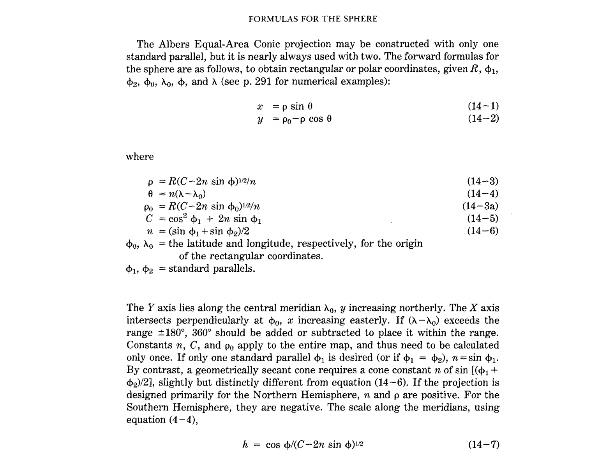
φ (Rad) | λ (Rad) | ρ | θ | x | y | front allo | front qual | pre-R | inter-r | LBV | ai | BUV | oi | pre-L | ^ | fric | unstress
 |  |  |  |  |  | list | ? |  |  | ?
 |  |  |  |  |  | Ch 10 | Ch 10-11
 |  |  |  |  |  | "12-14"
 |  |  |  |  |  | List | ?
...
 |  |  |  |  |  | lax | lax | old.b | n/a | n/a | Bmid | back1 | oi | fill | fr | th
 |  |  |  |  |  | latino | OP | new.b | marry | father.2D | Blow | back2 | Ci | fell | shut.fr | t-d
 |  |  |  |  |  | pa | /æ/up | cord.b | hurry | NYC | BCR | front | oe | pull | roof.fr | f-v
 |  |  |  |  |  | NY2 | /E/up | chair.b | mirror | alm.m.o | Ba:1 | west | curl | goal | bck
 |  |  |  |  |  | NY3 | /I/up | thur.b | murray | alm.m.)o | Ba:2 | central | ai-oi | salary | shut.bck
 |  |  |  |  |  | OH | /æ/down | poor.b |  | aunt.m | Ba:3 | low.B |  |  | roof.bck
 |  |  |  |  |  | South.pn | /E/down |  |  | bath1 | Fmid | CR.B |  |  | rather?
 |  |  |  |  |  | cont.pn | /I/down |  |  | bath2 | Flow | low.F
 |  |  |  |  |  | South | back /æ/ |  |  | Canada | FCR | CR.F
 |  |  |  |  |  | cont | /ei/ down |  |  | US.3Ma | Fa:1 | 1/2mon
 |  |  |  |  |  | cont.g | /ii/ down |  |  | US.3Mo | Fa:2 | mono
 |  |  |  |  |  | nas |  |  |  | US.3a | Fa:3
 |  |  |  |  |  | radish
 |  |  |  |  |  | afraid
 |  |  |  |  |  | bleat
 |  |  |  |  |  | creak
 |  |  |  |  |  | catch
 |  |  |  |  |  | deaf
...
 |  |  |  |  |  |  |  |  |  |  |  |  |  |  |  |  | 80,90 | 80,70
 |  |  |  |  |  |  |  |  |  |  |  |  |  |  |  |  | 90,90 | 90,80
...
 | Map |  | Coordinates
-0.1279 | 0.2335 | 0.8802 | 2.6032
-0.0946 | 0.2198 | 0.6912 | 2.7093
0.0079 | 0.1845 | 0.4896 | 2.7890
0.0317 | 0.1741 | 0.2792 | 2.8409
0.0264 | 0.1232 | 0.0637 | 2.8641
0.0361 | 0.0540 | -0.1530 | 2.8580
0.0374 | 0.1456 | -0.3669 | 2.8229
0.2794 | 0.4038 | -0.5741 | 2.7594
0.2595 | 0.3859 | -0.7709 | 2.6686
0.3272 | 0.3960 | -0.9538 | 2.5522
0.3173 | 0.4297 | -1.1193 | 2.4123
0.2044 | 0.3351 | -1.2645 | 2.2514
-0.0240 | 0.1626 | -1.3868 | 2.0724
-0.0068 | 0.1816 | -1.4839 | 1.8786
-0.0068 | 0.1306 | -1.5541 | 1.6736
0.0134 | 0.1166 | -1.5961 | 1.4609
0.0670 | 0.1087 | -1.6092 | 1.2445
0.0222 | 0.0796 | -1.5930 | 1.0284
0.0527 | 0.0908 | -1.5480 | 0.8164
0.0553 | 0.0771 | -1.4749 | 0.6123
0.0485 | 0.0578 | -1.3750 | 0.4200
0.0241 | 0.0490 | -1.2501 | 0.2428
0.2595 | 0.4377 | -1.1026 | 0.0840
-0.2777 | 0.3481 | -0.9351 | -0.0536
-0.1676 | 0.2317 | -0.7506 | -0.1674
-0.1610 | 0.2284 | -0.5525 | -0.2553
-0.1129 | 0.2348 | -0.3444 | -0.3159
-0.0944 | 0.2317 | -0.1300 | -0.3479
-0.1516 | 0.2252 | 0.0867 | -0.3508
-0.0762 | 0.2209 | 0.3019 | -0.3246
-0.0489 | 0.1748 | 0.5116 | -0.2697
-0.1546 | 0.2034 | 0.7120 | -0.1871
-0.1337 | 0.2088 | 0.8994 | -0.0783
-0.1370 | 0.1953 | 1.0706 | 0.0547
-0.1463 | 0.1608 | 1.2224 | 0.2095
-0.1425 | 0.1515 | 1.3519 | 0.3832
-0.1312 | 0.1952 | 1.4570 | 0.5728
-0.1229 | 0.1419 | 0.8002 | 2.4807
-0.0791 | 0.1871 | 0.6283 | 2.5771
-0.0738 | 0.1521 | 0.4451 | 2.6496
-0.0411 | 0.1384 | 0.2538 | 2.6968
0.0123 | 0.1594 | 0.0579 | 2.7178
-0.0288 | 0.1198 | -0.1391 | 2.7123
-0.0281 | 0.1781 | -0.3335 | 2.6804
-0.0104 | 0.1589 | -0.5219 | 2.6227
0.0384 | 0.1089 | -0.7008 | 2.5401
0.0532 | 0.0719 | -0.8670 | 2.4343
0.0553 | 0.0771 | -1.0175 | 2.3071
0.0527 | 0.0908 | -1.1495 | 2.1608
0.0241 | 0.0490 | -1.2607 | 1.9981
...
...
 |  |  |  |  |  |  |  |  |  |  |  |  |  |  |  |  |  |  | 86.46 | 36.09
 |  |  |  |  |  |  |  |  |  |  |  |  |  |  |  |  |  |  | 89.15 | 35.35
 |  |  |  |  |  |  |  |  |  |  |  |  |  |  |  |  |  |  | 96.33 | 33.49
 |  |  |  |  |  |  |  |  |  |  |  |  |  |  |  |  |  |  | 97.7 | 33.12
 |  |  |  |  |  |  |  |  |  |  |  |  |  |  |  |  |  |  | 97.44 | 30.16
 |  |  |  |  |  |  |  |  |  |  |  |  |  |  |  |  |  |  | 98.14 | 26.12
 |  |  |  |  |  |  |  |  |  |  |  |  |  |  |  |  |  |  | 97.9 | 31.33
 |  |  |  |  |  |  |  |  |  |  |  |  |  |  |  |  |  |  | 119.3 | 43.35
 |  |  |  |  |  |  |  |  |  |  |  |  |  |  |  |  |  |  | 117.3 | 42.58
 |  |  |  |  |  |  |  |  |  |  |  |  |  |  |  |  |  |  | 122.58 | 42.18
 |  |  |  |  |  |  |  |  |  |  |  |  |  |  |  |  |  |  | 123.12 | 44.13
 |  |  |  |  |  |  |  |  |  |  |  |  |  |  |  |  |  |  | 112.12 | 41.01
 |  |  |  |  |  |  |  |  |  |  |  |  |  |  |  |  |  |  | 94.22 | 32.33
 |  |  |  |  |  |  |  |  |  |  |  |  |  |  |  |  |  |  | 95.32 | 33.39
 |  |  |  |  |  |  |  |  |  |  |  |  |  |  |  |  |  |  | 95.33 | 30.43
 |  |  |  |  |  |  |  |  |  |  |  |  |  |  |  |  |  |  | 96.52 | 29.54
 |  |  |  |  |  |  |  |  |  |  |  |  |  |  |  |  |  |  | 99.8 | 29.2
 |  |  |  |  |  |  |  |  |  |  |  |  |  |  |  |  |  |  | 97.24 | 27.44
 |  |  |  |  |  |  |  |  |  |  |  |  |  |  |  |  |  |  | 99.21 | 28.2
 |  |  |  |  |  |  |  |  |  |  |  |  |  |  |  |  |  |  | 99.29 | 27.31
 |  |  |  |  |  |  |  |  |  |  |  |  |  |  |  |  |  |  | 99 | 26.24
 |  |  |  |  |  |  |  |  |  |  |  |  |  |  |  |  |  |  | 97.29 | 25.55
 |  |  |  |  |  |  |  |  |  |  |  |  |  |  |  |  |  |  | 118.47 | 45.4
 |  |  |  |  |  |  |  |  |  |  |  |  |  |  |  |  |  |  | 73.59 | 40.41
 |  |  |  |  |  |  |  |  |  |  |  |  |  |  |  |  |  |  | 83.58 | 35.44
 |  |  |  |  |  |  |  |  |  |  |  |  |  |  |  |  |  |  | 84.28 | 35.36
 |  |  |  |  |  |  |  |  |  |  |  |  |  |  |  |  |  |  | 87.5 | 36.19
 |  |  |  |  |  |  |  |  |  |  |  |  |  |  |  |  |  |  | 89.11 | 36.15
 |  |  |  |  |  |  |  |  |  |  |  |  |  |  |  |  |  |  | 85.1 | 35.3
 |  |  |  |  |  |  |  |  |  |  |  |  |  |  |  |  |  |  | 90.33 | 35.44
 |  |  |  |  |  |  |  |  |  |  |  |  |  |  |  |  |  |  | 92.39 | 33.12
 |  |  |  |  |  |  |  |  |  |  |  |  |  |  |  |  |  |  | 85.11 | 34.15
 |  |  |  |  |  |  |  |  |  |  |  |  |  |  |  |  |  |  | 86.35 | 34.43
 |  |  |  |  |  |  |  |  |  |  |  |  |  |  |  |  |  |  | 86.28 | 33.56
 |  |  |  |  |  |  |  |  |  |  |  |  |  |  |  |  |  |  | 86.09 | 31.54
 |  |  |  |  |  |  |  |  |  |  |  |  |  |  |  |  |  |  | 86.29 | 31.24
 |  |  |  |  |  |  |  |  |  |  |  |  |  |  |  |  |  |  | 86.52 | 33.58
...
 |  |  |  |  | 0.2796 | cont |  |  |  |  |  |  |  |  |  |  |  |  | 72.4 | 41.45
 |  |  |  |  | 0.3073 | cont |  |  |  |  |  |  |  |  |  |  |  |  | 72.55 | 41.18
 |  |  |  |  | 0.2802 | cont |  |  |  |  |  |  |  |  |  |  |  |  | 73.11 | 41.11
 |  |  |  |  | 0.3065 | cont |  |  |  |  |  |  |  |  |  |  |  |  | 77 | 38.54
 |  |  |  |  | 0.3715 | nas |  |  |  |  |  |  |  |  |  |  |  |  | 75.32 | 39.44
 |  |  |  |  | 0.3628 | nas |  |  |  |  |  |  |  |  |  |  |  |  | 81.39 | 30.2
 |  |  |  |  | 0.3597 | nas |  |  |  |  |  |  |  |  |  |  |  |  | 80.2 | 25.78
 |  |  |  |  | 0.3066 |  |  |  |  |  |  |  |  |  |  |  |  |  | 81.22 | 28.32
 |  |  |  |  | 0.3260 | pa |  |  |  |  |  |  |  |  |  |  |  |  | 87.12 | 30.26
 |  |  |  |  | 0.1450 |  |  |  |  |  |  |  |  |  |  |  |  |  | 82.27 | 27.56
 |  |  | Coordinates
0.8802 | 2.6032 | 0.8802 | 2.6032
0.6912 | 2.7093 | 0.6912 | 2.7093
0.4896 | 2.7890 | 0.4896 | 2.7890
0.2792 | 2.8409 | 0.2792 | 2.8409
0.0637 | 2.8641 | 0.0637 | 2.8641
-0.1530 | 2.8580 | -0.1530 | 2.8580
-0.3669 | 2.8229 | -0.3669 | 2.8229
-0.5741 | 2.7594 | -0.5741 | 2.7594
-0.7709 | 2.6686 | -0.7709 | 2.6686
-0.9538 | 2.5522 | -0.9538 | 2.5522
-1.1193 | 2.4123 | -1.1193 | 2.4123
-1.2645 | 2.2514 | -1.2645 | 2.2514
-1.3868 | 2.0724 | -1.3868 | 2.0724
-1.4839 | 1.8786 | -1.4839 | 1.8786
-1.5541 | 1.6736 | -1.5541 | 1.6736
-1.5961 | 1.4609 | -1.5961 | 1.4609
-1.6092 | 1.2445 | -1.6092 | 1.2445
-1.5930 | 1.0284 | -1.5930 | 1.0284
-1.5480 | 0.8164 | -1.5480 | 0.8164
-1.4749 | 0.6123 | -1.4749 | 0.6123
-1.3750 | 0.4200 | -1.3750 | 0.4200
-1.2501 | 0.2428 | -1.2501 | 0.2428
-1.1026 | 0.0840 | -1.1026 | 0.0840
-0.9351 | -0.0536 | -0.9351 | -0.0536
-0.7506 | -0.1674 | -0.7506 | -0.1674
-0.5525 | -0.2553 | -0.5525 | -0.2553
-0.3444 | -0.3159 | -0.3444 | -0.3159
-0.1300 | -0.3479 | -0.1300 | -0.3479
0.0867 | -0.3508 | 0.0867 | -0.3508
0.3019 | -0.3246 | 0.3019 | -0.3246
0.5116 | -0.2697 | 0.5116 | -0.2697
0.7120 | -0.1871 | 0.7120 | -0.1871
0.8994 | -0.0783 | 0.8994 | -0.0783
1.0706 | 0.0547 | 1.0706 | 0.0547
1.2224 | 0.2095 | 1.2224 | 0.2095
1.3519 | 0.3832 | 1.3519 | 0.3832
1.4570 | 0.5728 | 1.4570 | 0.5728
0.8002 | 2.4807 | 0.8002 | 2.4807
0.6283 | 2.5771 | 0.6283 | 2.5771
0.4451 | 2.6496 | 0.4451 | 2.6496
0.2538 | 2.6968 | 0.2538 | 2.6968
0.0579 | 2.7178 | 0.0579 | 2.7178
-0.1391 | 2.7123 | -0.1391 | 2.7123
-0.3335 | 2.6804 | -0.3335 | 2.6804
-0.5219 | 2.6227 | -0.5219 | 2.6227
-0.7008 | 2.5401 | -0.7008 | 2.5401
-0.8670 | 2.4343 | -0.8670 | 2.4343
-1.0175 | 2.3071 | -1.0175 | 2.3071
-1.1495 | 2.1608 | -1.1495 | 2.1608
-1.2607 | 1.9981 | -1.2607 | 1.9981
...
 |  |  |  |  | 0.0819 |  |  |  |  |  |  |  |  |  |  |  |  |  | 80.03 | 26.42
 |  |  |  |  | 0.1156 |  |  |  |  |  |  |  |  |  |  |  |  |  | 80.9 | 26.8
 |  |  |  |  | 0.1335 |  |  |  |  |  |  |  |  |  |  |  |  |  | 84.15 | 30.27
 |  |  |  |  | 0.1023 |  |  |  |  |  |  |  |  |  |  |  |  |  | 84.23 | 33.44
 |  |  |  |  | 0.0894 |  |  |  |  |  |  |  |  |  |  |  |  |  | 81.58 | 33.28
 |  |  |  |  | 0.0951 |  |  |  |  |  |  |  |  |  |  |  |  |  | 83.39 | 32.5
 |  |  |  |  | 0.1401 |  |  |  |  |  |  |  |  |  |  |  |  |  | 84.56 | 32.29
 |  |  |  |  | 0.1961 |  |  |  |  |  |  |  |  |  |  |  |  |  | 81.05 | 32.04
 |  |  |  |  | 0.1976 |  |  |  |  |  |  |  |  |  |  |  |  |  | 90.35 | 41.32
 |  |  |  |  | 0.1823 |  |  |  |  |  |  |  |  |  |  |  |  |  | 93.37 | 41.35
 |  |  |  |  | 0.1733 |  |  |  |  |  |  |  |  |  |  |  |  |  | 93.12 | 43.8
 |  |  |  |  | 0.1762 |  |  |  |  |  |  |  |  |  |  |  |  |  | 96.23 | 42.29
 |  |  |  |  | 0.3244 |  |  |  |  |  |  |  |  |  |  |  |  |  | 116.12 | 43.36
 |  |  |  |  | 0.3233 |  |  |  |  |  |  |  |  |  |  |  |  |  | 112.2 | 43.3
 |  |  |  |  | 0.3735 |  |  |  |  |  |  |  |  |  |  |  |  |  | 87.37 | 41.52
 |  |  |  |  | 0.3392 |  |  |  |  |  |  |  |  |  |  |  |  |  | 89.05 | 42.16
 |  |  |  |  | 0.3926 | Cont |  |  |  |  |  |  |  |  |  |  |  |  | 89.35 | 40.41
 |  |  |  |  | 0.3794 |  |  |  |  |  |  |  |  |  |  |  |  |  | 89.39 | 39.47
 |  |  |  |  | 0.3340 |  |  |  |  |  |  |  |  |  |  |  |  |  | 85.08 | 41.04
 |  |  |  |  | 0.3393 |  |  |  |  |  |  |  |  |  |  |  |  |  | 86.09 | 39.46
 |  |  |  |  | 0.3101 |  |  |  |  |  |  |  |  |  |  |  |  |  | 86.15 | 41.4
 |  |  |  |  | 0.2939 |  |  |  |  |  |  |  |  |  |  |  |  |  | 87.33 | 37.58
 |  |  |  |  | 0.3237 |  |  |  |  |  |  |  |  |  |  |  |  |  | 87.2 | 41.35
 |  |  |  |  | 0.2987 |  |  |  |  |  |  |  |  |  |  |  |  |  | 87.23 | 39.28
 |  |  |  |  | 0.3325 |  |  |  |  |  |  |  |  |  |  |  |  |  | 97.2 | 37
 |  |  |  |  | 0.2644 |  |  |  |  |  |  |  |  |  |  |  |  |  | 84.29 | 38.01
 |  |  |  |  | 0.3292 |  |  |  |  |  |  |  |  |  |  |  |  |  | 85.45 | 38.15
 |  |  |  |  | 0.2913 |  |  |  |  |  |  |  |  |  |  |  |  |  | 91.1 | 30.29
 |  |  |  |  | 0.2529 |  |  |  |  |  |  |  |  |  |  |  |  |  | 90.08 | 29.95
 |  |  |  |  | 0.2708 |  |  |  |  |  |  |  |  |  |  |  |  |  | 93.44 | 32.3
 |  |  |  |  | 0.2724 |  |  |  |  |  |  |  |  |  |  |  |  |  | 72.35 | 42.06
 |  |  |  |  | 0.1289 |  |  |  |  |  |  |  |  |  |  |  |  |  | 71.03 | 42.21
 |  |  |  |  | 0.1317 |  |  |  |  |  |  |  |  |  |  |  |  |  | 71.47 | 42.16
 |  |  |  |  | 0.1620 |  |  |  |  |  |  |  |  |  |  |  |  |  | 76.36 | 39.17
 |  |  |  |  | 0.3779 |  |  |  |  |  |  |  |  |  |  |  |  |  | 68.46 | 44.48
 |  |  |  |  | 0.3883 |  |  |  |  |  |  |  |  |  |  |  |  |  | 70.15 | 43.39
 |  |  |  |  | 0.3840 |  |  |  |  |  |  |  |  |  |  |  |  |  | 83.44 | 42.16
 |  |  |  |  | 0.3145 |  |  |  |  |  |  |  |  |  |  |  |  |  | 83.02 | 42.19
 |  |  |  |  | 0.4398 |  |  |  |  |  |  |  |  |  |  |  |  |  | 83.41 | 43.01
 |  |  |  |  | 0.4139 |  |  |  |  |  |  |  |  |  |  |  |  |  | 85.39 | 42.57
 |  |  |  |  | 0.3479 |  |  |  |  |  |  |  |  |  |  |  |  |  | 84.32 | 42.44
 |  |  |  |  | 0.3503 |  |  |  |  |  |  |  |  |  |  |  |  |  | 93.16 | 44.58
 |  |  |  |  | 0.3615 |  |  |  |  |  |  |  |  |  |  |  |  |  | 92.05 | 46.47
 |  |  |  |  | 0.3565 |  |  |  |  |  |  |  |  |  |  |  |  |  | 94.37 | 43.58
 |  |  |  |  | 0.3546 |  |  |  |  |  |  |  |  |  |  |  |  |  | 92.52 | 47.29
 |  |  |  |  | 0.3852 |  |  |  |  |  |  |  |  |  |  |  |  |  | 94.34 | 39.05
 |  |  |  |  | 0.4191 |  |  |  |  |  |  |  |  |  |  |  |  |  | 93.17 | 37.12
 |  |  |  |  | 0.3665 |  |  |  |  |  |  |  |  |  |  |  |  |  | 90.11 | 38.37
 |  |  |  |  | 0.4316 |  |  |  |  |  |  |  |  |  |  |  |  |  | 94.5 | 39.45
 |  |  |  |  | 0.2780 |  |  |  |  |  |  |  |  |  |  |  |  |  | 108.3 | 45.47
 |  |  |  |  | 0.2449 |  |  |  |  |  |  |  |  |  |  |  |  |  | 114 | 46.51
 |  |  |  |  | 0.2726 |  |  |  |  |  |  |  |  |  |  |  |  |  | 111.17 | 47.3
 |  |  |  |  | 0.2899 |  |  |  |  |  |  |  |  |  |  |  |  |  | 105.45 | 47.1
 |  |  |  |  | 0.4116 |  |  |  |  |  |  |  |  |  |  |  |  |  | 82.33 | 35.35
 |  |  |  |  | 0.4438 |  |  |  |  |  |  |  |  |  |  |  |  |  | 80.5 | 35.13
 |  |  |  |  | 0.4487 |  |  |  |  |  |  |  |  |  |  |  |  |  | 78.52 | 35.3
 |  |  |  |  | 0.4323 |  |  |  |  |  |  |  |  |  |  |  |  |  | 78.38 | 35.46
 |  |  |  |  | 0.2325 |  |  |  |  |  |  |  |  |  |  |  |  |  | 78.54 | 35.59
 |  |  |  |  | 0.2309 |  |  |  |  |  |  |  |  |  |  |  |  |  | 79.49 | 36.4
 |  |  |  |  | 0.2417 |  |  |  |  |  |  |  |  |  |  |  |  |  | 100.47 | 46.48
 |  |  |  |  | 1.0320 |  |  |  |  |  |  |  |  |  |  |  |  |  | 96.47 | 46.52
 |  |  |  |  | 0.2499 |  |  |  |  |  |  |  |  |  |  |  |  |  | 101.17 | 48.13
 |  |  |  |  | 0.2590 |  |  |  |  |  |  |  |  |  |  |  |  |  | 96.4 | 40.48
 |  |  |  |  | 0.4201 |  |  |  |  |  |  |  |  |  |  |  |  |  | 95.56 | 41.15
...

Lambert
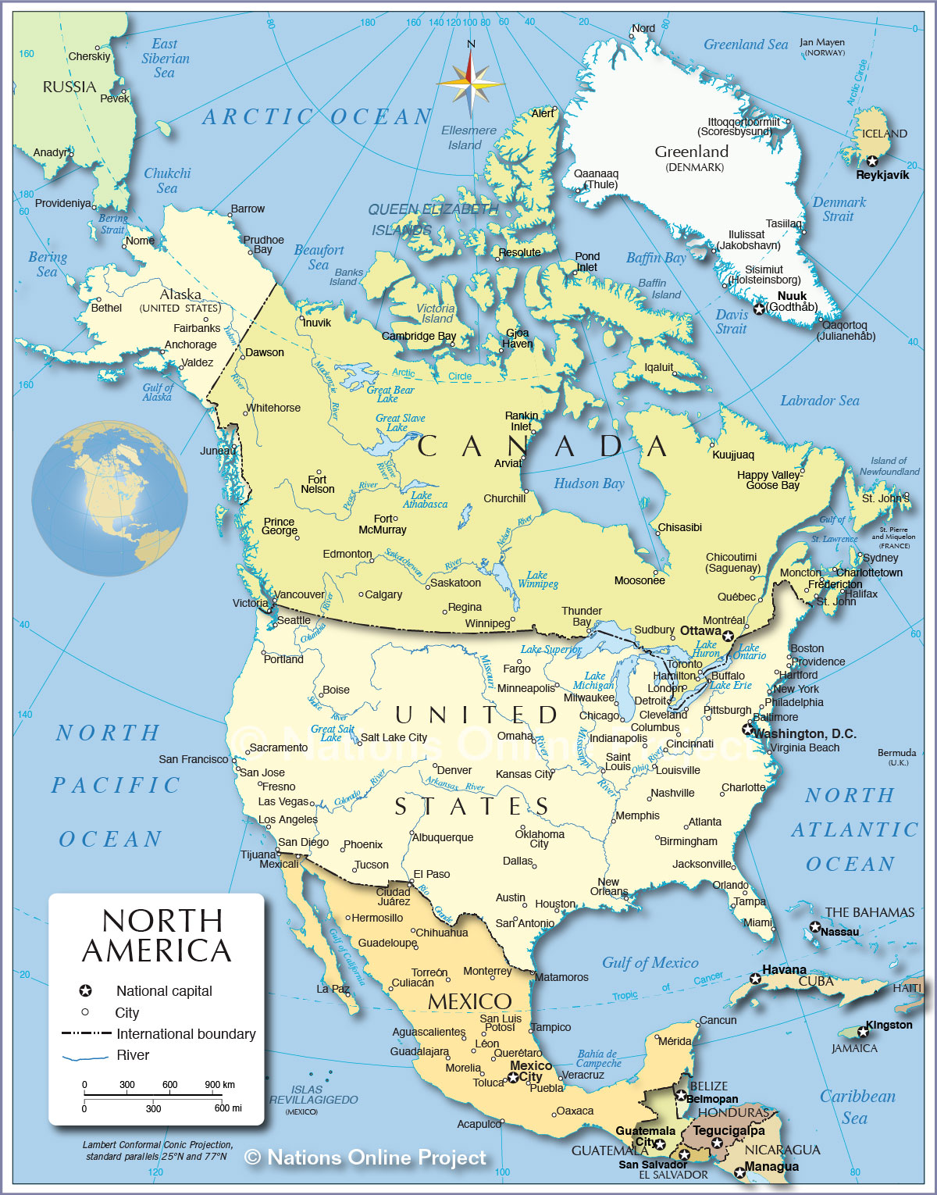
θ | x | y |  |  | front allo | front qual | pre-R | inter-r | LBV | ai | BUV | oi | pre-L | ^ | fric | unstress
 |  |  |  |  | list | ? |  |  | ?
 |  | Deg+Min | Deg as dec | Radians | Ch 10 | Ch 10-11
 | a |  | 0 | 0.00 | "12-14"
 | e | 0.08222719 | 0.08222719 | 0.08 | List | ?
 | φ１ | 25.0 | 25.0 | 0.4363
 | φ２ | 77.0 | 77.0 | 1.3439 | lax | lax | old.b | n/a | n/a | Bmid | back1 | oi | fill | fr | th
 | φ０ | 25.0 | 25.0 | 0.44 | latino | OP | new.b | marry | father.2D | Blow | back2 | Ci | fell | shut.fr | t-d
 | λ０ | 100.0 | 100.0 | 1.75 | pa | /æ/up | cord.b | hurry | NYC | BCR | front | oe | pull | roof.fr | f-v
 | φ | 40.0 | 40.0 | 0.6981 | NY2 | /E/up | chair.b | mirror | alm.m.o | Ba:1 | west | curl | goal | bck
 | λ | 77.0 | 77.0 | 1.3439 | NY3 | /I/up | thur.b | murray | alm.m.)o | Ba:2 | central | ai-oi | salary | shut.bck
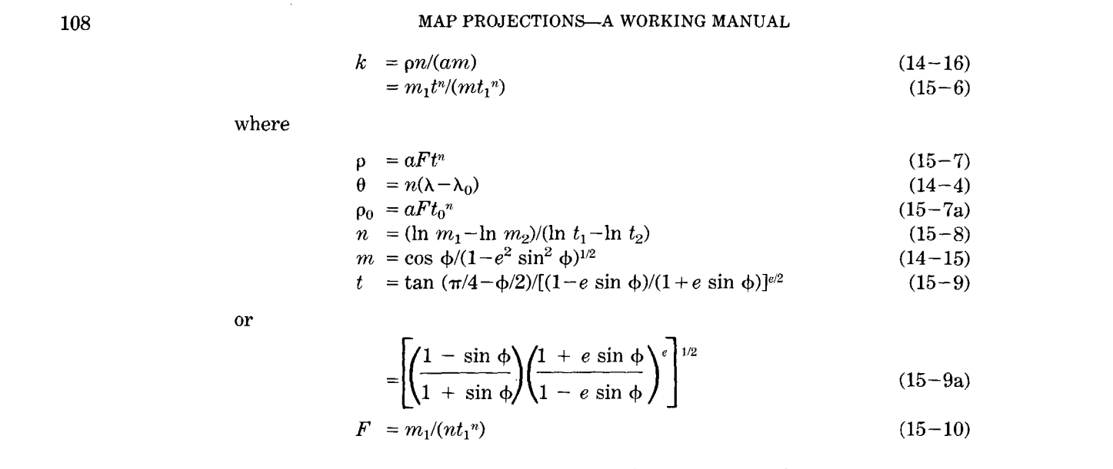
 | R | 6378206.4 | 6378206.4 | 6378206.4 | OH | /æ/down | poor.b |  | aunt.m | Ba:3 | low.B |  |  | roof.bck
 |  |  |  |  | South.pn | /E/down |  |  | bath1 | Fmid | CR.B |  |  | rather?
 | ρ | 2554321.7217 |  | 0.7853981634 | cont.pn | /I/down |  |  | bath2 | Flow | low.F
 | ρ０ | 3999189.9397 |  |  | South | back /æ/ |  |  | Canada | FCR | CR.F
 | F | 0.213150 |  |  | cont | /ei/ down |  |  | US.3Ma | Fa:1 | 1/2mon
 | n | 1.4463208 |  |  | cont.g | /ii/ down |  |  | US.3Mo | Fa:2 | mono
 | θ | 33.265378809 |  |  | nas |  |  |  | US.3a | Fa:3
 | x | 1401090.62 |  |  | radish
 | y | 1863422.0373 |  |  | afraid
 | m1 | 0.90685551725 |  |  | bleat
 | m2 | 0.22567654836 |  |  | creak
 | t1 | 2.1085643066 |  |  | catch
 | t2 | 0.80600877297 |  |  | deaf
 | t0 | 2.1085643066
 | t | 1.5465781842
...
θ | x | y |  |  | front allo | front qual | pre-R | inter-r | LBV | ai | BUV | oi | pre-L | ^ | fric | unstress
 |  |  |  |  |  |  |  |  |  |  |  |  |  |  |  | 80,90 | 80,70
 |  |  |  |  |  |  |  |  |  |  |  |  |  |  |  | 90,90 | 90,80
...
 |  |  |  |  |  |  | Line |  | Line2 |  | Line3
646458.2080 | 2135993.2662 | 2773506.3941 | 1222761.0397 | 646458.2080 | 6378206.4 | 790614.7867 | 3207742.0644
532914.9439 | 2083786.6988 | 1992172.9655 | 618044.8630 | 532914.9439 |  | 567888.1461 | 3035361.8773
177344.8100 | 1967967.5300 | 1084568.5199 | 227637.7022 | 177344.8100 |  | 309166.7324 | 2924072.5452
95005.9122 | 1944016.5825 | 108220.2591 | 76284.9536 | 95005.9122 |  | 30849.2301 | 2880927.9823
123042.2787 | 1854271.3912 | -874987.3872 | 173579.8933 | 123042.2787 |  | -249423.6062 | 2908662.8447
102172.7372 | 1713956.2115 | -1802735.2168 | 513355.6217 | 102172.7372 |  | -513887.0861 | 3005519.1979
79792.1942 | 1892893.3668 | -2616219.2684 | 1074075.9429 | 79792.1942 |  | -745778.5724 | 3165357.9414
-841758.6531 | 2429530.8761 | -3263878.0259 | 1820200.4063 | -841758.6531 |  | -930399.9569 | 3378047.9265
-767709.6274 | 2375866.0841 | -3704660.5707 | 2704436.9862 | -767709.6274 |  | -1056049.2787 | 3630108.1044
-992729.5811 | 2483410.0981 | -3910628.5353 | 3670739.6191 | -992729.5811 |  | -1114762.4365 | 3905562.0033
-976126.9938 | 2527474.4272 | -3868726.9368 | 4657860.6031 | -976126.9938 |  | -1102817.9811 | 4186950.3743
-558819.9222 | 2242367.0655 | -3581611.6476 | 5603232.6947 | -558819.9222 |  | -1020972.9947 | 4456437.8204
294185.3790 | 1943143.5120 | -3067481.0573 | 6446934.8442 | 294185.3790 |  | -874415.1040 | 4696943.2673
230145.4838 | 1968216.3427 | -2358922.5936 | 7135490.2046 | 230145.4838 |  | -672433.6700 | 4893222.6235
239212.0521 | 1878637.8550 | -1500847.2152 | 7625255.6852 | 239212.0521 |  | -427830.9953 | 5032835.0044
170521.3476 | 1845479.2132 | -547642.7955 | 7885188.2056 | 170521.3476 |  | -156110.8685 | 5106931.2800
-18152.8376 | 1820083.0630 | 440273.1749 | 7898812.3170 | -18152.8376 |  | 125504.1211 | 5110814.9646
146474.5894 | 1770638.1740 | 1400283.0635 | 7665264.4747 | 146474.5894 |  | 399164.2125 | 5044239.8963
36305.3138 | 1786727.7523 | 2271538.0249 | 7199347.7727 | 36305.3138 |  | 647523.8546 | 4911425.8401
29410.8458 | 1758729.8010 | 2998814.8167 | 6530593.6707 | 29410.8458 |  | 854841.1289 | 4720791.0239
57555.6399 | 1719616.3203 | 3536016.0461 | 5701390.1853 | 57555.6399 |  | 1007975.5281 | 4484418.5612
146063.3702 | 1706145.7754 | 3849091.9859 | 4764295.1865 | 146063.3702 |  | 1097220.8487 | 4217290.5804
-790871.2948 | 2457800.8625 | 3918198.7681 | 3778705.0924 | -790871.2948 |  | 1116920.4045 | 3936338.6043
1130902.1495 | 2532446.0769 | 3738956.1589 | 2807090.1131 | 1130902.1495 |  | 1065825.5674 | 3659370.3697
781059.0142 | 2175482.3275 | 3322725.1930 | 1911034.6662 | 781059.0142 |  | 947174.9103 | 3403941.1096
759380.0158 | 2162381.9226 | 2695888.0714 | 1147333.9369 | 759380.0158 |  | 768488.9342 | 3186240.8402
594947.5796 | 2123873.3588 | 1898175.9632 | 564393.9971 | 594947.5796 |  | 541093.3927 | 3020068.1798
531232.0204 | 2102818.0367 | 980150.7027 | 199163.6563 | 531232.0204 |  | 279401.4250 | 2915955.7434
727840.4581 | 2146619.2781 | 0.0000 | 74792.5140 | 727840.4581 |  | 0.0000 | 2880502.5480
468783.7634 | 2071443.9964 | -980150.7027 | 199163.6563 | 468783.7634 |  | -279401.4250 | 2915955.7434
379530.6123 | 1977131.5415 | -1898175.9632 | 564393.9971 | 379530.6123 |  | -541093.3927 | 3020068.1798
740499.3623 | 2112999.7754 | -2695888.0714 | 1147333.9369 | 740499.3623 |  | -768488.9342 | 3186240.8402
668861.9315 | 2100871.4891 | -3322725.1930 | 1911034.6662 | 668861.9315 |  | -947174.9103 | 3403941.1096
681835.4589 | 2081060.5162 | -3738956.1589 | 2807090.1131 | 681835.4589 |  | -1065825.5674 | 3659370.3697
718276.9956 | 2029115.4500 | -3918198.7681 | 3778705.0924 | 718276.9956 |  | -1116920.4045 | 3936338.6043
707052.2035 | 2008529.0258 | -3849091.9859 | 4764295.1865 | 707052.2035 |  | -1097220.8487 | 4217290.5804
662050.7484 | 2075385.2440 | -3536016.0461 | 5701390.1853 | 662050.7484 |  | -1007975.5281 | 4484418.5612
641796.1909 | 1972654.2815 | 1791492.4394 | 2205809.7645 | 641796.1909
483425.3403 | 2017771.0317 | 1286805.3283 | 1815205.1273 | 483425.3403
470284.7921 | 1953134.1053 | 700555.9128 | 1563029.2253 | 470284.7921
358595.5508 | 1908732.2754 | 69902.7687 | 1465265.8650 | 358595.5508
166438.5652 | 1923682.2876 | -565181.0618 | 1528111.6364 | 166438.5652
318679.8293 | 1867964.4543 | -1164441.7039 | 1747583.1508 | 318679.8293
305797.4530 | 1971617.9632 | -1689895.8839 | 2109769.5219 | 305797.4530
246563.0935 | 1930745.8981 | -2108238.4447 | 2591714.0878 | 246563.0935
83479.3263 | 1824586.1290 | -2392953.3450 | 3162869.4855 | 83479.3263
38071.5098 | 1748364.1597 | -2525994.3404 | 3787033.8519 | 38071.5098
29410.8458 | 1758729.8010 | -2498928.8189 | 4424645.4267 | 29410.8458
36305.3138 | 1786727.7523 | -2313472.2896 | 5035290.1175 | 36305.3138
146063.3702 | 1706145.7754 | -1981379.6478 | 5580263.0894 | 146063.3702
...
...
 |  |  |  |  |  |  |  |  |  |  |  |  |  |  |  |  |  | 86.46 | 36.09
 |  |  |  |  |  |  |  |  |  |  |  |  |  |  |  |  |  | 89.15 | 35.35
 |  |  |  |  |  |  |  |  |  |  |  |  |  |  |  |  |  | 96.33 | 33.49
 |  |  |  |  |  |  |  |  |  |  |  |  |  |  |  |  |  | 97.7 | 33.12
 | 646458.2080 | 2135993.2662 |  |  |  |  |  |  |  |  |  |  |  |  |  |  |  | 97.44 | 30.16
 | 532914.9439 | 2083786.6988 |  |  |  |  |  |  |  |  |  |  |  |  |  |  |  | 98.14 | 26.12
 | 177344.8100 | 1967967.5300 |  |  |  |  |  |  |  |  |  |  |  |  |  |  |  | 97.9 | 31.33
 | 95005.9122 | 1944016.5825 |  |  |  |  |  |  |  |  |  |  |  |  |  |  |  | 119.3 | 43.35
 | 123042.2787 | 1854271.3912 |  |  |  |  |  |  |  |  |  |  |  |  |  |  |  | 117.3 | 42.58
 | 102172.7372 | 1713956.2115 |  |  |  |  |  |  |  |  |  |  |  |  |  |  |  | 122.58 | 42.18
 | 79792.1942 | 1892893.3668 |  |  |  |  |  |  |  |  |  |  |  |  |  |  |  | 123.12 | 44.13
 | -841758.6531 | 2429530.8761 |  |  |  |  |  |  |  |  |  |  |  |  |  |  |  | 112.12 | 41.01
 | -767709.6274 | 2375866.0841 |  |  |  |  |  |  |  |  |  |  |  |  |  |  |  | 94.22 | 32.33
 | -992729.5811 | 2483410.0981 |  |  |  |  |  |  |  |  |  |  |  |  |  |  |  | 95.32 | 33.39
 | -976126.9938 | 2527474.4272 |  |  |  |  |  |  |  |  |  |  |  |  |  |  |  | 95.33 | 30.43
 | -558819.9222 | 2242367.0655 |  |  |  |  |  |  |  |  |  |  |  |  |  |  |  | 96.52 | 29.54
 | 294185.3790 | 1943143.5120 |  |  |  |  |  |  |  |  |  |  |  |  |  |  |  | 99.8 | 29.2
 | 230145.4838 | 1968216.3427 |  |  |  |  |  |  |  |  |  |  |  |  |  |  |  | 97.24 | 27.44
 | 239212.0521 | 1878637.8550 |  |  |  |  |  |  |  |  |  |  |  |  |  |  |  | 99.21 | 28.2
 | 170521.3476 | 1845479.2132 |  |  |  |  |  |  |  |  |  |  |  |  |  |  |  | 99.29 | 27.31
 | -18152.8376 | 1820083.0630 |  |  |  |  |  |  |  |  |  |  |  |  |  |  |  | 99 | 26.24
 | 146474.5894 | 1770638.1740 |  |  |  |  |  |  |  |  |  |  |  |  |  |  |  | 97.29 | 25.55
 | 36305.3138 | 1786727.7523 |  |  |  |  |  |  |  |  |  |  |  |  |  |  |  | 118.47 | 45.4
 | 29410.8458 | 1758729.8010 |  |  |  |  |  |  |  |  |  |  |  |  |  |  |  | 73.59 | 40.41
 | 57555.6399 | 1719616.3203 |  |  |  |  |  |  |  |  |  |  |  |  |  |  |  | 83.58 | 35.44
 | 146063.3702 | 1706145.7754 |  |  |  |  |  |  |  |  |  |  |  |  |  |  |  | 84.28 | 35.36
 | -790871.2948 | 2457800.8625 |  |  |  |  |  |  |  |  |  |  |  |  |  |  |  | 87.5 | 36.19
 | 1130902.1495 | 2532446.0769 |  |  |  |  |  |  |  |  |  |  |  |  |  |  |  | 89.11 | 36.15
 | 781059.0142 | 2175482.3275 |  |  |  |  |  |  |  |  |  |  |  |  |  |  |  | 85.1 | 35.3
 | 759380.0158 | 2162381.9226 |  |  |  |  |  |  |  |  |  |  |  |  |  |  |  | 90.33 | 35.44
 | 594947.5796 | 2123873.3588 |  |  |  |  |  |  |  |  |  |  |  |  |  |  |  | 92.39 | 33.12
 | 531232.0204 | 2102818.0367 |  |  |  |  |  |  |  |  |  |  |  |  |  |  |  | 85.11 | 34.15
 | 727840.4581 | 2146619.2781 |  |  |  |  |  |  |  |  |  |  |  |  |  |  |  | 86.35 | 34.43
 | 468783.7634 | 2071443.9964 |  |  |  |  |  |  |  |  |  |  |  |  |  |  |  | 86.28 | 33.56
 | 379530.6123 | 1977131.5415 |  |  |  |  |  |  |  |  |  |  |  |  |  |  |  | 86.09 | 31.54
 | 740499.3623 | 2112999.7754 |  |  |  |  |  |  |  |  |  |  |  |  |  |  |  | 86.29 | 31.24
 | 668861.9315 | 2100871.4891 |  |  |  |  |  |  |  |  |  |  |  |  |  |  |  | 86.52 | 33.58
 | 681835.4589 | 2081060.5162 |  |  |  |  |  |  |  |  |  |  |  |  |  |  |  | 87.51 | 30.59
 | 718276.9956 | 2029115.4500 |  |  |  |  |  |  |  |  |  |  |  |  |  |  |  | 90.31 | 33.48
 | 707052.2035 | 2008529.0258 |  |  |  |  |  |  |  |  |  |  |  |  |  |  |  | 91.03 | 31.49
 | 662050.7484 | 2075385.2440 |  |  |  |  |  |  |  |  |  |  |  |  |  |  |  | 93.16 | 31.08
 | 641796.1909 | 1972654.2815 |  |  |  |  |  |  |  |  |  |  |  |  |  |  |  | 96.5 | 32.23
 | 483425.3403 | 2017771.0317 |  |  |  |  |  |  |  |  |  |  |  |  |  |  |  | 94.07 | 30.04
 | 470284.7921 | 1953134.1053 |  |  |  |  |  |  |  |  |  |  |  |  |  |  |  | 94.04 | 33.26
 | 358595.5508 | 1908732.2754 |  |  |  |  |  |  |  |  |  |  |  |  |  |  |  | 95.18 | 32.21
 | 166438.5652 | 1923682.2876 |  |  |  |  |  |  |  |  |  |  |  |  |  |  |  | 98.29 | 29.25
 | 318679.8293 | 1867964.4543 |  |  |  |  |  |  |  |  |  |  |  |  |  |  |  | 98.8 | 27.13
 | 305797.4530 | 1971617.9632 |  |  |  |  |  |  |  |  |  |  |  |  |  |  |  | 99.29 | 27.31
 | 246563.0935 | 1930745.8981 |  |  |  |  |  |  |  |  |  |  |  |  |  |  |  | 99.21 | 28.2
 | 83479.3263 | 1824586.1290 |  |  |  |  |  |  |  |  |  |  |  |  |  |  |  | 97.29 | 25.55
 | 38071.5098 | 1748364.1597 |  |  |  |  |  |  |  |  |  |  |  |  |  |  |  | 83.2 | 29.88
 | 29410.8458 | 1758729.8010 |  |  |  |  |  |  |  |  |  |  |  |  |  |  |  | 81.35 | 27.54
 | 36305.3138 | 1786727.7523 |  |  |  |  |  |  |  |  |  |  |  |  |  |  |  | 149.53 | 61.13
 | 146063.3702 | 1706145.7754 |  |  |  |  |  |  |  |  |  |  |  |  |  |  |  | 86.48 | 33.31
 | 874992.6050 | 2044050.4143 |  |  |  |  |  |  |  |  |  |  |  |  |  |  |  | 88.02 | 30.41
 | 998810.9968 | 2008190.2458 |  |  |  |  |  |  |  |  |  |  |  |  |  |  |  | 86.16 | 32.21
 | -1351799.0453 | 3563677.3450 |  |  | cont |  |  |  |  |  |  |  |  |  |  |  |  | 92.19 | 34.44
 | 669796.2000 | 2063998.3617 |  |  |  |  |  |  |  |  |  |  |  |  |  |  |  | 111.37 | 35.11
 | 635421.5515 | 1960647.7509 |  |  |  |  |  |  |  |  |  |  |  |  |  |  |  | 112.04 | 33.26
 | 707603.9205 | 2039967.9503 |  |  |  |  |  |  |  |  |  |  |  |  |  |  |  | 110.55 | 33.13
 | 387701.6778 | 2024470.7521 |  |  |  |  |  |  |  |  |  |  |  |  |  |  |  | 119.1 | 35.22
 | -578131.5357 | 2085080.2907 |  |  | cont |  |  |  |  |  |  |  |  |  |  |  |  | 119.46 | 36.45
 |  |  |  |  | cont |  |  |  |  |  |  |  |  |  |  |  |  | 118.15 | 34.03
 |  |  |  |  | cont |  |  |  |  |  |  |  |  |  |  |  |  | 120.59 | 37.39
 |  |  |  |  | nas |  |  |  |  |  |  |  |  |  |  |  |  | 117.23 | 33.56
 |  |  |  |  | cont |  |  |  |  |  |  |  |  |  |  |  |  | 121.29 | 38.34
 |  |  |  |  | cont |  |  |  |  |  |  |  |  |  |  |  |  | 117.09 | 32.42
 |  |  |  |  | cont |  |  |  |  |  |  |  |  |  |  |  |  | 112.24 | 37.49
 |  |  |  |  | cont |  |  |  |  |  |  |  |  |  |  |  |  | 121.53 | 37.2
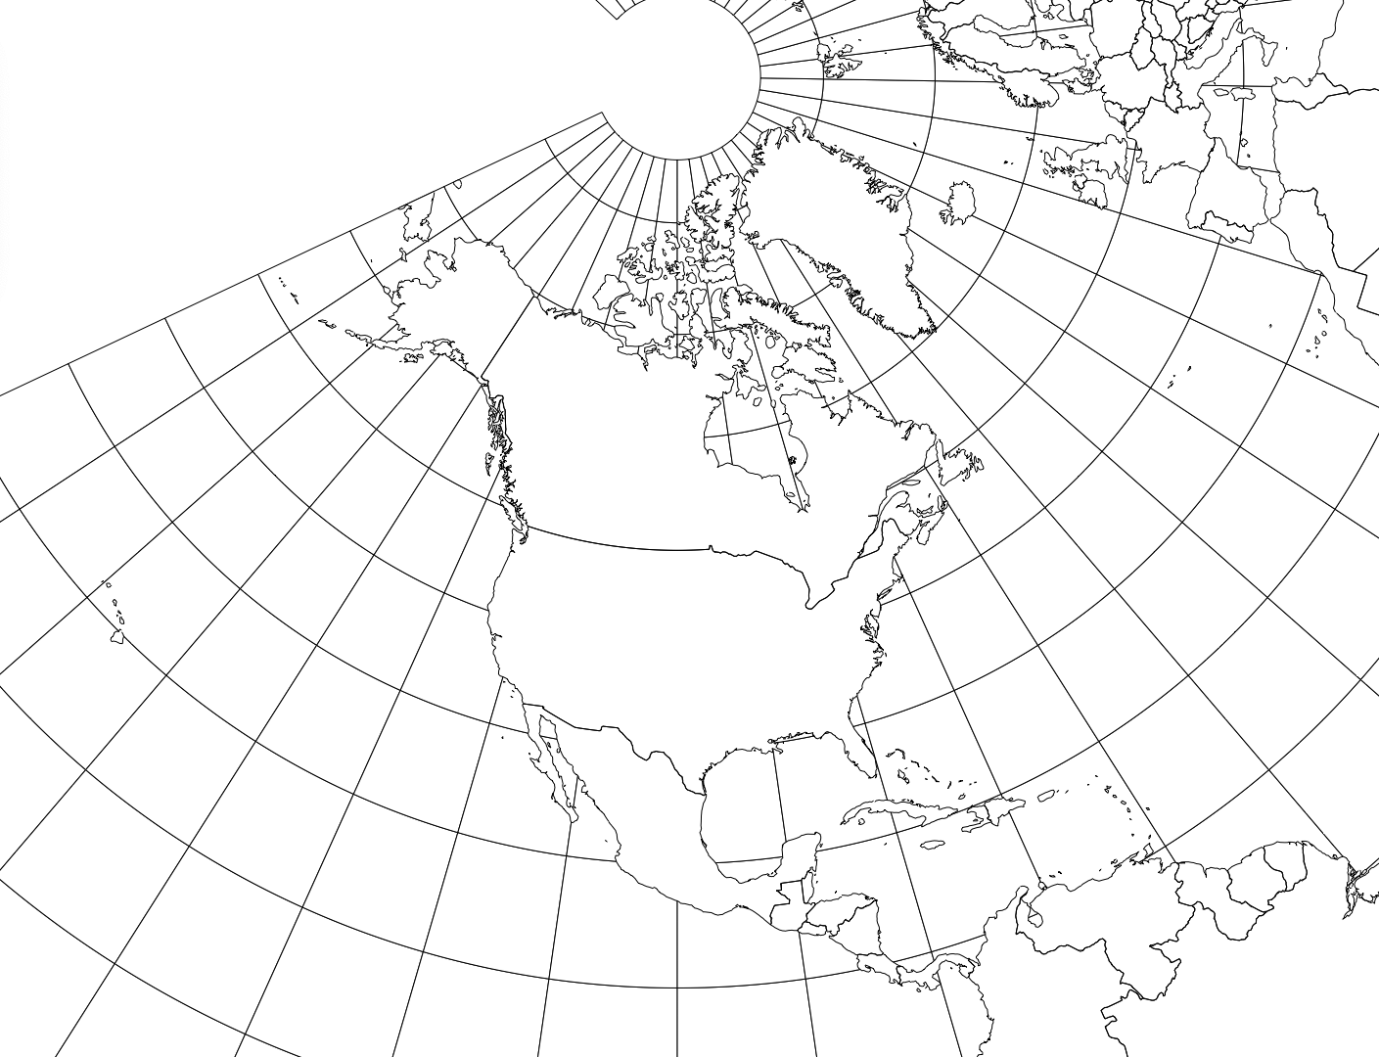
 |  |  |  |  | cont |  |  |  |  |  |  |  |  |  |  |  |  | 104.49 | 38.5
 |  |  |  |  | cont |  |  |  |  |  |  |  |  |  |  |  |  | 104.99 | 39.74
 |  |  |  |  | cont |  |  |  |  |  |  |  |  |  |  |  |  | 72.4 | 41.45
 |  |  |  |  | cont |  |  |  |  |  |  |  |  |  |  |  |  | 72.55 | 41.18
 |  |  |  |  | cont |  |  |  |  |  |  |  |  |  |  |  |  | 73.11 | 41.11
 |  |  |  |  | cont |  |  |  |  |  |  |  |  |  |  |  |  | 77 | 38.54
 |  |  |  |  | nas |  |  |  |  |  |  |  |  |  |  |  |  | 75.32 | 39.44
 |  |  |  |  | nas |  |  |  |  |  |  |  |  |  |  |  |  | 81.39 | 30.2
 |  |  |  |  | nas |  |  |  |  |  |  |  |  |  |  |  |  | 80.2 | 25.78
 |  |  |  |  |  |  |  |  |  |  |  |  |  |  |  |  |  | 81.22 | 28.32
 |  |  |  |  | pa |  |  |  |  |  |  |  |  |  |  |  |  | 87.12 | 30.26
 |  |  |  |  |  |  |  |  |  |  |  |  |  |  |  |  |  | 82.27 | 27.56
 |  |  |  |  |  |  |  |  |  |  |  |  |  |  |  |  |  | 80.03 | 26.42
 |  |  |  |  |  |  |  |  |  |  |  |  |  |  |  |  |  | 80.9 | 26.8
 |  |  |  |  |  |  |  |  |  |  |  |  |  |  |  |  |  | 84.15 | 30.27
 |  |  |  |  |  |  |  |  |  |  |  |  |  |  |  |  |  | 84.23 | 33.44
 |  |  |  |  |  |  |  |  |  |  |  |  |  |  |  |  |  | 81.58 | 33.28
 |  |  |  |  |  |  |  |  |  |  |  |  |  |  |  |  |  | 83.39 | 32.5
 |  |  |  |  |  |  |  |  |  |  |  |  |  |  |  |  |  | 84.56 | 32.29
 |  |  |  |  |  |  |  |  |  |  |  |  |  |  |  |  |  | 81.05 | 32.04
 |  |  |  |  |  |  |  |  |  |  |  |  |  |  |  |  |  | 90.35 | 41.32
 |  |  |  |  |  |  |  |  |  |  |  |  |  |  |  |  |  | 93.37 | 41.35
 |  |  |  |  |  |  |  |  |  |  |  |  |  |  |  |  |  | 93.12 | 43.8
 |  |  |  |  |  |  |  |  |  |  |  |  |  |  |  |  |  | 96.23 | 42.29
 |  |  |  |  |  |  |  |  |  |  |  |  |  |  |  |  |  | 116.12 | 43.36
 |  |  |  |  |  |  |  |  |  |  |  |  |  |  |  |  |  | 112.2 | 43.3
 |  |  |  |  |  |  |  |  |  |  |  |  |  |  |  |  |  | 87.37 | 41.52
 |  |  |  |  |  |  |  |  |  |  |  |  |  |  |  |  |  | 89.05 | 42.16
 |  |  |  |  | Cont |  |  |  |  |  |  |  |  |  |  |  |  | 89.35 | 40.41
 |  |  |  |  |  |  |  |  |  |  |  |  |  |  |  |  |  | 89.39 | 39.47
 |  |  |  |  |  |  |  |  |  |  |  |  |  |  |  |  |  | 85.08 | 41.04
 |  |  |  |  |  |  |  |  |  |  |  |  |  |  |  |  |  | 86.09 | 39.46
 |  |  |  |  |  |  |  |  |  |  |  |  |  |  |  |  |  | 86.15 | 41.4
 |  |  |  |  |  |  |  |  |  |  |  |  |  |  |  |  |  | 87.33 | 37.58
 |  |  |  |  |  |  |  |  |  |  |  |  |  |  |  |  |  | 87.2 | 41.35
 |  |  |  |  |  |  |  |  |  |  |  |  |  |  |  |  |  | 87.23 | 39.28
 |  |  |  |  |  |  |  |  |  |  |  |  |  |  |  |  |  | 97.2 | 37
 |  |  |  |  |  |  |  |  |  |  |  |  |  |  |  |  |  | 84.29 | 38.01
 |  |  |  |  |  |  |  |  |  |  |  |  |  |  |  |  |  | 85.45 | 38.15
 |  |  |  |  |  |  |  |  |  |  |  |  |  |  |  |  |  | 91.1 | 30.29
 |  |  |  |  |  |  |  |  |  |  |  |  |  |  |  |  |  | 90.08 | 29.95
 |  |  |  |  |  |  |  |  |  |  |  |  |  |  |  |  |  | 93.44 | 32.3
 |  |  |  |  |  |  |  |  |  |  |  |  |  |  |  |  |  | 72.35 | 42.06
 |  |  |  |  |  |  |  |  |  |  |  |  |  |  |  |  |  | 71.03 | 42.21
 |  |  |  |  |  |  |  |  |  |  |  |  |  |  |  |  |  | 71.47 | 42.16
 |  |  |  |  |  |  |  |  |  |  |  |  |  |  |  |  |  | 76.36 | 39.17
 |  |  |  |  |  |  |  |  |  |  |  |  |  |  |  |  |  | 68.46 | 44.48
 |  |  |  |  |  |  |  |  |  |  |  |  |  |  |  |  |  | 70.15 | 43.39
 |  |  |  |  |  |  |  |  |  |  |  |  |  |  |  |  |  | 83.44 | 42.16
 |  |  |  |  |  |  |  |  |  |  |  |  |  |  |  |  |  | 83.02 | 42.19
 |  |  |  |  |  |  |  |  |  |  |  |  |  |  |  |  |  | 83.41 | 43.01
 |  |  |  |  |  |  |  |  |  |  |  |  |  |  |  |  |  | 85.39 | 42.57
 |  |  |  |  |  |  |  |  |  |  |  |  |  |  |  |  |  | 84.32 | 42.44
 |  |  |  |  |  |  |  |  |  |  |  |  |  |  |  |  |  | 93.16 | 44.58
...

Data pts (3)
...
 |  |  | Coordinates
0.5600 | 1.6070 | 0.5379 | 1.5868
0.5606 | 1.6074 | 0.5417 | 1.5873
0.5623 | 1.6086 | 0.5455 | 1.5882
0.5628 | 1.6089 | 0.5492 | 1.5894
0.5634 | 1.6084 | 0.5529 | 1.5909
0.5646 | 1.6080 | 0.5564 | 1.5926
0.5632 | 1.6088 | 0.5599 | 1.5947
0.5628 | 1.6144 | 0.5631 | 1.5971
0.5627 | 1.6140 | 0.5661 | 1.5997
0.5635 | 1.6151 | 0.5688 | 1.6024
0.5629 | 1.6152 | 0.5383 | 1.5894
0.5627 | 1.6127 | 0.5417 | 1.5899
0.5623 | 1.6080 | 0.5452 | 1.5907
0.5622 | 1.6084 | 0.5487 | 1.5917
0.5629 | 1.6080 | 0.5520 | 1.5931
0.5634 | 1.6082 | 0.5553 | 1.5948
0.5641 | 1.6089 | 0.5584 | 1.5967
0.5640 | 1.6080 | 0.5614 | 1.5988
0.5642 | 1.6085 | 0.5642 | 1.6012
0.5645 | 1.6085 | 0.5667 | 1.6038
0.5647 | 1.6082 | 0.5386 | 1.5922
0.5645 | 1.6078 | 0.5418 | 1.5926
0.5621 | 1.6144 | 0.5449 | 1.5933
0.5566 | 1.6054 | 0.5481 | 1.5943
0.5596 | 1.6064 | 0.5511 | 1.5955
0.5597 | 1.6064 | 0.5541 | 1.5970
0.5602 | 1.6072 | 0.5569 | 1.5988
0.5604 | 1.6075 | 0.5596 | 1.6007
0.5599 | 1.6066 | 0.5621 | 1.6029
0.5608 | 1.6077 | 0.5644 | 1.6052
0.5618 | 1.6077 | 0.5390 | 1.5950
0.5601 | 1.6064 | 0.5418 | 1.5954
0.5603 | 1.6067 | 0.5447 | 1.5960
0.5605 | 1.6066 | 0.5475 | 1.5969
0.5609 | 1.6062 | 0.5502 | 1.5980
0.5611 | 1.6062 | 0.5529 | 1.5994
0.5605 | 1.6066 | 0.5554 | 1.6009
0.5614 | 1.6064 | 0.5578 | 1.6027
0.5613 | 1.6074 | 0.5600 | 1.6046
0.5618 | 1.6072 | 0.5621 | 1.6067
0.5624 | 1.6076 | 0.5394 | 1.5979
0.5627 | 1.6085 | 0.5419 | 1.5983
0.5628 | 1.6076 | 0.5444 | 1.5988
0.5620 | 1.6080 | 0.5468 | 1.5996
0.5625 | 1.6082 | 0.5492 | 1.6006
0.5638 | 1.6085 | 0.5516 | 1.6018
0.5645 | 1.6084 | 0.5538 | 1.6031
0.5645 | 1.6085 | 0.5559 | 1.6047
0.5642 | 1.6085 | 0.5579 | 1.6064
0.5645 | 1.6078 | 0.5597 | 1.6082
...
...
0.5465 | 1.6070 | 0.5465 | cont
0.5471 | 1.6049 | 0.5471 | cont
0.5461 | 1.6084 | 0.5461 | cont
0.5464 | 1.6084 | 0.5464 | cont
0.5467 | 1.6082 | 0.5467 | nas
0.5466 | 1.6082 | 0.5466 | nas
0.5466 | 1.6082 | 0.5466 | nas
0.5461 | 1.6087 | 0.5461
0.5462 | 1.6085 | 0.5462 | pa
0.5448 | 1.6088 | 0.5448
 |  |  | Coordinates
1.5868 | 0.5379 | 1.5868 | 0.5379
1.5873 | 0.5417 | 1.5873 | 0.5417
1.5882 | 0.5455 | 1.5882 | 0.5455
1.5894 | 0.5492 | 1.5894 | 0.5492
1.5909 | 0.5529 | 1.5909 | 0.5529
1.5926 | 0.5564 | 1.5926 | 0.5564
1.5947 | 0.5599 | 1.5947 | 0.5599
1.5971 | 0.5631 | 1.5971 | 0.5631
1.5997 | 0.5661 | 1.5997 | 0.5661
1.6024 | 0.5688 | 1.6024 | 0.5688
1.5894 | 0.5383 | 1.5894 | 0.5383
1.5899 | 0.5417 | 1.5899 | 0.5417
1.5907 | 0.5452 | 1.5907 | 0.5452
1.5917 | 0.5487 | 1.5917 | 0.5487
1.5931 | 0.5520 | 1.5931 | 0.5520
1.5948 | 0.5553 | 1.5948 | 0.5553
1.5967 | 0.5584 | 1.5967 | 0.5584
1.5988 | 0.5614 | 1.5988 | 0.5614
1.6012 | 0.5642 | 1.6012 | 0.5642
1.6038 | 0.5667 | 1.6038 | 0.5667
1.5922 | 0.5386 | 1.5922 | 0.5386
1.5926 | 0.5418 | 1.5926 | 0.5418
1.5933 | 0.5449 | 1.5933 | 0.5449
1.5943 | 0.5481 | 1.5943 | 0.5481
1.5955 | 0.5511 | 1.5955 | 0.5511
1.5970 | 0.5541 | 1.5970 | 0.5541
1.5988 | 0.5569 | 1.5988 | 0.5569
1.6007 | 0.5596 | 1.6007 | 0.5596
1.6029 | 0.5621 | 1.6029 | 0.5621
1.6052 | 0.5644 | 1.6052 | 0.5644
1.5950 | 0.5390 | 1.5950 | 0.5390
1.5954 | 0.5418 | 1.5954 | 0.5418
1.5960 | 0.5447 | 1.5960 | 0.5447
1.5969 | 0.5475 | 1.5969 | 0.5475
1.5980 | 0.5502 | 1.5980 | 0.5502
1.5994 | 0.5529 | 1.5994 | 0.5529
1.6009 | 0.5554 | 1.6009 | 0.5554
1.6027 | 0.5578 | 1.6027 | 0.5578
1.6046 | 0.5600 | 1.6046 | 0.5600
1.6067 | 0.5621 | 1.6067 | 0.5621
1.5979 | 0.5394 | 1.5979 | 0.5394
1.5983 | 0.5419 | 1.5983 | 0.5419
1.5988 | 0.5444 | 1.5988 | 0.5444
1.5996 | 0.5468 | 1.5996 | 0.5468
1.6006 | 0.5492 | 1.6006 | 0.5492
1.6018 | 0.5516 | 1.6018 | 0.5516
1.6031 | 0.5538 | 1.6031 | 0.5538
1.6047 | 0.5559 | 1.6047 | 0.5559
1.6064 | 0.5579 | 1.6064 | 0.5579
1.6082 | 0.5597 | 1.6082 | 0.5597
...
0.5443 | 1.6084 | 0.5443
0.5446 | 1.6087 | 0.5446
0.5447 | 1.6091 | 0.5447
0.5445 | 1.6087 | 0.5445
0.5443 | 1.6084 | 0.5443
0.5444 | 1.6086 | 0.5444
0.5447 | 1.6090 | 0.5447
0.5451 | 1.6091 | 0.5451
0.5452 | 1.6089 | 0.5452
0.5450 | 1.6091 | 0.5450
0.5450 | 1.6091 | 0.5450
0.5450 | 1.6088 | 0.5450
0.5460 | 1.6097 | 0.5460
0.5461 | 1.6097 | 0.5461
0.5464 | 1.6098 | 0.5464
0.5462 | 1.6096 | 0.5462
0.5477 | 1.6066 | 0.5477 | Cont
0.5473 | 1.6074 | 0.5473
0.5461 | 1.6097 | 0.5461
0.5461 | 1.6098 | 0.5461
0.5459 | 1.6097 | 0.5459
0.5458 | 1.6096 | 0.5458
0.5460 | 1.6096 | 0.5460
0.5459 | 1.6096 | 0.5459
0.5461 | 1.6097 | 0.5461
0.5456 | 1.6095 | 0.5456
0.5461 | 1.6097 | 0.5461
0.5458 | 1.6096 | 0.5458
0.5457 | 1.6092 | 0.5457
0.5457 | 1.6094 | 0.5457
0.5457 | 1.6095 | 0.5457
0.5447 | 1.6092 | 0.5447
0.5447 | 1.6092 | 0.5447
0.5450 | 1.6092 | 0.5450
0.5467 | 1.6082 | 0.5467
0.5469 | 1.6079 | 0.5469
0.5468 | 1.6081 | 0.5468
0.5461 | 1.6086 | 0.5461
0.5474 | 1.6077 | 0.5474
0.5471 | 1.6079 | 0.5471
0.5462 | 1.6096 | 0.5462
0.5462 | 1.6095 | 0.5462
0.5463 | 1.6096 | 0.5463
0.5463 | 1.6097 | 0.5463
0.5463 | 1.6096 | 0.5463
0.5465 | 1.6099 | 0.5465
0.5467 | 1.6100 | 0.5467
0.5464 | 1.6098 | 0.5464
0.5468 | 1.6100 | 0.5468
0.5458 | 1.6095 | 0.5458
0.5455 | 1.6094 | 0.5455
0.5457 | 1.6096 | 0.5457
0.5459 | 1.6095 | 0.5459
0.5473 | 1.6083 | 0.5473
0.5480 | 1.6073 | 0.5480
0.5478 | 1.6079 | 0.5478
0.5473 | 1.6088 | 0.5473
0.5454 | 1.6091 | 0.5454
0.5454 | 1.6089 | 0.5454
0.5455 | 1.6087 | 0.5455
0.5456 | 1.6087 | 0.5456
0.5456 | 1.6087 | 0.5456
0.5456 | 1.6089 | 0.5456
0.5470 | 1.6094 | 0.5470
...

MapList
...
N (dec) | W (dec) | φ (Rad) | λ (Rad) | ρ | θ | x | y
40.7 | -74 | 0.710 | -1.292 | 1.2468825795 | 13.262414 | 0.29 | 0.3426
41.2 | -87.616666667 | 0.719 | -1.529 | 1.2380829426 | 5.0537835167 | 0.11 | 0.3230
32.766666667 | -96.8 | 0.572 | -1.689 | 1.3865693276 | -0.4822696 | -0.01 | 0.1697
41.583333333 | -93.616666667 | 0.726 | -1.634 | 1.2313396956 | 1.4367615167 | 0.03 | 0.3253
37.766666667 | -122.41666667 | 0.659 | -2.137 | 1.2985625334 | -15.924944083 | -0.36 | 0.3075
47.033333333 | -122.23333333 | 0.821 | -2.133 | 1.135983794 | -15.814423967 | -0.31 | 0.4632
23 | -96 | 0.401 | -1.676 | 1.5562263222 | 0 | 0.00 | 0.0000
...
Radians
6378206.4
0.0822719
0.37233690709
1.0210176124
0.40142572796
-1.6755160819
0.6108652382
-1.308996939
1
Radians
1.2867171262
0.22292305797
1.5022954144
1.3101846981
0.60821668465
...
0.28446908409
0.24741761037
1.0467021311

N (dec) | W (dec) | φ (Rad) | λ (Rad) | ρ | θ | x | y
35 | -75 | 0.611 | -1.309 | 1.2867171262 | 12.772550378 | 0.2845 | 0.2474
40.7 | -74 | 0.710 | -1.292 | 1.1821324115 | 13.380767062 | 0.2736 | 0.3523
...
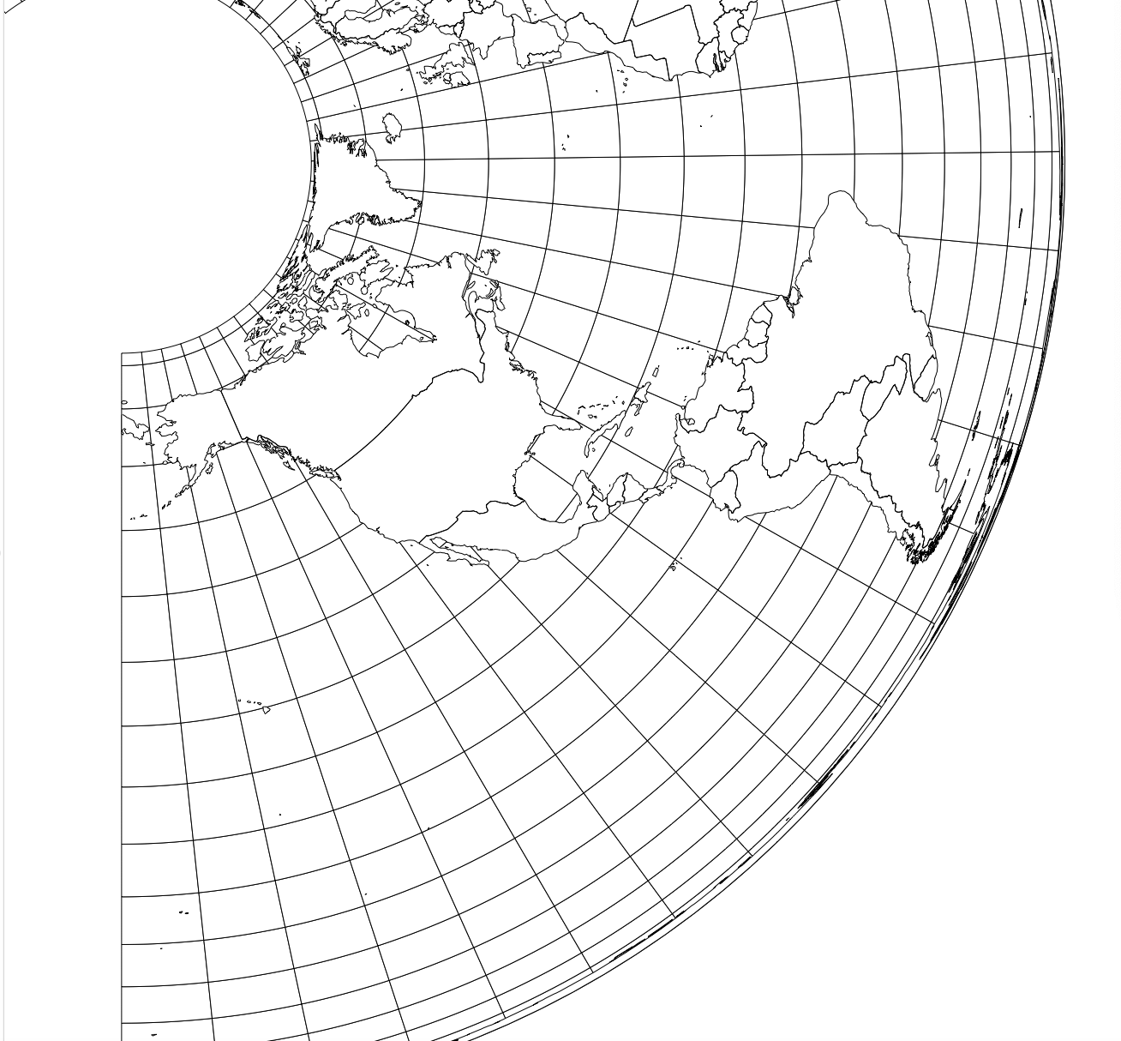
...
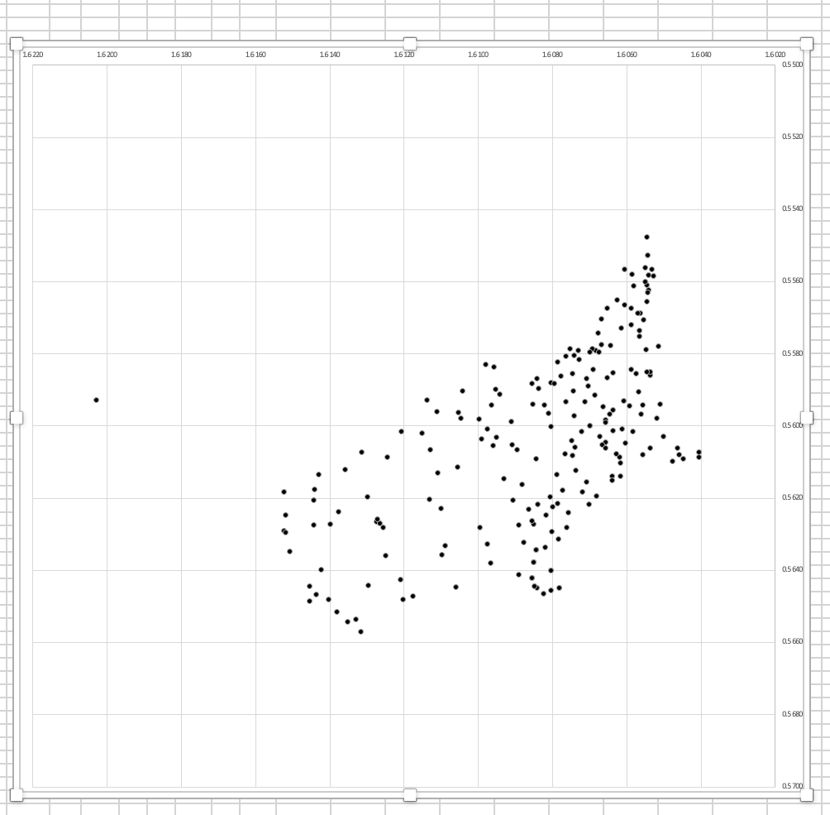
...

White
...
 |  |  | PA
 |  |  | 0.2868
...
 | latin |  | NY2 |  | West
61.37 | 150.47 | 41.88 | 90.97 | 41.13 | 89.97
33.87 | 87.33 | 42.8 | 96.63 | 42.45 | 89.13
31.13 | 88.05 | 44 | 116.33 | 40.3 | 90.08
32.58 | 86.45 | 43.83 | 112.55 | 38.62 | 87.92
35.22 | 92.53 |  |  | 41.12 | 85.22
35.3 | 112.03 |  |  | 41.97 | 87.55
33.72 | 112.12 |  |  | 40.28 | 86.25
33.37 | 111.53 |  |  | 42.12 | 86.42
35.62 | 119.28 |  |  | 39.78 | 87.63
37.25 | 120.28 |  |  | 38.13 | 97.55
34.08 | 118.42 |  |  | 38.03 | 84.8
38.08 | 121.63 |  |  | 38.42 | 86.25
34.55 | 117.63 |  |  | 30.8 | 91.28
38.95 | 121.8 |  |  | 30.97 | 90.22
33.17 | 117.25 |  |  | 32.83 | 94.22
38.37 | 112.67 |  |  | 42.58 | 71.08
37.55 | 122.47 |  |  | 42.17 | 72.97
39.38 | 105.37 |  |  | 42.45 | 72.3
40.38 | 106.08 |  |  | 39.47 | 77
41.3 | 73.3 |  |  | 45.33 | 69.28
42.25 | 73.12 |  |  | 44.08 | 70.42
41.5 | 73.53 |  |  | 42.45 | 84.22
39.5 | 77 |  |  | 42.53 | 83.05
40.22 | 75.88 |  |  | 43.03 | 84.13
27.55 | 81.83 |  |  | 43.58 | 86.08
30.55 | 82.08 |  |  | 43.22 | 84.88
26.5 | 80.55 |  |  | 47.8 | 93.45
28.88 | 81.62 |  |  | 47.3 | 92.13
30.72 | 87.33 |  |  | 45.62 | 93.45
30.75 | 84.42 |  |  | 44.62 | 95.03
28.55 | 82.75 |  |  | 39.13 | 94.95
27.17 | 80.08 |  |  | 37.33 | 93.47
34.22 | 84.63 |  |  | 40.25 | 95.38
33.78 | 82.62 |  |  | 39.03 | 90.3
32.8 | 85.55 |  |  | 46.3 | 108.83
33.38 | 84.08 |  |  | 47.28 | 106.25
32.12 | 81.13 |  |  | 47.83 | 111.47
41.97 | 94.03 |  |  | 47.42 | 114
44.55 | 93.33 |  |  | 35.97 | 82.92
 |  |  |  | 35.37 | 81.38
 |  |  |  | 36.63 | 79.5
 |  |  |  | 35.83 | 79.45
 |  |  |  | 37.12 | 80.37
 |  |  |  | 36.28 | 78.63
 |  |  |  | 47.33 | 101.3
 |  |  |  | 47.45 | 97.3
 |  |  |  | 48.37 | 101.47
 |  |  |  | 41.33 | 97.12
 |  |  |  | 42.03 | 97.72
 |  |  |  | 41.38 | 101.45
...
...
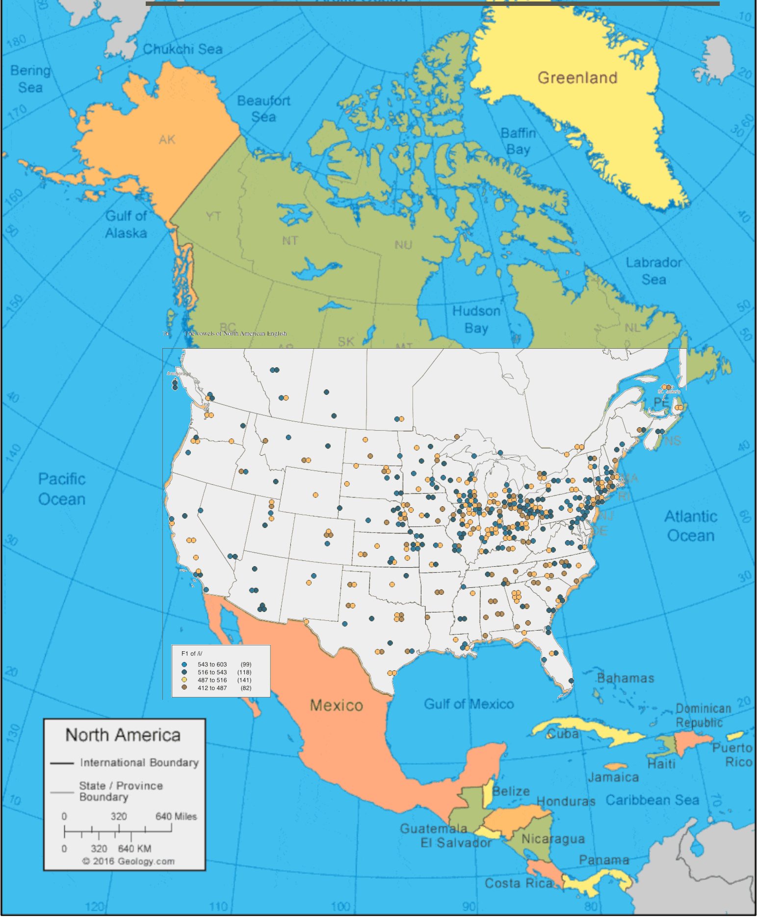
...

Front Ref
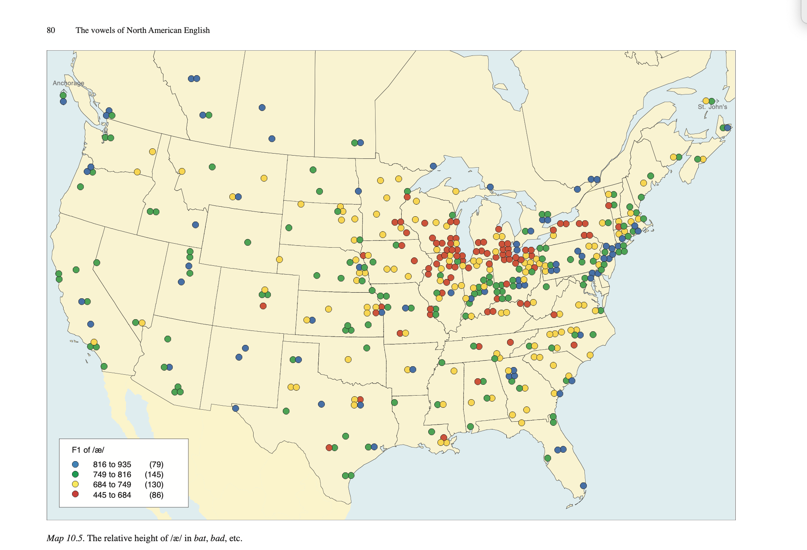
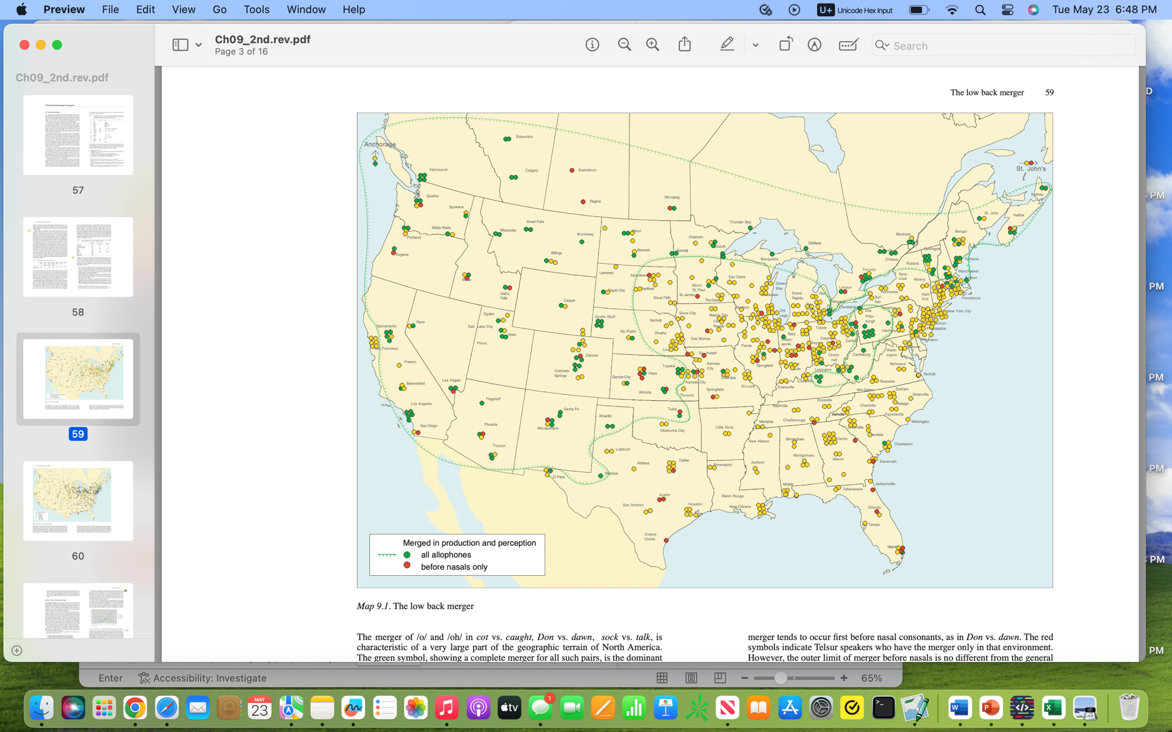
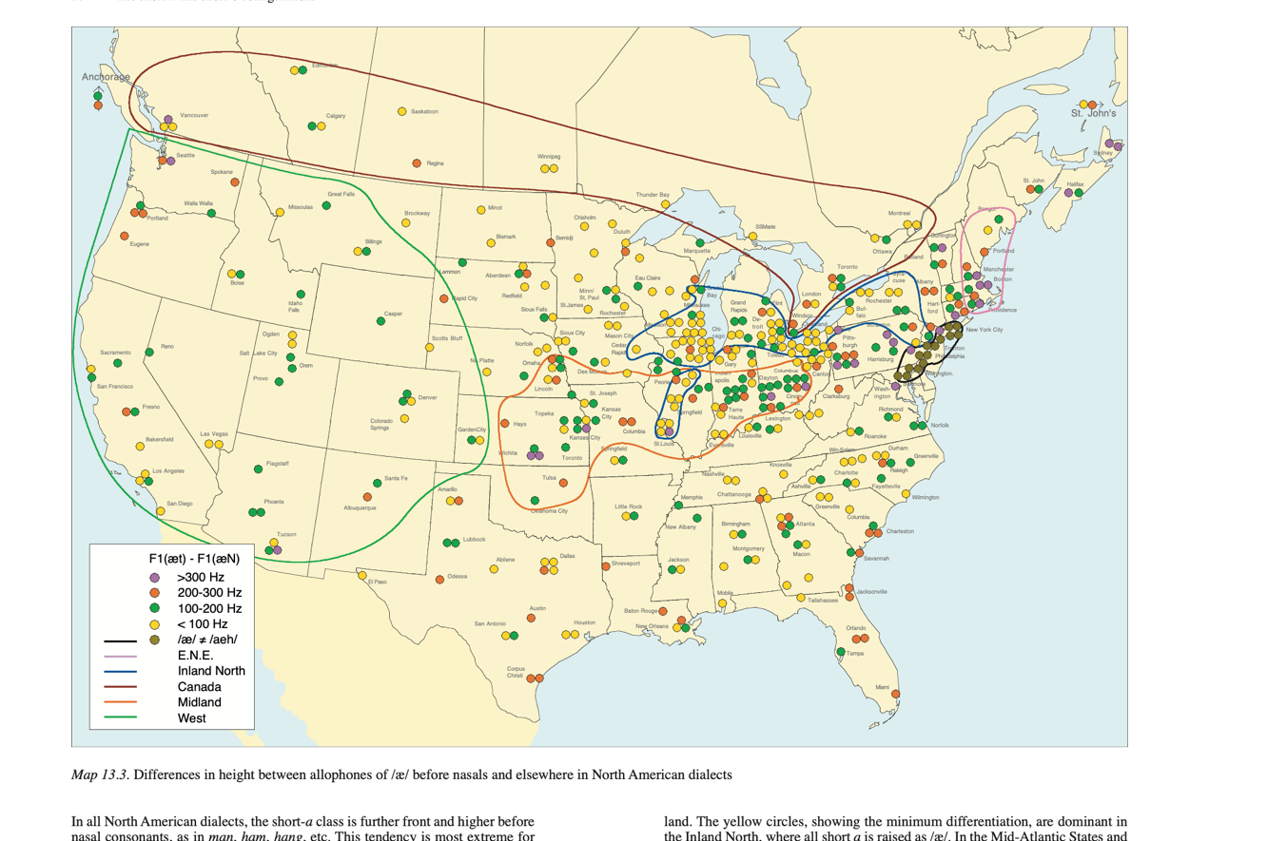
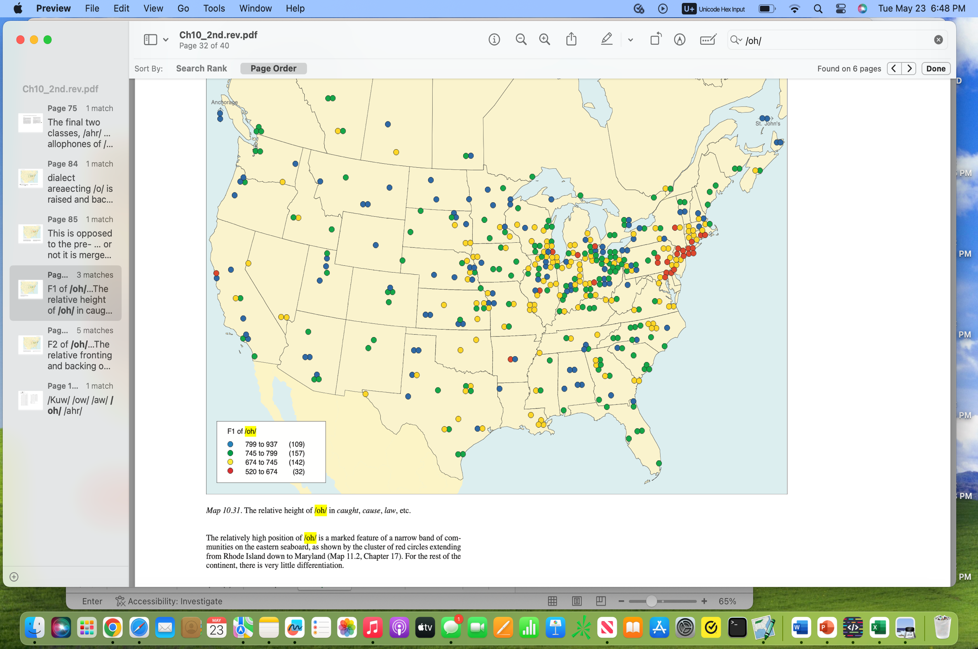
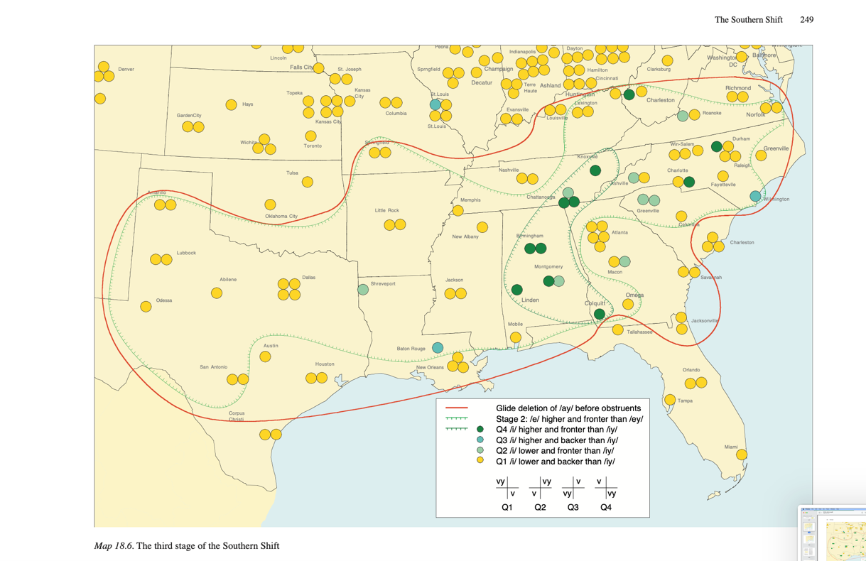
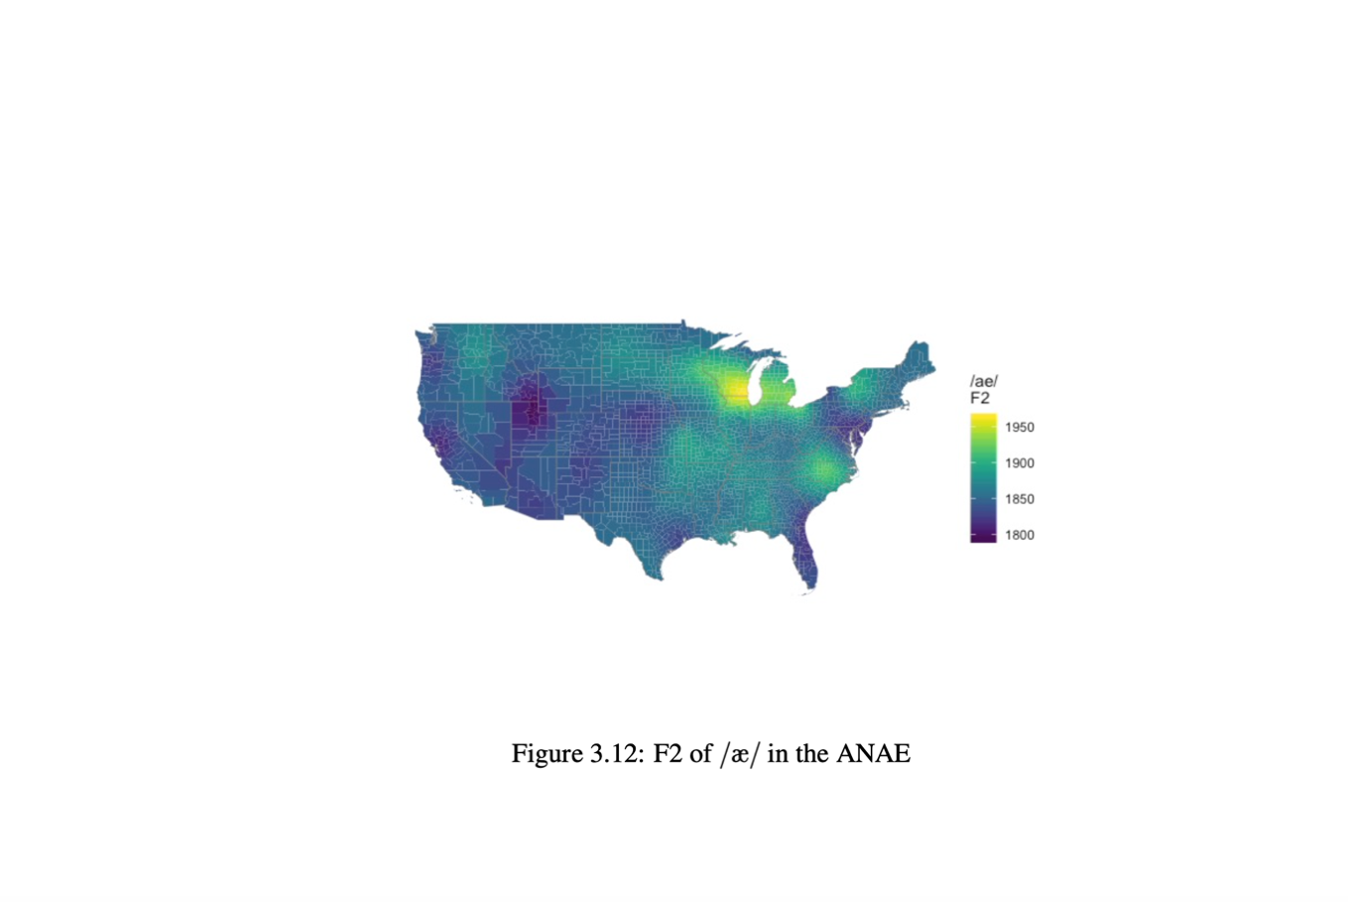
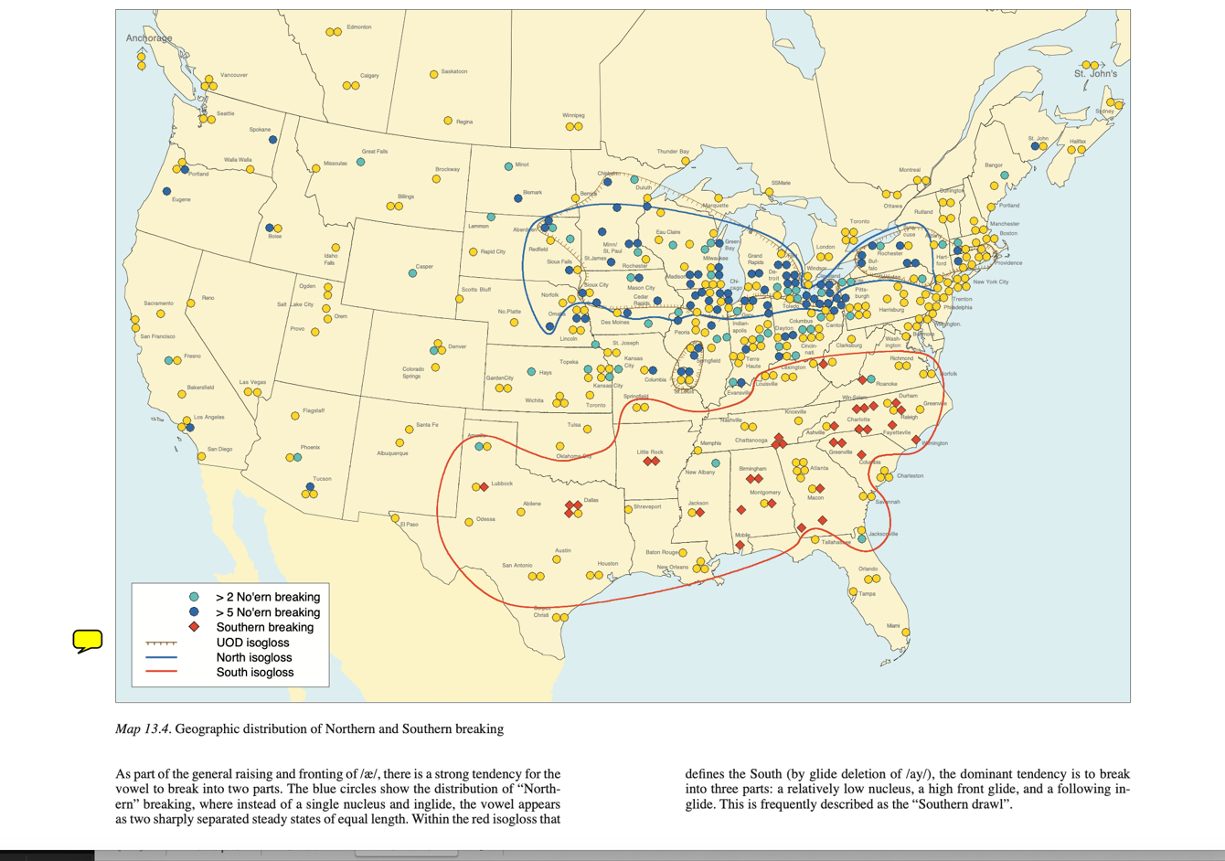
West nas except SLC, LV
Can latin except Altantic
North vowel break
Mid nas except Canton
South latin except coastal SC-FL, Corpus Cristi, Clarksburg

PEAS: ingliding /a/ in SC Upcountry and Georgia, FL
PEAS: ingliding /e/ up to PA border
PEAS: no SS stage 2

